Brosch Figure 2
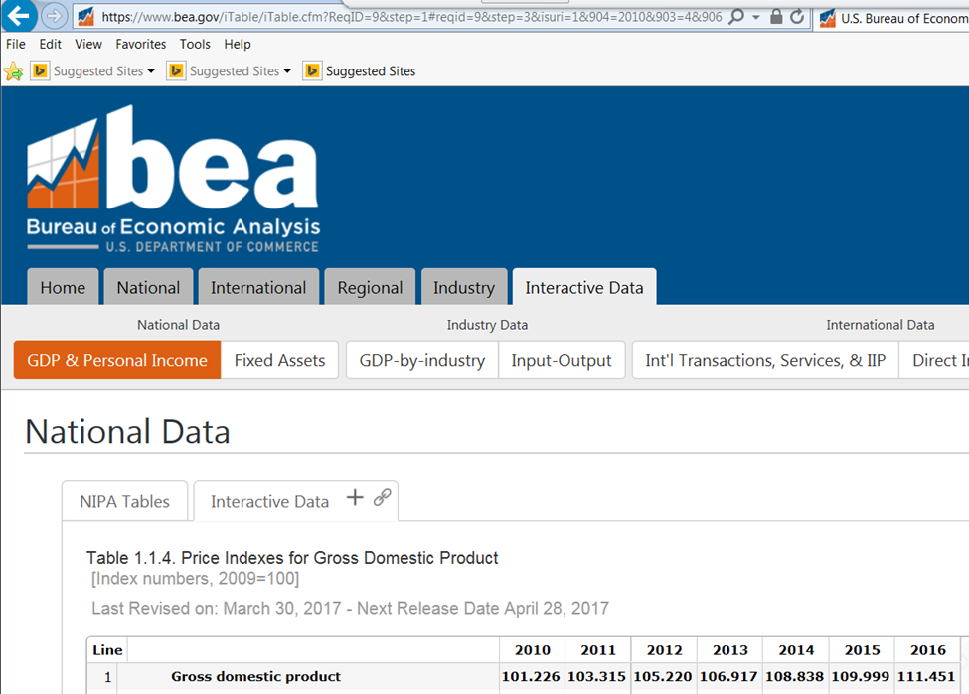
...
PSE Electric Expenses | $48,140,876 | $49,220,845 | $50,570,101 | $51,078,600 | $48,055,081 | $45,763,778 | -1.1%
Change Percentage |  | 2.2% | 2.7% | 1.0% | -5.9% | -4.8%

PSE Gas Expenses | $30,371,782 | $30,792,302 | $31,660,511 | $31,631,337 | $28,464,953 | $25,697,437 | -3.6%
Change Percentage |  | 1.4% | 2.8% | -0.1% | -10.0% | -9.7%

PSE Combined Expenses | $78,512,657 | $80,013,147 | $82,230,612 | $82,709,937 | $76,520,034 | $71,461,215 | -2.1%
Change Percentage |  | 1.9% | 2.8% | 0.6% | -7.5% | -6.6%

Brosch Figure 3
...
 | Public Counsel Witness Brosch Workpapers - Supportive of Figures in MLB-1T
6 | 35 | 4,852,807 | 4,658,268 | 4,595,400 | 4,638,594 | 4,084,183 | 5,046,326 | 4,593,600 | 4,790,400 | 5,385,000 | 4,731,600
7 | 43 | 169,380,877 | 172,570,765 | 162,274,518 | 144,636,840 | 149,208,116 | 131,470,287 | 132,228,026 | 116,910,343 | 119,184,427 | 113,576,343
8 | 40 | 570,935,915 | 589,418,696 | 651,775,004 | 659,254,315 | 642,342,474 | 686,120,836 | 698,418,806 | 657,607,888 | 668,945,014 | 612,505,217
9 | 46 & 49 | 571,229,328 | 570,506,690 | 553,779,998 | 584,950,949 | 627,937,152 | 616,681,625 | 690,048,512 | 640,104,298 | 632,601,698 | 624,250,002
10 | 50 - 59 | 83,381,879 | 85,354,850 | 84,807,090 | 83,831,304 | 84,648,605 | 82,229,184 | 81,044,701 | 81,049,189 | 79,526,130 | 75,397,268
11 | 449 & 459 | 2,131,969,684 | 2,052,460,381 | 2,024,440,729 | 1,963,746,618 | 2,008,239,877 | 1,954,187,645 | 2,089,434,881 | 2,093,396,566 | 2,012,827,153 | 2,085,574,193
12 | Firm Resale | 7,787,369 | 7,787,156 | 7,586,323 | 7,231,300 | 7,764,069 | 7,140,081 | 7,345,696 | 6,929,360 | 6,812,620 | 6,819,783
13
14 | Total | 23,739,366,315 | 24,059,247,023 | 23,808,830,830 | 22,963,849,099 | 23,526,451,565 | 22,787,851,166 | 23,288,509,114 | 22,657,273,102 | 22,529,403,015 | 22,517,286,702
 |  |  |  |  |  |  |  |  |  |  | -5.1%
PSE Electric KWH Sales
2007 | 23739366315
2008 | 24059247023
2009 | 23808830830
2010 | 22963849099
2011 | 23526451565
2012 | 22787851166
2013 | 23288509114
2014 | 22657273102
2015 | 22529403015
2016 | 22517286702

Information from PSE response to WUTC DR 268, Att.a
 | Puget Sound Energy
 | Annual Delivered Therms
 | 2007 through 2016

Line No. | Rate Schedule | 2007 | 2008 | 2009 | 2010 | 2011 | 2012 | 2013 | 2014 | 2015 | 2016
1 | Schedule 16 | 19,152 | 15,274 | 18,578 | 5,849 | 19,152 | 780 | 10,921 | 10,289 | 10,198 | 9,573
2 | Schedule 23 | 556,814,600 | 589,386,552 | 585,605,584 | 519,517,278 | 597,451,693 | 569,306,425 | 572,656,356 | 527,412,639 | 492,986,194 | 521,761,277
3 | Schedule 53 | 3,053 | 2,775 | 1,877 | 3,580 | -87 | 1,054 | 360 | 229 | 291 | 306
...
10 | Schedule 87 | 38,091,451 | 29,747,031 | 30,583,678 | 28,714,555 | 28,334,274 | 25,900,593 | 27,208,198 | 21,892,851 | 20,281,123 | 23,785,241
11 | Schedule 57 | 176,756,455 | 152,177,427 | 0 | 0 | 0 | 0 | 0 | 0 | 0 | 0
12 | Schedule 31T | 0 | 0 | 0 | 0 | 0 | 0 | 2,898 | 22,476 | 17,322 | 23,548
13 | Schedule 41T | 0 | 254,452 | 3,075,431 | 5,931,146 | 9,828,833 | 12,222,914 | 13,329,606 | 14,141,187 | 15,886,334 | 17,777,099
14 | Schedule 85T | 0 | 11,514,609 | 66,406,449 | 65,473,568 | 78,870,057 | 72,414,992 | 75,346,020 | 78,908,985 | 77,062,297 | 78,566,665
15 | Schedule 86T | 0 | 0 | 0 | 20,291 | 31,597 | 27,996 | 40,221 | 190,840 | 231,675 | 380,307
16 | Schedule 87T | 0 | 17,601,457 | 104,136,903 | 98,899,896 | 97,474,854 | 103,086,418 | 93,142,123 | 80,955,866 | 92,599,059 | 99,020,068
17 | Special Contracts | 36,785,495 | 36,225,972 | 36,624,624 | 35,190,502 | 38,124,357 | 38,057,565 | 37,835,516 | 37,209,723 | 34,595,235 | 34,956,467
18 | Total | 1,124,291,607 | 1,178,093,828 | 1,134,947,309 | 1,047,318,633 | 1,178,609,457 | 1,129,344,068 | 1,130,929,673 | 1,053,540,975 | 1,011,603,982 | 1,058,397,439
 |  |  |  |  |  |  |  |  |  |  | -5.9%
PSE Gas Therm Sales
2007 | 1124291607
2008 | 1178093828
2009 | 1134947308.6
2010 | 1047318633
2011 | 1178609457
2012 | 1129344068
2013 | 1130929672.8
2014 | 1053540975.3
2015 | 1011603982.4
2016 | 1058397439.3

Brosch Figure 4
...
Gas | Gas
Residential | Non-Residential |  | Total | Total | Customer Growth Graphs
(f) | (g) |  | PSE Electric Customers | PSE Gas Customer
715,655 | 56,797 | Jul-13 | 1,074,593 | 772,452
715,946 | 56,745 | Aug-13 | 1,075,001 | 772,691
716,297 | 56,682 | Sep-13 | 1,075,662 | 772,979
718,146 | 56,763 | Oct-13 | 1,077,152 | 774,909
720,524 | 56,903 | Nov-13 | 1,078,779 | 777,427
722,680 | 57,176 | Dec-13 | 1,080,196 | 779,856
724,154 | 56,986 | Jan-14 | 1,079,685 | 781,140
725,017 | 57,107 | Feb-14 | 1,080,529 | 782,124
725,435 | 57,141 | Mar-14 | 1,080,706 | 782,576
725,916 | 57,095 | Apr-14 | 1,081,273 | 783,011
726,161 | 57,063 | May-14 | 1,082,018 | 783,224
725,865 | 57,000 | Jun-14 | 1,082,394 | 782,865
726,753 | 57,066 | Jul-14 | 1,082,991 | 783,819
727,020 | 57,005 | Aug-14 | 1,083,419 | 784,025
727,572 | 56,950 | Sep-14 | 1,084,481 | 784,522
728,928 | 56,962 | Oct-14 | 1,085,832 | 785,890
730,969 | 57,175 | Nov-14 | 1,087,871 | 788,144
733,135 | 57,328 | Dec-14 | 1,089,307 | 790,463
734,851 | 57,457 | Jan-15 | 1,090,380 | 792,308
735,897 | 57,483 | Feb-15 | 1,091,405 | 793,380
736,498 | 57,471 | Mar-15 | 1,092,278 | 793,969
736,746 | 57,411 | Apr-15 | 1,092,987 | 794,157
736,564 | 57,394 | May-15 | 1,093,913 | 793,958
736,636 | 57,394 | Jun-15 | 1,094,868 | 794,030
736,444 | 57,312 | Jul-15 | 1,095,423 | 793,756
736,388 | 57,243 | Aug-15 | 1,095,594 | 793,631
736,870 | 57,228 | Sep-15 | 1,096,394 | 794,098
738,347 | 57,238 | Oct-15 | 1,097,960 | 795,585
740,333 | 57,388 | Nov-15 | 1,099,932 | 797,721
742,494 | 57,540 | Dec-15 | 1,101,577 | 800,034
744,094 | 57,635 | Jan-16 | 1,102,735 | 801,729
744,966 | 57,668 | Feb-16 | 1,103,627 | 802,634
745,907 | 57,711 | Mar-16 | 1,105,193 | 803,618
746,102 | 57,602 | Apr-16 | 1,105,976 | 803,704
748,458 | 57,712 | May-16 | 1,108,783 | 806,170
749,526 | 57,732 | Jun-16 | 1,111,628 | 807,258
749,797 | 57,708 | Jul-16 | 1,112,123 | 807,505
750,520 | 57,669 | Aug-16 | 1,113,306 | 808,189
751,547 | 57,701 | Sep-16 | 1,114,981 | 809,248
753,104 | 57,635 | Oct-16 | 1,116,684 | 810,739
754,683 | 57,753 | Nov-16 | 1,118,336 | 812,436
756,330 | 57,974 | Dec-16 | 1,119,992 | 814,304

