IDM-7 Cover Page
Exhibit No. __ (IDM-7)
Docket No. UG-200568
Witness: Isaac D. Myhrum

WASHINGTON UTILITIES AND TRANSPORTATION COMMISSION,
Complainant,
v.
CASCADE NATURAL GAS CORPORATION,
Respondent.

CASCADE NATURAL GAS CORPORATION

EXHIBIT OF ISAAC D. MYHRUM

SUMMARY OF REVENUES BY RATE SCHEDULE

2020-07-24

IDM-8 Cover Page
Exhibit No. __ (IDM-8)
Docket No. UG-200568
Witness: Isaac D. Myhrum

WASHINGTON UTILITIES AND TRANSPORTATION COMMISSION,
Complainant,
v.
CASCADE NATURAL GAS CORPORATION,
Respondent.

CASCADE NATURAL GAS CORPORATION

EXHIBIT OF ISAAC D. MYHRUM

REVENUE ADJUSTMENTS

2020-07-24

IDM-9 Cover Page
Exhibit No. __ (IDM-9)
Docket No. UG-200568
Witness: Isaac D. Myhrum

WASHINGTON UTILITIES AND TRANSPORTATION COMMISSION,
Complainant,
v.
CASCADE NATURAL GAS CORPORATION,
Respondent.

CASCADE NATURAL GAS CORPORATION

EXHIBIT OF ISAAC D. MYHRUM

REVENUE DISTRIBUTION

2020-07-24

IDM-10 Cover Page
Exhibit No. __ (IDM-10)
Docket No. UG-200568
Witness: Isaac D. Myhrum

WASHINGTON UTILITIES AND TRANSPORTATION COMMISSION,
Complainant,
v.
CASCADE NATURAL GAS CORPORATION,
Respondent.

CASCADE NATURAL GAS CORPORATION
 | Margin Revenue is from Exh. IDM-7, column (AA). (Margin revenue in proposed column.)
EXHIBIT OF ISAAC D. MYHRUM | Exh. IDM-7, column (W), 2020 EOP Customer Billing Determinants. Sch 570 uses 2019 EOP amounts in IDM-7 column (N).

DECOUPLING MECHANISM, AUTHORIZED REVENUE PER CUSTOMER

2020-07-24

Billing Correction
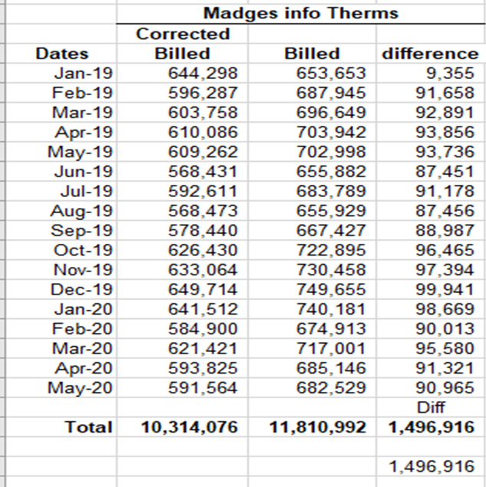
1 | A | B | C | D
2
3
4
5
6
7
8
9
10
11
12
13
14
15
16
17
18
19
20
21
22
23
24
25 | Customer Schedule | RS 663
26 | Overbilled Therms | 1,496,916
27
28
29
30 |  | > 500k Rate
31 |  | Therm Diff
32 | Jan-20 | 98,669
33 | Feb-20 | 90,013
34 | Mar-20 | 95,580
35 | Apr-20 | 91,321
36 | May-20 | 90,965
37 | Total 2020 | 466,548
38 | Total 2019 | 1,030,368

