Page 8.2.3
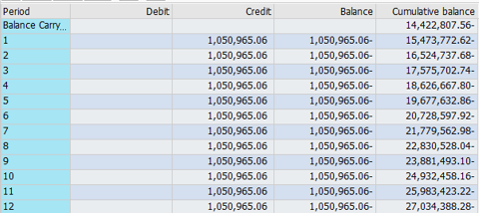
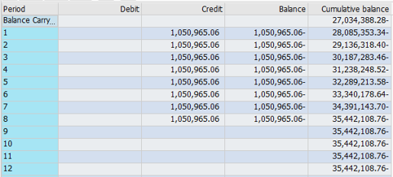
PacifiCorp |  |  |  |  | Page | 8.2.3
Washington General Rate Case - 2021
Regulatory Assets and Liabilities Amortization
Accelerated Depreciation on Coal-Fired Plants
GL Account 288411 - Actuals for 12 Months Ended June 2019

 |  |  | Accumulated
Year | Month | Accrual | Balance
2018 | 6 | (1,050,965) | (20,728,598)
2018 | 7 | (1,050,965) | (21,779,563)
2018 | 8 | (1,050,965) | (22,830,528)
2018 | 9 | (1,050,965) | (23,881,493)
2018 | 10 | (1,050,965) | (24,932,458)
2018 | 11 | (1,050,965) | (25,983,423)
2018 | 12 | (1,050,965) | (27,034,388)
2019 | 1 | (1,050,965) | (28,085,353)
2019 | 2 | (1,050,965) | (29,136,318)
2019 | 3 | (1,050,965) | (30,187,283)
2019 | 4 | (1,050,965) | (31,238,249)
2019 | 5 | (1,050,965) | (32,289,214)
2019 | 6 | (1,050,965) | (33,340,179)
 |  | AMA Balance | (27,034,388) | Ref. 8.2.2

GL Account Balance
Account Number 288411
Calendar Year 2018 |  |  |  | Calendar Year 2019

Page 8.2.7
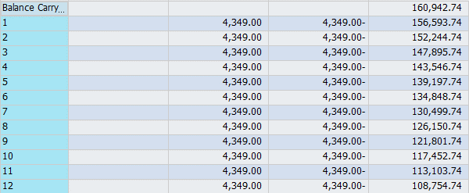
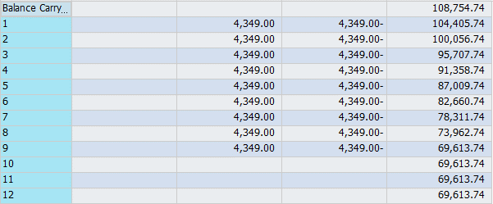
PacifiCorp |  |  |  |  | Page | 8.2.7
Washington General Rate Case - 2021
Regulatory Assets and Liabilities Amortization
Colstrip #3 Deferred Carrying Charges
GL Account 187051 - Actuals for 12 Months Ended June 2019

 |  |  | Accumulated
Year | Month | Addition | Balance
2018 | 6 | - | 134,849
2018 | 7 | (4,349) | 130,500
2018 | 8 | (4,349) | 126,151
2018 | 9 | (4,349) | 121,802
2018 | 10 | (4,349) | 117,453
2018 | 11 | (4,349) | 113,104
2018 | 12 | (4,349) | 108,755
2019 | 1 | (4,349) | 104,406
2019 | 2 | (4,349) | 100,057
2019 | 3 | (4,349) | 95,708
2019 | 4 | (4,349) | 91,359
2019 | 5 | (4,349) | 87,010
2019 | 6 | (4,349) | 82,661
 |  | AMA Balance | 108,755 | Ref. 8.2.6

GL Account Balance
Account Number 187051
Calendar Year 2018 |  |  |  | Calendar Year 2019

