Pages 5.4.1 - 5.4.2
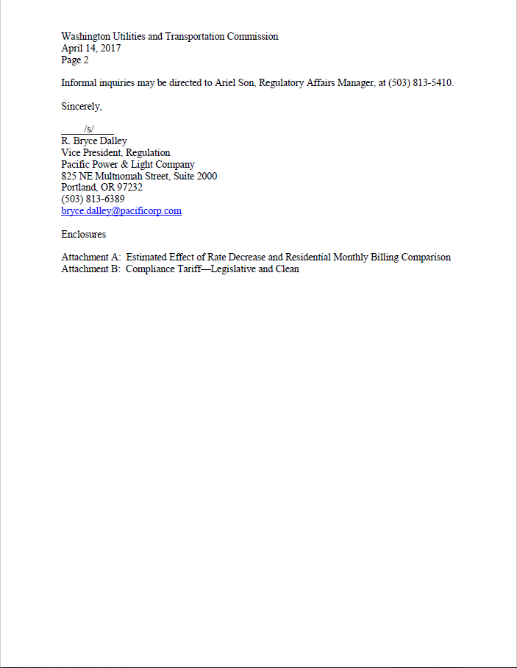
PacifiCorp | Page 5.4.1
Washington General Rate Case - 2021
REC Purchase Adjustment

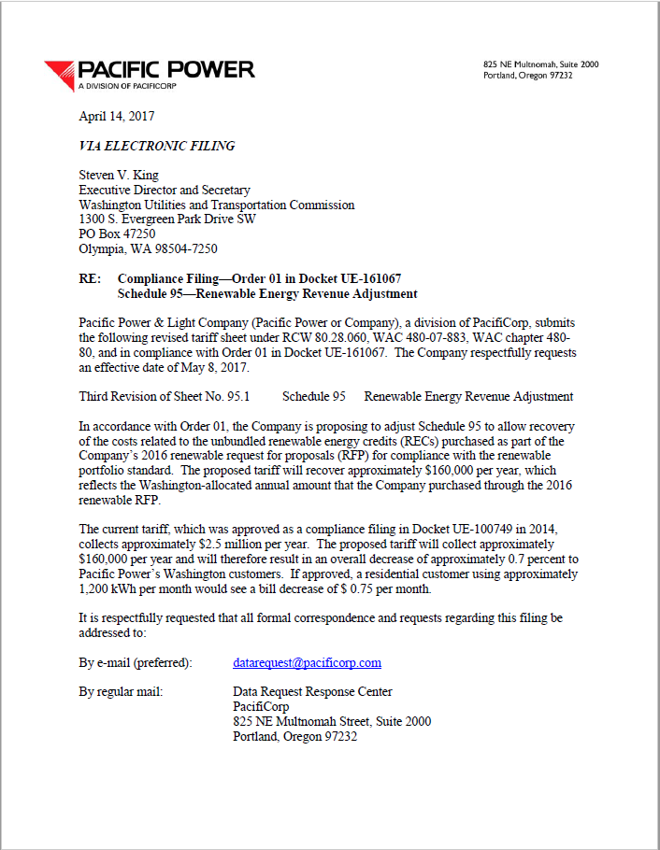

PacifiCorp | Page 5.4.2
Washington General Rate Case - 2021
REC Purchase Adjustment

