SAP Int. Cust
KOB1
Order 43100673
Cost Element 63400500
12ME Dec 2022
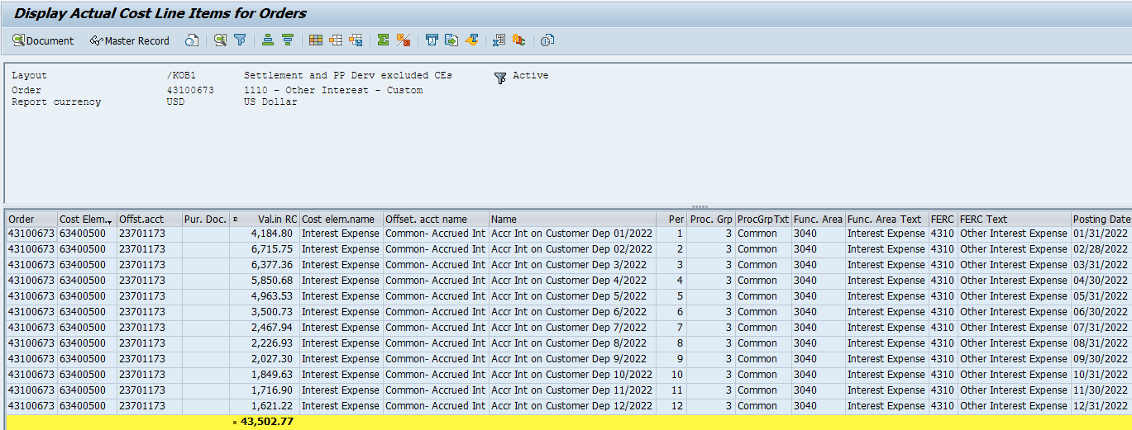
Order | Cost Elem. | Offst.acct | Val.in RC | CElem.name | Offset. acct name | Name | Per | Proc. Grp | ProcGrpTxt | Func. Area | FuncAreaTx | FERC | FERC Text | Postg Date
43100673 | 63400500 | 23701173 | 4,184.80 | Interest Expense | Common- Accrued Int | Accr Int on Customer Dep 01/2022 | 1 | 3 | Common | 3040 | Interest Expense | 4310 | Other Interest Expense | 2022-01-31
43100673 | 63400500 | 23701173 | 6,715.75 | Interest Expense | Common- Accrued Int | Accr Int on Customer Dep 02/2022 | 2 | 3 | Common | 3040 | Interest Expense | 4310 | Other Interest Expense | 2022-02-28
43100673 | 63400500 | 23701173 | 6,377.36 | Interest Expense | Common- Accrued Int | Accr Int on Customer Dep 3/2022 | 3 | 3 | Common | 3040 | Interest Expense | 4310 | Other Interest Expense | 2022-03-31
43100673 | 63400500 | 23701173 | 5,850.68 | Interest Expense | Common- Accrued Int | Accr Int on Customer Dep 4/2022 | 4 | 3 | Common | 3040 | Interest Expense | 4310 | Other Interest Expense | 2022-04-30
43100673 | 63400500 | 23701173 | 4,963.53 | Interest Expense | Common- Accrued Int | Accr Int on Customer Dep 5/2022 | 5 | 3 | Common | 3040 | Interest Expense | 4310 | Other Interest Expense | 2022-05-31
43100673 | 63400500 | 23701173 | 3,500.73 | Interest Expense | Common- Accrued Int | Accr Int on Customer Dep 6/2022 | 6 | 3 | Common | 3040 | Interest Expense | 4310 | Other Interest Expense | 2022-06-30
43100673 | 63400500 | 23701173 | 2,467.94 | Interest Expense | Common- Accrued Int | Accr Int on Customer Dep 7/2022 | 7 | 3 | Common | 3040 | Interest Expense | 4310 | Other Interest Expense | 2022-07-31
43100673 | 63400500 | 23701173 | 2,226.93 | Interest Expense | Common- Accrued Int | Accr Int on Customer Dep 8/2022 | 8 | 3 | Common | 3040 | Interest Expense | 4310 | Other Interest Expense | 2022-08-31
43100673 | 63400500 | 23701173 | 2,027.30 | Interest Expense | Common- Accrued Int | Accr Int on Customer Dep 9/2022 | 9 | 3 | Common | 3040 | Interest Expense | 4310 | Other Interest Expense | 2022-09-30
43100673 | 63400500 | 23701173 | 1,849.63 | Interest Expense | Common- Accrued Int | Accr Int on Customer Dep 10/2022 | 10 | 3 | Common | 3040 | Interest Expense | 4310 | Other Interest Expense | 2022-10-31
43100673 | 63400500 | 23701173 | 1,716.90 | Interest Expense | Common- Accrued Int | Accr Int on Customer Dep 11/2022 | 11 | 3 | Common | 3040 | Interest Expense | 4310 | Other Interest Expense | 2022-11-30
43100673 | 63400500 | 23701173 | 1621.22 | Interest Expense | Common- Accrued Int | Accr Int on Customer Dep 12/2022 | 12 | 3 | Common | 3040 | Interest Expense | 4310 | Other Interest Expense | 2022-12-31
 |  |  | 43,502.77

 | RESTATED TEST YEAR
 |  |  | Prior Oblig. | Interest Expense
 |  |  | % Split by Business | Restated. Test Year
 | Common Electric |  | 84.13% | 36,598.63
 | Common Gas |  | 15.87% | 6,904.14
 | Total |  | 100.00% | 43,502.77
 |  |  | ck | -

