Earnings Sharing
ZRW_ZO12
Order Group: EB_GAS.OVER
12ME Dec 2023
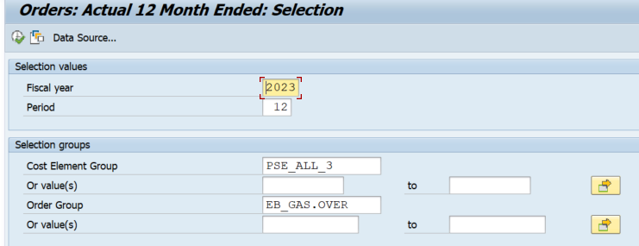

total | 0

