Report 2022
Puget Sound Energy
2022 Incentive Pay Overhead Analysis

 | (a) | (b) | ( c ) | (d) |  | (e) | (f) | (g) | (h) | (i) | (j) | (k) | (k)
 |  |  |  |  |  |  | (b+c+d+e) |  |  | [1] |  | [1]
 |  |  |  |  |  |  |  |  | Manual Clearing O&M: | Incentive | Manual CNS | Incentive
 | Monthly | Accrued | Monthly | Monthly |  | Prior Year | Total | Cumulative | 546 - 56000140 | Split to | to Acct | Split to
 | Incentive | Costs - JR 142 | Incentive OH | Incentive |  | Accrued, Payout | Monthly | Incentive Pay | 580 - 88000140 | O&M | 60230010 | CNS
 | Overhead | Jackson Prairie | Credit Order | True Up |  | & True Up | Activity | Liability | 92006494;41710062 | Approx | 1150 | Approx
 | Rate | Ord 151920100 | 23290040 | GL 23200483 |  | Order 23200483 | GL 23200483 | 23200483 | Acct 60230010 | Rate | 10790090 | Rate

2021-12-01 |  |  |  |  |  | (17,168,639.38) |  | (17,168,639.38)
2022-01-01 | 9.9% | (6,697.00) | (2,301,365.22) | - |  | - | (2,308,062.22) | (19,476,701.60) | - | #DIV/0! | - | #DIV/0!
2022-02-01 | 9.9% | (6,697.00) | (2,259,300.53) | - |  | - | (3,265,997.53) | (22,742,699.13) | - | #DIV/0! | - | #DIV/0!
2022-03-01 | 9.9% | (261.00) | (2,797,038.43) | (647,737.79) |  | 16,900,117.93 | 13,715,470.53 | (9,027,228.60) | 333,231.95 | 51.45% | 314,505.84 | 48.55%
2022-04-01 | 9.9% | (4,552.00) | (2,472,488.28) | 2,992,281.49 |  | - | 515,241.21 | (8,511,987.39) | (1,509,992.80) | 50.46% | (1,482,288.69) | 49.54%
2022-05-01 | 9.9% | (4,552.00) | (2,505,749.10) | 368,318.87 |  | - | (2,141,982.23) | (10,653,969.62) | (187,077.45) | 50.79% | (181,241.42) | 49.21%
2022-06-01 | 9.9% | (4,552.00) | (2,550,892.44) | (1,204,257.82) |  | - | (3,759,702.26) | (14,413,671.88) | 607,360.08 | 50.43% | 596,897.74 | 49.57%
2022-07-01 | 9.9% | (4,552.00) | (2,317,022.90) | 74,632.30 |  | - | (2,246,942.60) | (16,660,614.48) | (36,989.73) | 49.56% | (37,642.57) | 50.44%
2022-08-01 | 9.9% | (4,552.00) | (2,638,373.12) | 2,726,023.26 |  | - | 83,098.14 | (16,577,516.34) | (1,355,945.77) | 49.74% | (1,370,077.49) | 50.26%
2022-09-01 | 9.9% | (4,552.00) | (2,519,230.88) | (342,406.74) |  | - | (2,866,189.62) | (19,443,705.96) | 169,264.19 | 49.43% | 173,142.55 | 50.57%
2022-10-01 | 9.9% | (4,552.00) | (2,630,111.75) | 920,615.54 |  | - | (1,714,048.21) | (21,157,754.17) | (452,047.60) | 49.10% | (468,567.94) | 50.90%
2022-11-01 | 9.9% | (4,552.00) | (2,477,821.20) | (2,546,668.40) |  | - | (5,029,041.60) | (26,186,795.77) | 1,258,588.15 | 49.42% | 1,288,080.25 | 50.58%
A1(A) B1 (A) C1 (A) D1(D) D1(E) D1 (A) D1 (C) E1(A) E1(B)
2022-12-01 | 9.9% | (4,552.00) | (2,476,132.98) | 112,306.22 |  | - | (2,368,378.76) | (28,555,174.53) | (55,179.95) | 49.13% | (57,126.27) | 50.87%
 |  |  |  |  |  |  |  |  |  |  |  |  |  | $(516,443.71) | 132021.88

 |  | $(54,623.00) | $(29,945,526.83) | $2,453,106.93 | $- | $16,900,117.93 | $(11,386,535.15) |  | $(1,228,788.93) |  | $(1,224,318.00)

 |  | [1] |  | Incentive true up split between O&M and CNS; the rate calculations are based on the net sum of adjustments during the month.

 |  |  | 26,446,573.39 | <= 2022 Actual Incentive

 |  |  | Total Incentives | 26,446,573
 |  |  | Jackson Prairie
 |  |  | PLNG

Manual Clearing
ZO12 Orders: Actual 12 Month Ended
Date: 02/13/2023
 | Total Test Year Incentive Manual Clearing

 | New Orders Beginning Jan 2017
 | Orders | 12 Months | Dec-21 | Nov-21 | Oct-21 | Sep-21 | Aug-21 | Jul-21 | Jun-21 | May-21 | Apr-21 | Mar-21 | Feb-21 | Jan-21
 | 41710062 1412 - Incentive Clearing - Common | (17,366) | (770) | 17,740 | (6,488) | 2,393 | (19,085) | (524) | 8,331 | (2,558) | (20,909) | 4,504 | - | -
 | 54600140 9800 - Incentive Clearing - Electric | (186,980) | (8,234) | 188,592 | (69,040) | 25,429 | (204,057) | (5,621) | 89,523 | (27,831) | (222,366) | 46,625 | - | -
 | 56000140 9800 - Incentive Clearing - Electric | (80,710) | (3,556) | 81,412 | (29,352) | 10,832 | (86,425) | (2,387) | 38,397 | (11,871) | (99,195) | 21,434 | - | -
 | 58000140 9800 - Incentive Clearing - Electric | (233,671) | (10,030) | 236,842 | (83,715) | 30,810 | (257,342) | (7,018) | 110,230 | (34,190) | (277,929) | 58,671 | - | -
 | 88000140 9800 - Incentive Clearing - Gas | (203,529) | (8,962) | 204,418 | (74,350) | 27,447 | (220,979) | (6,058) | 97,544 | (29,767) | (244,547) | 51,726 | - | -
 | 92006494 9800 - Incentive Clearing - Common | (506,533) | (23,628) | 529,585 | (189,103) | 72,354 | (568,058) | (15,382) | 263,335 | (80,860) | (645,047) | 150,272 | - | -
 | Debit | (1,228,788.93) | (55,179.95) | 1,258,588.15 | (452,047.60) | 169,264.19 | (1,355,945.77) | (36,989.73) | 607,360.08 | (187,077.45) | (1,509,992.80) | 333,232 | - | -

 | Total 12ME Dec 2021 | (1,228,788.93) | (55,179.95) | 1,258,588.15 | (452,047.60) | 169,264.19 | (1,355,945.77) | (36,989.73) | 607,360.08 | (187,077.45) | (1,509,992.80) | 333,231.95 | - | -

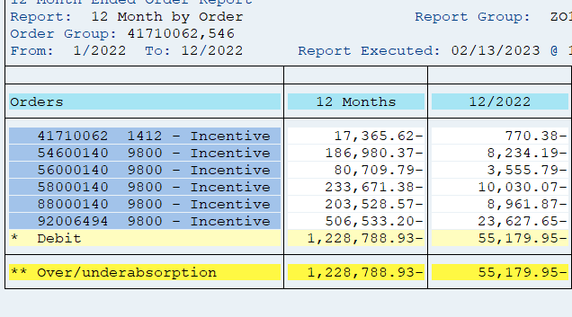
 |  | Test Year Utilities Incentives Manual Clearing
 |  |  |  |  | Allocation of Common
 |  | Total | Less | Use in | Electric | Gas | Total
 |  |  | Non-Utility | Adjustment | 72.77% | 27.23%
 | Electric | (501,362) |  | (501,362) | (368,604) |  | (869,966)
 | Gas | (203,529) |  | (203,529) |  | (137,929) | (341,458)
 | Common | (506,533) |  | (506,533) | 368,604 | 137,929 | -
 | Total Utility | (1,211,423) | - | (1,211,423) | - | - | (1,211,423)
 | Add Non-Utility, 41710062 - Common | (17,366) | 17,366 | - |  |  | -
 | Total Utility plus non Utility | (1,228,789) | 17,366 | (1,211,423) | - | - | (1,211,423)

 | From the Incentive Pay Overhead Analysis report | (1,228,789)
 | The difference | -

PR Taxes
 |  |  |  |  |  | https://www.irs.gov/taxtopics/tc751

PUGET SOUND ENERGY
SUMMARY OF IMPACT OF INCENTIVE ADJUSTMENT ON PAYROLL TAXES |  |  |  |  | 6.20%
FOR THE TWELVE MONTHS ENDED DECEMBER 31, 2022 |  |  |  |  | 1.450%
 |  |  |  |  | 7.650%
 | Electric |  | Gas
 |  |  |  |  |  | https://www.irs.gov/taxtopics/tc759
 | Test |  | Test
Description | Year | Restated | Year | Restated
 |  |  |  |  | 0.60%

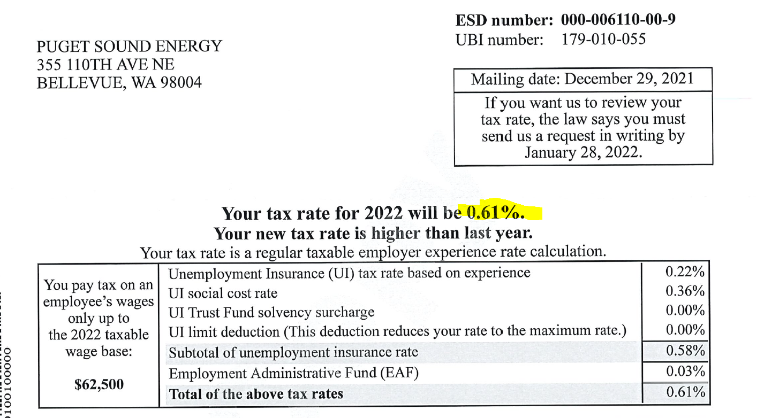
 | E |  | G
Incentive O&M | $9,499,438 | $6,891,287 | $3,538,697 | $2,742,113
Payroll Tax Rate | 8.86% | 8.86% | 8.86% | 8.86%
Payroll Taxes | 841,650 | 610,568 | 313,529 | 242,951

FICA | 7.65% |  |  |  | 0.61%
FUTA | 0.60%
SUTA (PSE) | 0.61%
Subtotal | 8.86%

