141X repurposed
Order | Cost Element | Offsetting acct no. | Purchasing Document | Val.in rep.cur. | Cost element name | Name of offsetting account | Name | Period
49500011 | 49500062 | 18609752 |  | 270,463 | Gas - Misc Revenue | PLR EDIT Gas | PLR EDIT Gas True-Up | 10
49500011 | 49500062 | 18230492 |  | 132,909 | Gas - Misc Revenue | PLR EDIT Gas | Sch 141X (Unbilled)-10/21 | 10
49500011 | 49500062 | 49500062 |  | (262,573) | Gas - Misc Revenue | Gas - Misc Revenue | Sch 141X (Billed)-10/21 | 10
49500011 | 49500062 | 18230492 |  | 302,611 | Gas - Misc Revenue | PLR EDIT Gas | Sch 141X reverse 9/21 unbilled | 10
49500011 | 49500062 | 18230492 |  | (132,909) | Gas - Misc Revenue | PLR EDIT Gas | Sch 141X (Unbilled)-10/21 | 11
49500011 | 49500062 | 18230042 |  | 268,200 | Gas - Misc Revenue | UG950288 DSM Tracker | Sch 141X (Billed)-11/21 | 11
49500011 | 49500062 | 18230042 |  | 158,613 | Gas - Misc Revenue | UG950288 DSM Tracker | Sch 141X (Unbilled)-11/21 | 11
49500011 | 49500062 | 18230042 |  | (158,613) | Gas - Misc Revenue | UG950288 DSM Tracker | Sch 141X (Unbilled)-11/21 | 12
49500011 | 49500062 | 18230042 |  | 265,456 | Gas - Misc Revenue | UG950288 DSM Tracker | Sch 141X (Unbilled)-12/21 | 12
49500011 | 49500062 | 18230042 |  | 373,552 | Gas - Misc Revenue | UG950288 DSM Tracker | Sch 141X (Billed)-12/21 | 12
49500011 |  |  |  | 1,217,710

49500011 |  |  |  | 947,246

Cleared/open items symbol | Assignment | Document Number | Business Area | Document Type | Document Date | Posting Key | Amount in local currency | Local Currency
 | 20211029 | 100193456 |  | SA | 2021-10-29 | 40 | 4,095,267 | USD
 | 20211031 | 100195272 |  | SA | 2021-11-02 | 40 | 262,573 | USD
 | 20211031 | 100195272 |  | SA | 2021-11-02 | 50 | (302,611) | USD
 | 20211031 | 9800002151 |  | Z3 | 2021-11-02 | 50 | (132,909) | USD
 | 20211031 | 9800002249 |  | Z4 | 2021-11-02 | 40 | 132,909 | USD
 | 20211130 | 100213679 |  | SA | 2021-12-02 | 50 | (268,200) | USD
 | 20211130 | 9800002361 |  | Z3 | 2021-12-02 | 50 | (158,613) | USD
 | 20211130 | 9800002457 |  | Z4 | 2021-12-02 | 40 | 158,613 | USD
 | 20211231 | 100233396 |  | SA | 2022-01-04 | 50 | (373,552) | USD
 | 20211231 | 9800002576 |  | Z3 | 2022-01-04 | 50 | (265,456) | USD
@01\QPosted@ |  |  |  |  |  |  | 3,148,021 | USD
Account 18230492 |  |  |  |  |  |  | 3,148,021 | USD
 |  |  |  |  |  |  | 3,148,021 | USD
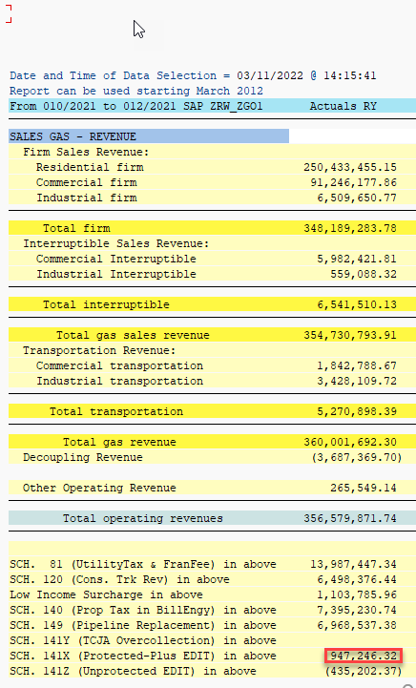
 |  |  |  |  |  | OCT - DEC | (947,246)

Schedule 129
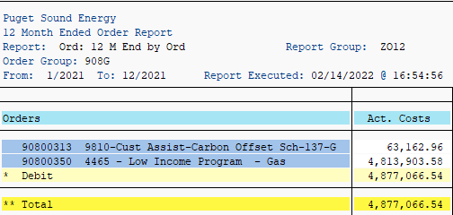
90800350 4465 - Low Income Program - Gas | 4,813,903.58

Schedule 120
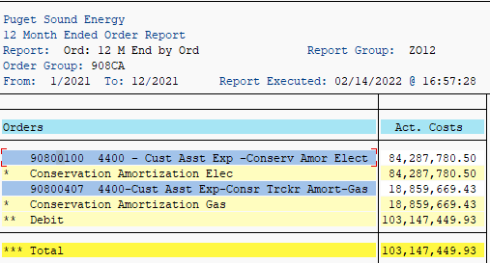
90800407 4400-Cust Asst Exp-Consr Trckr Amort-Gas | 18,859,669.43

Schedule 140
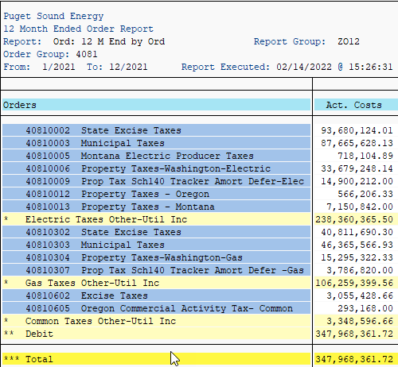
40810304 Property Taxes-Washington-Gas | 15,295,322.33
40810307 Prop Tax Sch140 Tracker Amort Defer -Gas | 3,786,820.00
 | 19,082,142.33

Schedule 106
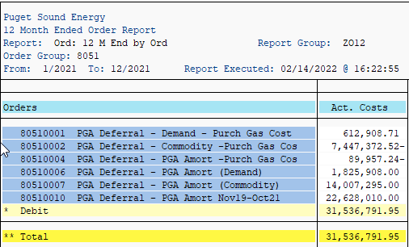
ZRW_ZO12
Order Group 8051 |  |  | 2021
 | 80510001 | PGA Deferral - Demand - Purch Gas Cost | 612,909
 | 80510002 | PGA Deferral - Commodity -Purch Gas Cos | (7,447,373)
 | 80510004 | PGA Deferral - PGA Amort -Purch Gas Cos | (89,957)
 | 80510006 | PGA Deferral - PGA Amort (Demand) | 1,825,908
 | 80510007 | PGA Deferral - PGA Amort (Commodity) | 14,007,295
 | 80510009 | PGA Deferral – PGA Amort May19-May20
 | 80510010 | PGA Deferral - PGA Amort Nov19-Oct21 | 22,628,010
 |  |  | 38,371,256

SC 137 Carb Offset
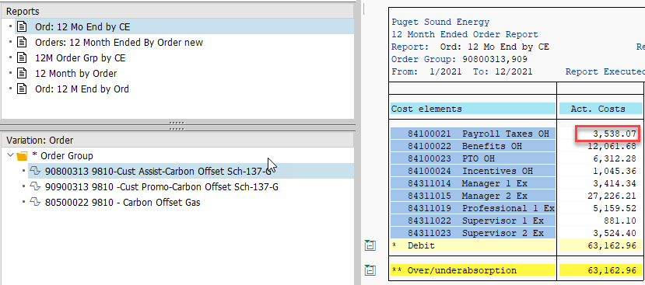
 |  | Total Billed Amount Incl Tax
 | Statistical Rate | GSC_137 | GSR_137 | Overall Result
 |  | Carbon Offset Optional Rider | Carbon Offset Optional Rider
Division | Fiscal year/period | $ | $ | $
Gas | Result | 53,095.52 | 950,576.00 | 1,003,671.52
 | 001/2021 | 2,467.30 | 66,406.62 | 68,873.92
 | 002/2021 | 2,504.00 | 68,955.13 | 71,459.13
 | 003/2021 | 2,503.00 | 71,251.55 | 73,754.55
 | 004/2021 | 2,665.15 | 73,175.31 | 75,840.46
 | 005/2021 | 2,667.00 | 74,639.98 | 77,306.98
 | 006/2021 | 3,121.20 | 76,505.52 | 79,626.72
 | 007/2021 | 6,200.40 | 81,343.56 | 87,543.96
 | 008/2021 | 6,125.90 | 82,620.37 | 88,746.27
 | 009/2021 | 6,152.49 | 85,623.95 | 91,776.44
 | 010/2021 | 6,197.40 | 87,747.46 | 93,944.86
 | 011/2021 | 6,234.70 | 90,395.00 | 96,629.70
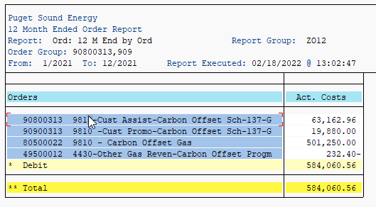
 | 012/2021 | 6,256.98 | 91,911.55 | 98,168.53

49500012 4430-Other Gas Reven-Carbon Offset Progm |  |  | OOR |  | -232.4

90900313 9810 -Cust Promo-Carbon Offset Sch-137-G |  |  | 90900313 CUST SERV |  | 19,880
80500022 9810 - Carbon Offset Gas |  |  | PGA |  | 501,250

90800313 9810-Cust Assist-Carbon Offset Sch-137-G |  |  | 90800313 A&G | 63,163 | 12,062
90800313 9810-Cust Assist-Carbon Offset Sch-137-G |  |  | 90800313 PTAX |  | 3,538
90800313 9810-Cust Assist-Carbon Offset Sch-137-G |  |  | 90800313 CUST SERV |  | 47,563

SOGE Muni Tax
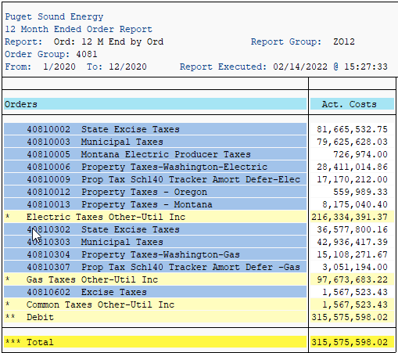
Query Technical Name | ZB_ZUCSAM02_Q028
Rate Category | SCH_016GR; SCH_023G; SCH_031GC; SCH_031GI; SCH_041GC; SCH_041GI; SCH_085GTC; SCH_085GTI; SCH_086GC; SCH_086GTI; SCH_085GC; SCH_085GI; SCH_086GI; SCH_086GTC; SCH_041GTC; SCH_041GTI; SCH_087GTI; SCH_087GC; SCH_099GT; SCH_087GTC; SCH_031GTC
Statistical Rate | GSC_FFSTAT; GSR_FFSTAT; GST_FFSTAT; GSU_FFSTAT

 |  |  |  | Total Billed Amount Incl Tax
 |  |  | Fiscal year/period | 001/2021 | 002/2021 | 003/2021 | 004/2021 | 005/2021 | 006/2021 | 007/2021 | 008/2021 | 009/2021 | 010/2021 | 011/2021 | 012/2021 | Overall Result
Division | Rate Category |  | Statistical Rate | $ | $ | $ | $ | $ | $ | $ | $ | $ | $ | $ | $ | $
Gas | Result |  |  | 5,935,676.05 | 6,370,865.07 | 5,980,382.25 | 4,845,157.54 | 3,065,058.90 | 2,538,496.68 | 1,887,817.35 | 1,753,235.43 | 1,967,858.19 | 2,936,176.87 | 4,791,054.74 | 6,260,215.73 | 48,331,994.80 | 40810303 Municipal Taxes | 46,365,566.93
 | SCH_016GR | Natural Gas Lighting Service | GSU_FFSTAT | 21.31 | 26.75 | 24.03 | 24.03 | 24.04 | 24.05 | 24.05 | 24.05 | 24.07 | 24.17 | 25.11 | 0.03 | 265.69
 | SCH_023G | Natural Gas Residential General Service | GSR_FFSTAT | 4,072,267.18 | 4,216,869.31 | 3,973,604.48 | 3,113,475.47 | 1,890,011.35 | 1,474,534.92 | 1,059,171.02 | 960,479.80 | 1,100,470.10 | 1,819,282.85 | 2,986,596.26 | 4,203,728.42 | 30,870,491.16
 | SCH_031GC | Natural Gas Commercial General Service | GSC_FFSTAT | 1,413,844.22 | 1,473,378.40 | 1,510,683.00 | 1,211,210.31 | 771,252.34 | 669,913.88 | 514,296.47 | 483,074.36 | 549,630.24 | 743,903.86 | 1,175,116.77 | 1,592,138.31 | 12,108,442.16
 | SCH_031GI | Natural Gas Industrial General Service | GSC_FFSTAT | 93,570.51 | 97,188.95 | 97,218.20 | 74,021.13 | 39,837.42 | 38,049.79 | 23,795.95 | 22,630.65 | 26,385.38 | 40,144.66 | 70,404.43 | 100,365.15 | 723,612.22
 | SCH_031GTC | NGDS Transportation Service Firm Com | GST_FFSTAT |  | 300.21 |  | 140.75 | 106.17 | 100.12 | 88.40 | 87.68 | 91.71 | 98.40 | 308.85 |  | 1,322.29
 | SCH_041GC | Natural Gas Large Vol. High Load Factor | GSC_FFSTAT | 201,145.61 | 225,914.31 | 236,436.30 | 200,304.14 | 149,873.34 | 145,129.74 | 108,950.77 | 109,305.99 | 114,874.61 | 139,375.40 | 192,638.71 | 236,538.03 | 2,060,486.95
 | SCH_041GI | Natural Gas Large Vol. High Load Factor | GSC_FFSTAT | 25,958.04 | 27,591.87 | 33,819.04 | 28,464.13 | 26,505.28 | 28,342.07 | 21,986.36 | 23,329.06 | 24,276.17 | 23,982.19 | 28,187.14 | 33,983.66 | 326,425.01
 | SCH_041GTC | NGDS Transportation Service Firm LVHLF | GST_FFSTAT | 3,370.16 | 21,175.26 | 2,773.13 | 12,161.08 | 11,726.32 | 12,672.61 | 11,332.98 | 10,574.33 | 10,808.93 | 11,028.93 | 22,918.19 | 1,394.27 | 131,936.19
 | SCH_041GTI | NGDS Transportation Service Firm LVHLF | GST_FFSTAT | 2,057.75 | 10,702.22 | 1,228.01 | 5,726.92 | 5,927.47 | 6,204.34 | 6,115.09 | 6,090.14 | 6,261.73 | 6,136.41 | 11,941.34 | 1,617.76 | 70,009.18
 | SCH_085GC | Natural Gas Inter Service w/ Firm Option | GSC_FFSTAT | 38,980.23 | 28,972.11 | 45,658.97 | 34,651.68 | 30,682.08 | 25,554.71 | 21,198.46 | 19,778.93 | 21,046.44 | 26,096.33 | 35,351.90 | 37,468.95 | 365,440.79
 | SCH_085GI | Natural Gas Inter Service w/ Firm Option | GSC_FFSTAT | 6,795.43 | 5,363.72 | 21,153.49 | 11,867.30 | 11,220.23 | 8,968.59 | 10,003.86 | 9,752.68 | 9,066.43 | 11,091.72 | 10,482.59 | 10,981.90 | 126,747.94
 | SCH_085GTC | NGDS Trans Service Inter. w/ Firm Option | GST_FFSTAT | 6,530.24 | 22,555.40 | 1,793.11 | 12,332.23 | 10,820.27 | 11,693.71 | 10,398.76 | 10,345.12 | 10,418.04 | 10,777.12 | 22,806.51 | 1,010.66 | 131,481.17
 | SCH_085GTI | NGDS Trans Service Inter. w/ Firm Option | GST_FFSTAT | 14,366.22 | 46,714.26 | 7,541.86 | 28,736.20 | 27,261.42 | 25,500.43 | 26,301.01 | 25,701.50 | 26,425.60 | 26,138.86 | 54,510.37 | 5,961.01 | 315,158.74
 | SCH_086GC | Nat Gas Limit Inter Serv w/ Firm Option | GSC_FFSTAT | 26,085.96 | 21,367.27 | 28,922.95 | 22,542.84 | 15,218.29 | 12,933.83 | 9,310.41 | 5,700.75 | 7,097.00 | 10,316.81 | 17,698.89 | 25,145.31 | 202,340.31
 | SCH_086GI | Nat Gas Limit Inter Serv w/ Firm Option | GSC_FFSTAT | 462.30 | 408.95 | 492.14 | 371.07 | 305.31 | 709.74 | 251.14 | 234.53 | 280.99 | 353.02 | 388.76 | 558.62 | 4,816.57
 | SCH_086GTC | NGDS Trans Service Limited Inter w/ Firm | GST_FFSTAT | 274.68 | 287.19 | 285.89 | 281.61 | 233.14 | 224.15 | 189.80 | 192.12 | 189.10 | 195.38 | 500.59 |  | 2,853.65
 | SCH_086GTI | NGDS Trans Service Limited Inter w/ Firm | GST_FFSTAT | 939.20 | 1,762.57 | 385.01 | 1,170.31 | 1,013.29 | 945.77 | 1,041.90 | 522.34 | 1,370.05 | 1,035.46 | 1,773.47 | 429.59 | 12,388.96
 | SCH_087GC | Nat Gas Non-Ex Inter Serv w/ Firm Option | GSC_FFSTAT | 0.00 | 100,131.45 | 12,596.34 | 49,081.93 | 35,846.11 | 40,568.70 | 29,001.56 | 28,915.38 | 29,222.15 | 29,054.51 | 90,171.23 | 5,251.86 | 449,841.22
 | SCH_087GTC | NGDS Trans Serv Non-Excl Inter w/ Firm | GST_FFSTAT | 840.39 | 7,895.49 | 812.25 | 4,225.69 | 3,694.48 | 3,513.37 | 3,149.38 | 3,177.52 | 862.74 | 5,517.46 | 7,960.68 |  | 41,649.45
 | SCH_087GTI | NGDS Trans Serv Non-Excl Inter w/ Firm | GST_FFSTAT | 18,368.50 | 43,580.01 | 4,037.28 | 24,710.67 | 24,715.21 | 24,794.25 | 23,511.94 | 25,710.05 | 21,438.91 | 23,834.95 | 47,015.10 |  | 281,716.87
 | SCH_099GT | NGDS Transportation Service Special | GST_FFSTAT | 9,798.12 | 18,679.37 | 916.77 | 9,658.05 | 8,785.34 | 8,117.91 | 7,698.04 | 7,608.45 | 7,617.80 | 7,788.38 | 14,257.85 | 3,642.20 | 104,568.28

ZO12 Decoup
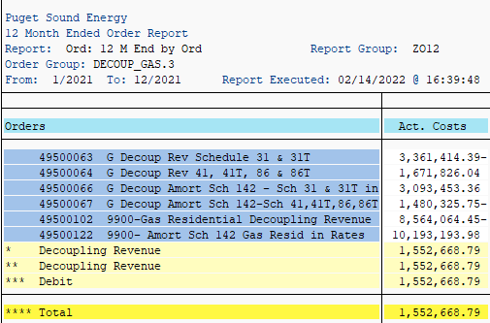
ZO12 Orders: Actual 12 Month Ended
Date: 01/21/2021
Pages: 3
Requested by: JDIMAS

Orders | Act. Costs
49500063 G Decoup Rev Schedule 31 & 31T | 3,361,414.39-
49500064 G Decoup Rev 41, 41T, 86 & 86T | 1,671,826.04
49500066 G Decoup Amort Sch 142 - Sch 31 & 31T in | 3,093,453.36
49500067 G Decoup Amort Sch 142-Sch 41,41T,86,86T | 1,480,325.75-
49500102 9900-Gas Residential Decoupling Revenue | 8,564,064.45-
49500122 9900- Amort Sch 142 Gas Resid in Rates | 10,193,193.98
* Decoupling Revenue | 1,552,668.79
** Decoupling Revenue | 1,552,668.79
*** Debit | 1,552,668.79
**** Total | 1,552,668.79
 | 11,806,321.59

Conversion Factor Before FIT | 0.954553

Decoupling Revenue | (12,368,429.61)

