O&M & Expense Data
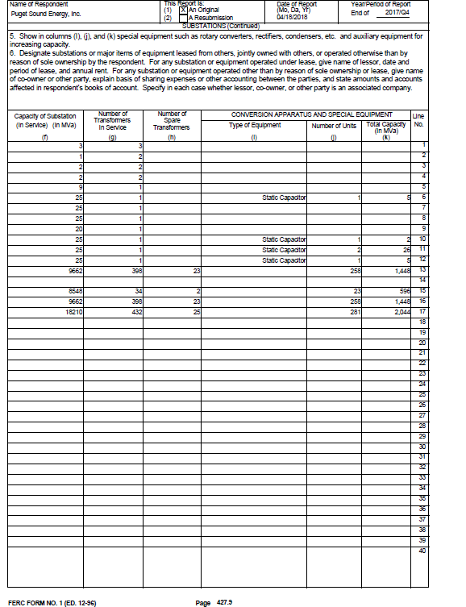
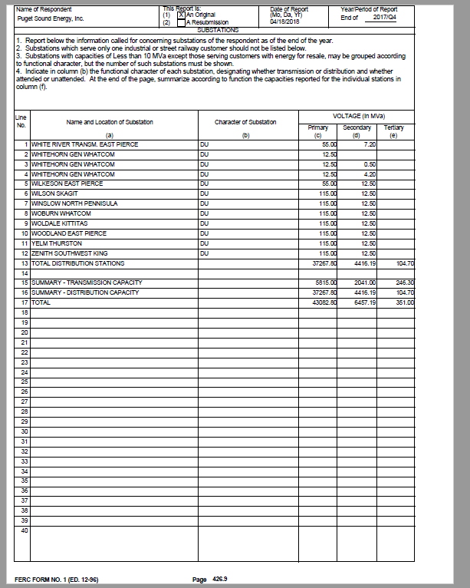
Puget Sound Energy |  | Puget Sound Energy |  | Puget Sound Energy
Distribution O&M Expense |  | Distribution Substation Capacity |  | Operating Expenses
Source: UE-180282 |  | Source: FERC Form 1, YE 2016 |  | Source: UE-180282
Compliance Cost of Service Report |  | p 426.9-427.9 |  | Compliance Cost of Service Report

FERC Account |  | Total Distribution Capacity (MVA) | 9,662
580 | $1,057,333 |  |  | Production O&M - Steam | $130,625,454
581 | $3,035,354 |  |  | Production O&M - Hydro | $15,436,638
582 | $1,492,885 |  |  | Production O&M - Other | $233,167,840
583 | $3,558,290 |  |  | Other Power Supply | $390,728,000
584 | $2,731,426 |  |  | Transmission O&M | $128,743,312
585 | $544,795 |  |  | Distribution O&M | $83,453,081
586 | ($874,752) |  |  | Customer Accounting | $42,357,336
587 | $4,619,596 |  |  | Customer Service | $2,140,288
588 | $4,895,329 |  |  | Sales | $285,769
589 | $1,007,981 |  |  | Subtotal | $1,026,937,718
Subtotal Operating | $22,068,236 |  |  | Remove:
 |  |  |  | Fuel - Steam (FERC 501) | ($69,962,949)
590 | $0 |  |  | Fuel - Other (FERC 547) | ($171,115,374)
591 | $0 |  |  | Other Power Supply | ($390,728,000)
592 | $1,606,369 |  |  | Wheeling (FERC 565) | ($108,374,278)
593 | $40,427,144 |  |  | Conservation Amortization (FERC 908.1) | ($26,210)
594 | $16,035,169 |  |  | Total O&M for A&G Calculation | $286,730,906
595 | $255,788
596 | $2,559,356 |  |  | Administrative and General | $103,875,176
597 | $501,020 |  |  | % A&G to O&M | 36%
598 | $0
Total Maintenance | $61,384,845
 |  |  |  | Total Operating & Maintenance Expens | $1,130,812,894
Total Distribution Expense | $83,453,081

Subtotal 581-587 | $15,107,594
Subtotal 591-597 | $61,384,845
Total Direct O&M | $76,492,438

