Report 2021
Puget Sound Energy
2021 Incentive Pay Overhead Analysis

 | (a) | (b) | ( c ) | (d) |  | (e) | (f) |  | (g) | (h) | (i) | (j) | (k) | (k)
 |  |  |  |  |  |  | (b+c+d+e) |  |  |  | [1] |  | [1]
 |  |  |  |  |  |  |  |  |  | Manual Clearing O&M: | Incentive | Manual CNS | Incentive
 | Monthly | Accrued | Monthly | Monthly |  | Prior Year | Total |  | Cumulative | 546 - 56000140 | Split to | to Acct | Split to
 | Incentive | Costs - JR 142 | Incentive OH | Incentive |  | Accrued, Payout | Monthly |  | Incentive Pay | 580 - 88000140 | O&M | 60230010 | CNS
 | Overhead | Jackson Prairie | Credit Order | True Up |  | & True Up | Activity |  | Liability | 92006494;41710062 | Approx | 1150 | Approx
 | Rate | Ord 151920100 | 23290040 | GL 23200483 |  | Order 23200483 | GL 23200483 |  | 23200483 | Acct 60230010 | Rate | 10790090 | Rate

December, 2020 |  |  |  |  |  | (13,940,113.25) |  |  | (13,940,113.25)
2021-01-01 | 2.6% | (3,785.00) | (531,772.21) | - |  |  | (535,557.21) |  | (14,475,670.46) | - |  | -
2021-02-01 | 2.6% | (3,785.00) | (563,709.39) | - |  |  | (567,494.39) |  | (15,043,164.85) | - |  | -
2021-03-01 | 2.6% | (12,521.00) | (695,141.57) | 755,799.00 |  | 13,317,519.66 | 13,365,656.09 |  | (1,677,508.76) | (376,845.07) | 49.86% | (378,953.93) | 50.14%
2021-04-01 | 2.6% | (6,697.00) | (613,793.53) | 204,087.64 |  | - | (416,402.89) |  | (2,093,911.65) | (100,314.06) | 49.15% | (103,773.58) | 50.85%
2021-05-01 | 2.6% | (6,697.00) | (587,130.30) | 93,482.88 |  | - | (500,344.42) |  | (2,594,256.07) | (46,182.18) | 49.40% | (47,300.70) | 50.60%
2021-06-01 | 2.6% | (6,697.00) | (620,692.77) | 10,083.66 |  |  | (617,306.11) |  | (3,211,562.18) | (4,961.52) | 49.20% | (5,122.14) | 50.80%
2021-07-01 | 2.6% | (6,697.00) | (592,546.09) | 59,287.47 |  |  | (539,955.62) |  | (3,751,517.80) | (29,090.66) | 49.07% | (30,196.81) | 50.93%
2021-08-01 | 2.6% | (6,697.00) | (605,869.51) | (535,090.74) |  |  | (1,147,657.25) | (1,147,657.25) | (4,899,175.05) | 262,241.54 | 49.01% | 272,849.20 | 50.99%
2021-09-01 | 2.6% | (6,697.00) | (590,120.69) | 20,251.20 |  |  | (576,566.49) | (576,566.49) | (5,475,741.54) | (9,925.62) | 49.01% | (10,325.58) | 50.99%
2021-10-01 | 2.6% | (6,697.00) | (616,928.28) | 234,638.15 |  |  | (388,987.13) | (388,987.13) | (5,864,728.67) | (114,479.06) | 48.79% | (120,159.09) | 51.21%
2021-11-01 | 2.6% | (6,697.00) | (729,499.55) | 917,723.87 |  |  | 181,527.32 | 181,527.32 | (5,683,201.35) | (456,760.07) | 49.77% | (460,963.80) | 50.23%
2021-12-01 | 2.6% | (6,697.00) | (455,424.19) | (11,023,316.84) |  |  | (11,485,438.03) | (11,485,438.03) | (17,168,639.38) | 5,368,675.18 | 48.70% | 5,654,641.66 | 51.30%
A1(A) B1 (A) C1 (A) D1(D) D1 (A) D1 (C) E1(A) E1(B)
 |  |  |  |  |  |  |  |  |  |  |  |  |  |  | $(516,443.71) | 132021.88

 |  | $(80,364.00) | $(7,202,628.08) | $(9,263,053.71) | $- | $13,317,519.66 | $(3,228,526.13) |  |  | $4,492,358.48 |  | $4,770,695.23

 |  | [1] |  | Incentive true up split between O&M and CNS; the rate calculations are based on the net sum of adjustments during the month.

 |  |  | 16,800,427.00 | <= 2021 Actual Incentive

 |  |  | Total Incentives | 16,927,458
 |  |  | Jackson Prairie | 90,255
 |  |  | PLNG | 36,776
 |  |  | Total Incentives in the Adjustment | 16,800,427

Manual Clearing
ZO12 Orders: Actual 12 Month Ended
Date: 02/07/2022 |  |  |  |  |  |  |  |  |  |  |  |  |  |  | 41710062 | 1412 - Incentive Clearing - Common
 | Total Test Year Incentive Manual Clearing |  |  |  |  |  |  |  |  |  |  |  |  |  | 54600140 | 9800 - Incentive Clearing - Electric
 |  |  |  |  |  |  |  |  |  |  |  |  |  |  | 56000140 | 9800 - Incentive Clearing - Electric
 |  |  |  |  |  |  |  |  |  |  |  |  |  |  | 58000140 | 9800 - Incentive Clearing - Electric
 | New Orders Beginning Jan 2017 |  |  |  |  |  |  |  |  |  |  |  |  |  | 88000140 | 9800 - Incentive Clearing - Gas
 | Orders | 12 Months | Dec-21 | Nov-21 | Oct-21 | Sep-21 | Aug-21 | Jul-21 | Jun-21 | May-21 | Apr-21 | Mar-21 | Feb-21 | Jan-21 | 92006494 | 9800 - Incentive Clearing - Common
 | 41710062 1412 - Incentive Clearing - Common | 60,493 | 72,564 | (5,878) | (1,522) | (130) | 3,393 | (379) | (66) | (627) | (1,423) | (5,440) | - | -
 | 54600140 9800 - Incentive Clearing - Electric | 733,706 | 866,974 | (70,829) | (18,642) | (1,614) | 42,798 | (4,746) | (808) | (7,496) | (16,099) | (55,832) | - | -
 | 56000140 9800 - Incentive Clearing - Electric | 309,362 | 366,616 | (29,625) | (7,762) | (670) | 17,609 | (1,941) | (331) | (3,052) | (6,643) | (24,839) | - | -
 | 58000140 9800 - Incentive Clearing - Electric | 845,880 | 1,006,145 | (81,045) | (21,055) | (1,854) | 47,819 | (5,298) | (923) | (8,533) | (18,990) | (70,386) | - | -
 | 88000140 9800 - Incentive Clearing - Gas | 769,987 | 916,276 | (74,021) | (19,307) | (1,670) | 44,632 | (4,984) | (851) | (8,041) | (17,633) | (64,416) | - | -
 | 92006494 9800 - Incentive Clearing - Common | 1,772,930 | 2,140,100 | (195,364) | (46,192) | (3,988) | 105,991 | (11,742) | (1,983) | (18,433) | (39,526) | (155,933) | - | -
 | Debit | 4,492,358.48 | 5,368,675.18 | (456,760.07) | (114,479.06) | (9,925.62) | 262,241.54 | (29,090.66) | (4,961.52) | (46,182.18) | (100,314.06) | (376,845) | - | -

 | Total 12ME Dec 2021 | 4,492,358.48 | 5,368,675.18 | (456,760.07) | (114,479.06) | (9,925.62) | 262,241.54 | (29,090.66) | (4,961.52) | (46,182.18) | (100,314.06) | (376,845.07) | - | -
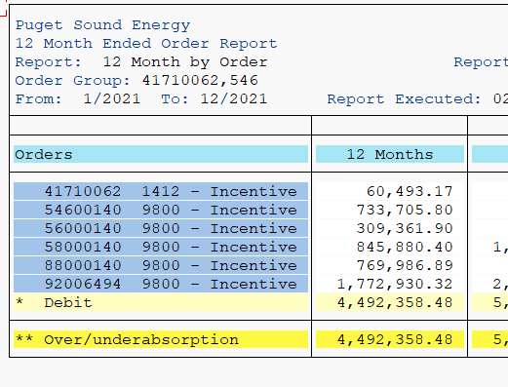
 |  | Test Year Utilities Incentives Manual Clearing
 |  |  |  |  | Allocation of Common
 |  | Total | Less | Use in | Electric | Gas | Total
 |  |  | Non-Utility | Adjustment | 72.48% | 27.52%
 | Electric | 1,888,948 |  | 1,888,948 | 1,285,020 |  | 3,173,968
 | Gas | 769,987 |  | 769,987 |  | 487,910 | 1,257,897
 | Common | 1,772,930 |  | 1,772,930 | (1,285,020) | (487,910) | -
 | Total Utility | 4,431,865 | - | 4,431,865 | - | - | 4,431,865
 | Add Non-Utility, 41710062 - Common | 60,493 | (60,493) | - |  |  | -
 | Total Utility plus non Utility | 4,492,358 | (60,493) | 4,431,865 | - | - | 4,431,865

 | From the Incentive Pay Overhead Analysis report | 4,492,358
 | The difference | -

PR Taxes
 |  |  |  |  |  | https://www.irs.gov/taxtopics/tc751

PUGET SOUND ENERGY
SUMMARY OF IMPACT OF INCENTIVE ADJUSTMENT ON PAYROLL TAXES |  |  |  |  | 6.20%
FOR THE TWELVE MONTHS ENDED DECEMBER 31, 2021 |  |  |  |  | 1.450%
 |  |  |  |  | 7.650%
 | Electric |  | Gas
 |  |  |  |  |  | https://www.irs.gov/taxtopics/tc759
 | Test |  | Test
Description | Year | Restated | Year | Restated
 |  |  |  |  | 0.60%
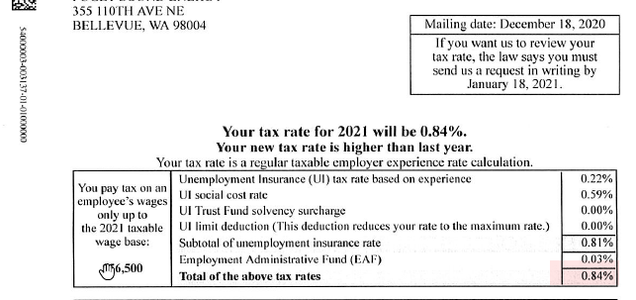
 | E |  | G
Incentive O&M | $5,692,236 | $6,796,225 | $2,214,061 | $2,864,862
Payroll Tax Rate | 9.09% | 9.09% | 9.09% | 9.09%
Payroll Taxes | 517,424 | 617,777 | 201,258 | 260,416

FICA | 7.65% |  |  |  | 0.84%
FUTA | 0.60%
SUTA (PSE) | 0.84%
Subtotal | 9.09%

