CPI
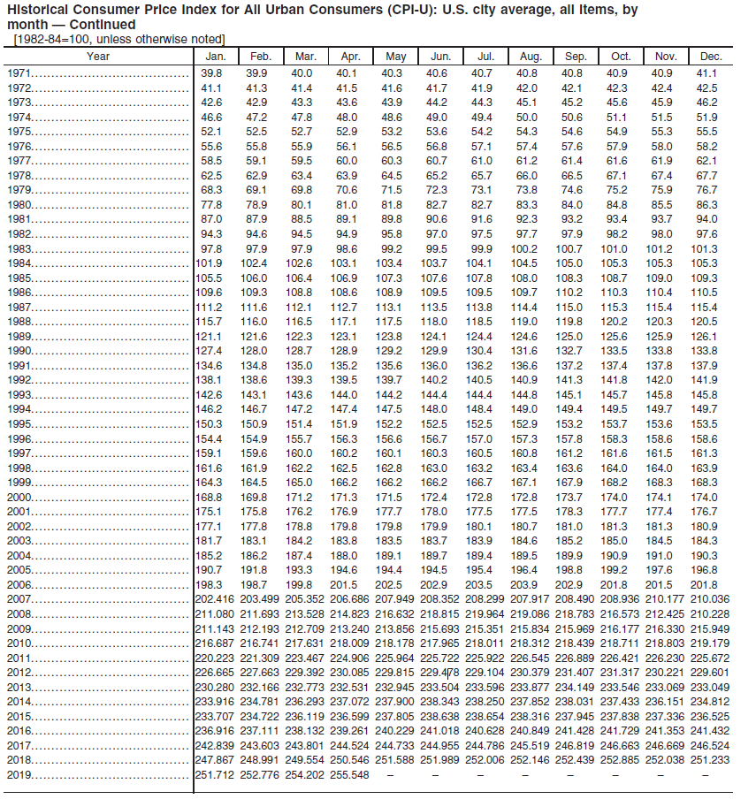
 | CPI
May-09 | 213.856
May-19 | 255.548
Annualized Growth Rate | 1.80%

