EMS
Level 3 | Level 3 Description | Level 4 | Level 4 Description | Order | Order Description | Secondary Description | Treatment | Status | Rate | 2019-01-31 | 2019-02-28 | 2019-03-31 | 2019-04-30 | 2019-05-31 | 2019-06-30 | 2019-01-31 | 2019-02-28 | 2019-03-31 | 2019-04-30 | 2019-05-31 | 2019-06-30 | 2019-01-31 | 2019-02-28 | 2019-03-31 | 2019-04-30 | 2019-05-31 | 2019-06-30
F.10015.02.03 | EMS 3.X UPGRADE | F.10015.02.03.01 | EMS 3X Upgrade |  | EMS 3.X UPGRADE SW.CS.3YR-ENHANCEMent |  | Post TY Actual | In Service 2/26/2019 | 33% |  | 8,783,028.51 | 8,954,062.88 | 8,982,587.88 |  |  |  | 121,986.52 | 246,381.91 | 249,516.33 | 246,381.91 | 246,381.91 |  | (121,986.52) | (368,368.43) | (617,884.76) | (864,266.67) | (1,110,648.58)
F.10015.02.03 | EMS 3.X UPGRADE | F.10015.02.03.01 | EMS 3X Upgrade | 141004007 | EMS 3X Upgrade HW.CE |  | Post TY Actual | In Service 2/26/2019 | 20% |  | 659,229.38 | 675,504.97 | 676,528.97 |  |  |  | 5,493.58 | 11,122.79 | 11,275.48 | 11,275.48 | 11,275.48 |  | (5,493.58) | (16,616.36) | (27,891.85) | (39,167.33) | (50,442.81)
 |  |  |  |  |  |  |  |  |  |  | 9,442,257.89 | 9,629,567.85 | 9,659,116.85 |  |  |  | 127,480.10 | 257,504.70 | 260,791.81 | 257,657.39 | 257,657.39 |  | (127,480.10) | (384,984.79) | (645,776.61) | (903,434.00) | (1,161,091.39)

Blended Rate for the project |  |  |  |  |  |  |  |  |  | 141004181 | Provided by PA | Provided by PA | From SAP | 216,858.96
 | Total thru April | Depr.Rate | Annual | Blended Rate |  |  |  |  |  | 141004007 |  |  | 28,525.00
141004181 | 8,982,587.88 | 33% | 2,994,196 |  |  |  |  |  |  |  |  |  | 1,024.00
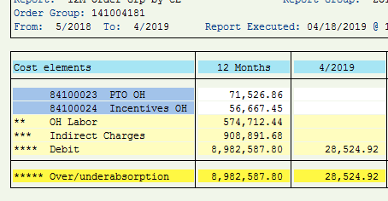
141004007 | 676,528.97 | 20% | 135,306 |  |  |  |  |  |  |  |  |  |  |  |  |  |  |  |  |  |  | AFUDC Debt | AFUDC Equity
 | 9,659,116.85 |  | 3,129,502 | 32.40% |  |  |  |  |  |  |  |  |  |  |  |  |  | Charges thru Feb per PA | 9,442,257.89 |  | 2018-05-29 | 31,926.41 | 37,064.93
 |  |  |  |  |  |  |  |  |  |  |  |  |  |  |  |  |  | AFUDC thru Feb in SAP | 333,413.83 |  | 2018-05-31 | 4,144.99 | 2,923.88
 |  |  |  |  |  |  |  |  |  |  |  |  |  |  |  |  |  | Charges thru Feb minus AFUDC | 9,108,844.06 |  | 2018-06-30 | 9,243.45 | 11,519.59
 |  |  |  |  |  |  |  |  |  |  |  |  |  |  |  |  |  |  |  |  | 2018-07-31 | 10,724.94 | 16,564.82
 |  |  |  |  |  |  |  |  |  |  |  |  |  |  |  |  |  |  |  |  | 2018-08-31 | 11,581.08 | 17,108.52
 |  |  |  |  |  |  |  |  |  |  |  |  |  |  |  |  |  | AFUDC Debt | 159,859.91 |  | 2018-09-30 | 12,832.83 | 17,505.05
 |  |  |  |  |  |  |  |  |  |  |  |  |  |  |  |  |  | AFUDC Equity | 174,319.33 |  | 2018-10-31 | 14,370.59 | 17,125.54
 |  |  |  |  |  |  |  |  |  |  |  |  |  |  |  |  |  | Total AFUDC thru March | 334,179.24 |  | 2018-11-30 | 15,620.92 | 15,756.08
 |  |  |  |  |  |  |  |  |  |  |  |  |  |  |  |  |  |  |  |  | 2018-12-31 | 18,469.09 | 14,483.42
 |  |  |  |  |  |  |  |  |  |  |  |  |  |  |  |  |  |  |  |  | 2019-01-31 | 20,196.36 | 15,837.95
 |  |  |  |  |  |  |  |  |  |  |  |  |  |  |  |  |  |  | 9,448,146.00 |  | 2019-02-28 | 10,320.26 | 8,093.13
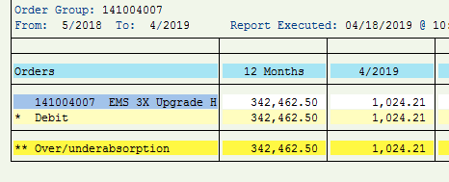
 |  |  |  |  |  |  |  |  |  |  |  |  |  |  |  |  |  |  | 5,888.11 |  |  | 159,430.92 | 173,982.91

