Depr Calc
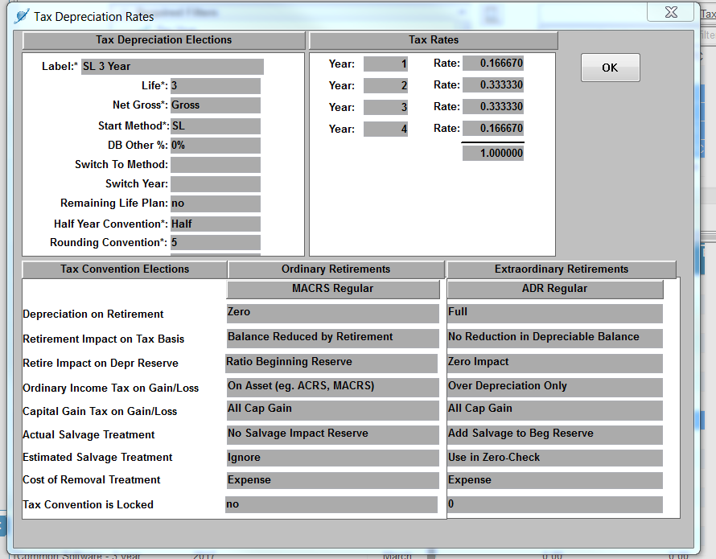
Provided by Rates Dept. (Susan)
ldg_work_order_number | depr_ | depr_group | retirement_unit | Year | Month | activity_cost | % | project
143002080 | C303 | C303 INT Misc Intangible Plant | Software CANNED | 2016 | 10 | 16,484,442 |  | EIM
143002134 | C3912 | C3912 CMN Computer Eq, new | Computer Equipment | 2017 | 3 | 113,665 |  | EIM
143002080 | E303 | E303 INT Misc Intangible Plant | Software CANNED | 2017 | 2 | 341,732 | 0.88% | EIM
143002080 | E303 | E303 INT Misc Intangible Plant | Software CANNED | 2017 | 4 | (2,042) | -0.01% | EIM
143002080 | E303 | E303 INT Misc Intangible Plant | Software CANNED | 2017 | 6 | 67,456 | 0.17% | EIM
143002080 | E303 | E303 INT Misc Intangible Plant | Software CANNED | 2017 | 8 | (15,018) | -0.04% | EIM
143002080 | E303 | E303 INT Misc Intangible Plant | Software CANNED | 2017 | 9 | 1,109 | 0.00% | EIM
143002080 | E303 | E303 INT Misc Intangible Plant | Software CANNED | 2017 | 10 | (961) | 0.00% | EIM

143002080 | E303 | E303 INT Misc Intangible Plant | Software CANNED | 2017 | 11 | (144) | 0.00% | EIM
 |  |  |  |  |  | 16,990,239

Tax Depreciation
 | Activity Cost | 2016 Year | 2017 Year | 2018 Year | Total
2016 Vintages | 16,484,442 | 9,615,952 | 2,747,380 | 2,747,380 | 15,110,711
2017 Vintages | 505,797 | - | 295,049 | 84,299 | 379,348
Total | 16,990,239 | 9,615,952 | 3,042,429 | 2,831,678 | 15,490,059 |  |  |  | Tax Depr rates (SL 3 w/ bonus)
 |  |  |  |  |  |  |  |  | 3-Years
Tax Depreciation as of 12/31/2018 |  | 9,615,952 | 3,042,429 | 2,831,678 | 15,490,059 |  |  |  | 16.667% | 50.000% | 8.334% | 58.334%
 |  |  |  |  |  |  |  |  | 33.333% |  | 16.667% | 16.667%
 |  |  |  |  |  |  |  |  | 33.333% |  | 16.667% | 16.667%
 |  |  |  |  |  |  |  |  | 16.667% |  | 8.334% | 8.334%
 |  |  |  |  |  |  |  |  | 100.000% | 50.000% | 50.000% | 100.000%

