7.9.2
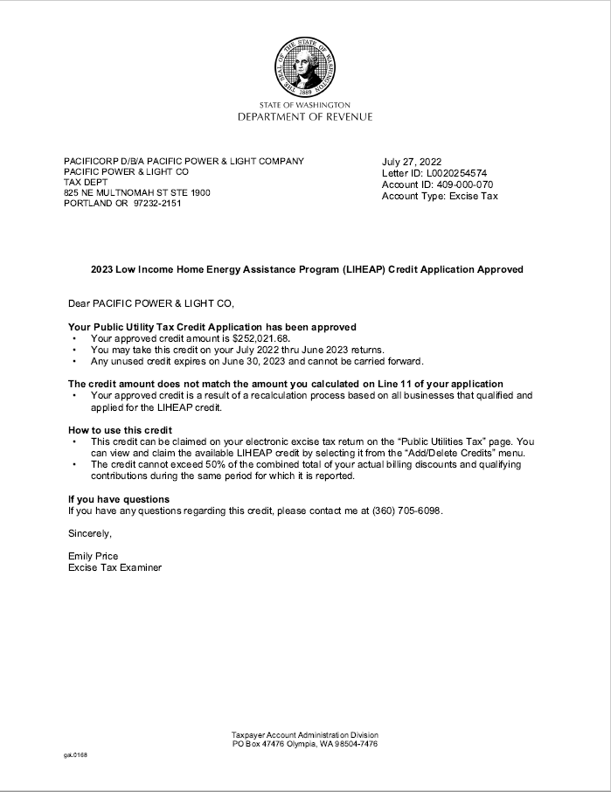
PacifiCorp | PAGE | 7.9.2
Washington 2023 General Rate Case
Washington Low Income Tax Credit

