Pub Util Tax
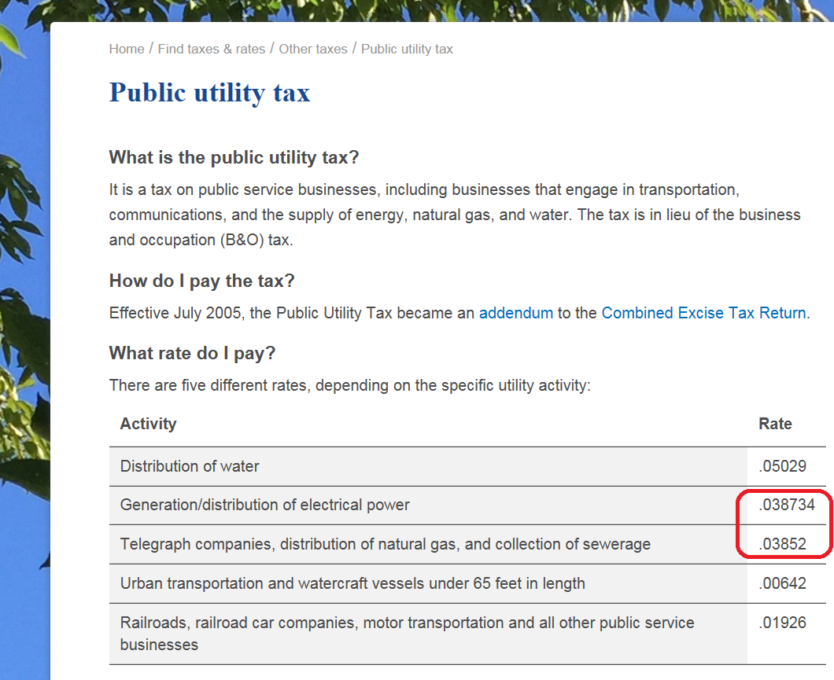
State Utility Tax
https://dor.wa.gov/find-taxes-rates/other-taxes/public-utility-tax
 | Electric | 0.038734
 | Gas | 0.038520

