Sch 135_136 GreenPwr
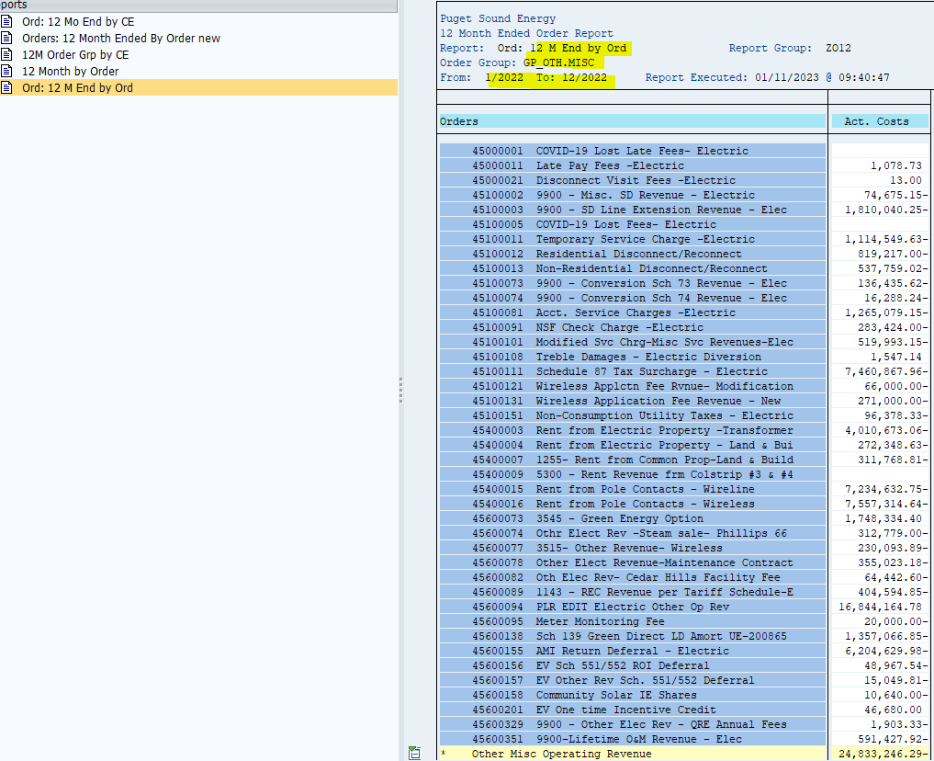
ZRW_ZO12 Report
Order Group : GP_OTH.MISC
12ME Dec 2022
Orders | Act. Costs
45000001 COVID-19 Lost Late Fees- Electric
45000011 Late Pay Fees -Electric | 1,078.73
45000021 Disconnect Visit Fees -Electric | 13.00
45100002 9900 - Misc. SD Revenue - Electric | (74,675.15)
45100003 9900 - SD Line Extension Revenue - Elec | (1,810,040.25)
45100005 COVID-19 Lost Fees- Electric
45100011 Temporary Service Charge -Electric | (1,114,549.63)
45100012 Residential Disconnect/Reconnect | (819,217.00)
45100013 Non-Residential Disconnect/Reconnect | (537,759.02)
45100073 9900 - Conversion Sch 73 Revenue - Elec | (136,435.62)
45100074 9900 - Conversion Sch 74 Revenue - Elec | (16,288.24)
45100081 Acct. Service Charges -Electric | (1,265,079.15)
45100091 NSF Check Charge -Electric | (283,424.00)
45100101 Modified Svc Chrg-Misc Svc Revenues-Elec | (519,993.15)
45100108 Treble Damages - Electric Diversion | 1,547.14
45100111 Schedule 87 Tax Surcharge - Electric | (7,460,867.96)
45100121 Wireless Applctn Fee Rvnue- Modification | (66,000.00)
45100131 Wireless Application Fee Revenue - New | (271,000.00)
45100151 Non-Consumption Utility Taxes - Electric | (96,378.33)
45400003 Rent from Electric Property -Transformer | (4,010,673.06)
45400004 Rent from Electric Property - Land & Bui | (272,348.63)
45400007 1255- Rent from Common Prop-Land & Build | (311,768.81)
45400009 5300 - Rent Revenue frm Colstrip #3 & #4
45400015 Rent from Pole Contacts - Wireline | (7,234,632.75)
45400016 Rent from Pole Contacts - Wireless | (7,557,314.64)
45600073 3545 - Green Energy Option | 1,748,334.40
45600074 Othr Elect Rev -Steam sale- Phillips 66 | (312,779.00)
45600077 3515- Other Revenue- Wireless | (230,093.89)
45600078 Other Elect Revenue-Maintenance Contract | (355,023.18)
45600082 Oth Elec Rev- Cedar Hills Facility Fee | (64,442.60)
45600089 1143 - REC Revenue per Tariff Schedule-E | (404,594.85)
45600094 PLR EDIT Electric Other Op Rev | 16,844,164.78
45600095 Meter Monitoring Fee | (20,000.00)
45600138 Sch 139 Green Direct LD Amort UE-200865 | (1,357,066.85)
45600155 AMI Return Deferral - Electric | (6,204,629.98)
45600156 EV Sch 551/552 ROI Deferral | (48,967.54)
45600157 EV Other Rev Sch. 551/552 Deferral | (15,049.81)
45600158 Community Solar IE Shares | (10,640.00)
45600201 EV One time Incentive Credit | 46,680.00
45600329 9900 - Other Elec Rev - QRE Annual Fees | (1,903.33)
45600351 9900-Lifetime O&M Revenue - Elec | (591,427.92)
* Other Misc Operating Revenue | (24,833,246.29)
** Other Misc Operating Revenue | (24,833,246.29)
*** Debit | (24,833,246.29)

Sch 140 PropertyTaxes
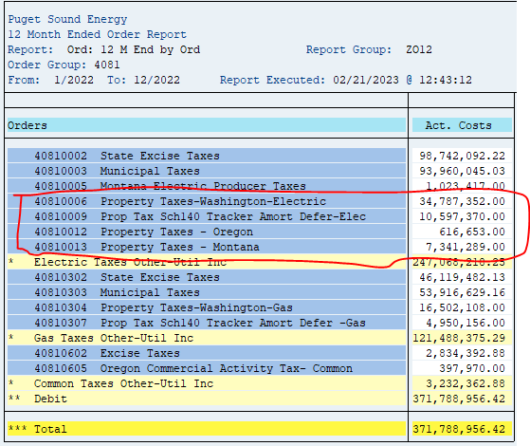
ZRW_ZO12 Report
Order Group : 4081
12ME Dec 2022
Orders | Act. Costs
40810006 Property Taxes-Washington-Electric | 34,787,352
40810009 Prop Tax Sch140 Tracker Amort Defer-Elec | 10,597,370
40810012 Property Taxes - Oregon | 616,653
40810013 Property Taxes - Montana | 7,341,289
 | 53,342,664

Sch 120 Conserv
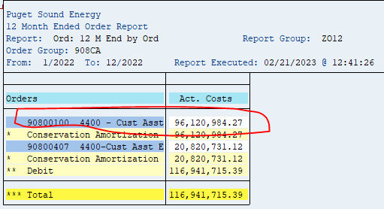
ZRW_ZO12 Report
Order Group : 908CA
12ME Dec 2022
Orders | Act. Costs
90800100 4400 - Cust Asst Exp -Conserv Amor Elect | 96,120,984.27

Sch 129 LowInc
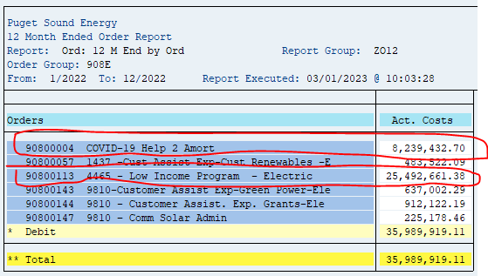
ZRW_ZO12 Report
Order Group : 908E
12ME Dec 2022
Orders | Act. Costs
90800113 4465 - Low Income Program - Electric | 25,492,661
9080004 COVID 19 Help 2 Amort | 8,239,432.70
 | 33,732,094

Sch 81 MunicipalTaxes
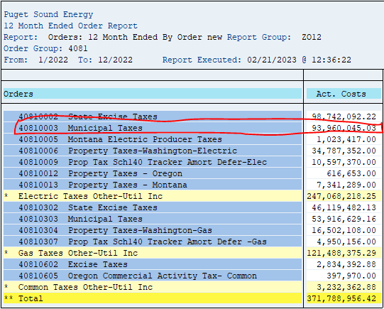
ZRW_ZO12 Report
Order Group : 4081
12ME Dec 2022
Orders | Act. Costs
40810003 Municipal Taxes | 93,960,045
 | 93,960,045

Sch 137 Int on Rec Proc
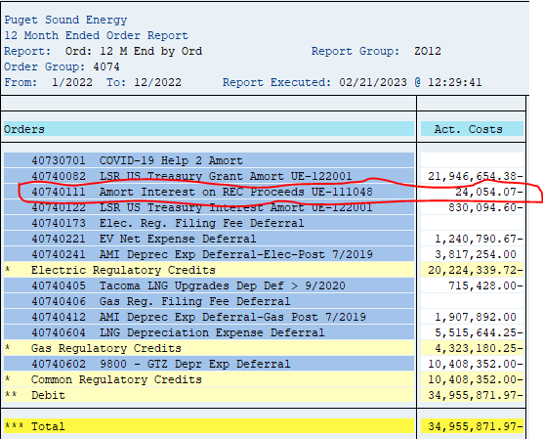
ZRW_ZO12 Report
Order Group : 4074
12ME Dec 2022

Orders | Act. Costs
40740111 Amort Interest on REC Proceeds UE-111048 | (24,054)

40740231 9800–MSFT Transition Fee Amort UE-161123

Sch 194 Res. Exchge
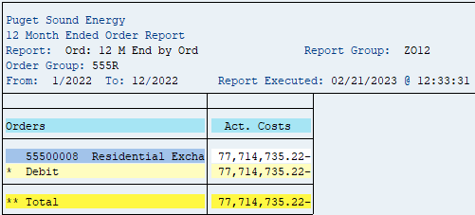
ZRW_ZO12 Report
Order Group : 555R
12ME Dec 2022

Orders | Act. Costs
55500008 Residential Exchange - Purch Power | (77,714,735)

Sch 142 Decoupling
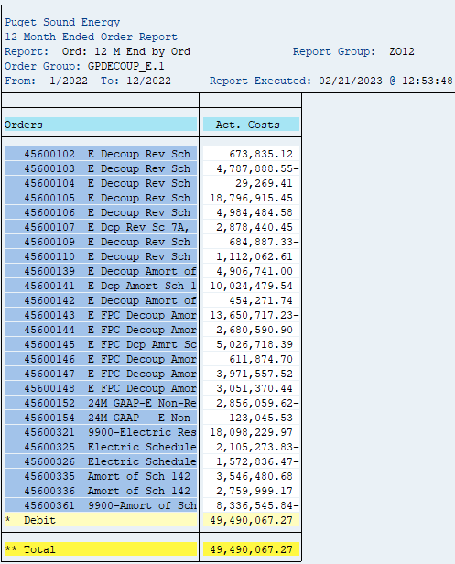
ZRW_ZO12 Report
Order Group : GPDECOUP_E.1
12ME Dec 2022

 | Orders | 2022 | Amort
 | 45600102 E Decoup Rev Sch 8 & 24 | 673,835.12
 | 45600103 E Decoup Rev Sch 7A, 11, 25, 29, 35 & 43 | -4,787,888.55
 | 45600104 E Decoup Rev Sch 40 | 29,269.41
 | 45600105 E Decoup Rev Sch 7 FPC | 18,796,915.45
 | 45600106 E Decoup Rev Sch 8 & 24 FPC | 4,984,484.58
 | 45600107 E Dcp Rev Sc 7A, 11, 25, 29, 35 & 43 FPC | 2,878,440.45

 | 45600109 E Decoup Rev Sch 12 & 26 FPC | -684,887.33
 | 45600110 E Decoup Rev Sch 10 & 31 FPC | 1,112,062.61
 | 45600139 E Decoup Amort of Sch 142 - Sch 8 & 24 | 4,906,741.00 | 4,906,741
 | 45600141 E Dcp Amort Sch 142-Sc 7A,11,25,29,35,43 | 10,024,479.54 | 10,024,480
 | 45600142 E Decoup Amort of Sch 142 - Sch 40 in Ra | 454,271.74 | 454,272
 | 45600143 E FPC Decoup Amort Sch 142 - Sch 7 in R | -13,650,717.23 | (13,650,717)
 | 45600144 E FPC Decoup Amort Sch 142 - Sch 8 & 24 | 2,680,590.90 | 2,680,591
 | 45600145 E FPC Dcp Amrt Sc 142-7A,11,25,29,35,43 | 5,026,718.39 | 5,026,718
 | 45600146 E FPC Decoup Amort Sch 142 - Sch 40 in R | 611,874.70 | 611,875
 | 45600147 E FPC Decoup Amort Sch 142 - Sch 12 & 26 | 3,971,557.52 | 3,971,558
 | 45600148 E FPC Decoup Amort Sch 142 - Sch 10 & 31 | 3,051,370.44 | 3,051,370

 | 45600152 24M GAAP-E Non-Res 7A, 11, 25, 29, 35&43 | -2,856,059.62
 | 45600154 24M GAAP - E Non-Res Sch 40 | -123,045.53
 | 45600321 9900-Electric Residential Decoupling Rev | 18,098,229.97
 | 45600325 Electric Schedule 26 Decoupling Revenue | -2,105,273.83
 | 45600326 Electric Schedule 31 Decoupling Revenue | -1,572,836.47

 | 45600335 Amort of Sch 142 Electric Sch26 in Rates | 3,546,480.68 | 3,546,481
 | 45600336 Amort of Sch 142 Electric Sch31 in Rates | 2,759,999.17 | 2,759,999
 | 45600361 9900-Amort of Sch 142 Elec Resid in rate | -8,336,545.84 | (8,336,546)

 |  | 49,490,067.27 | 15,046,821

Green Power 557
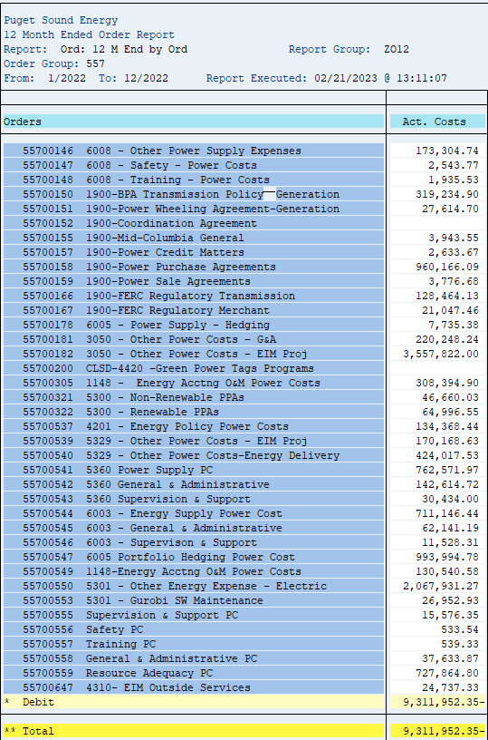
ZRW_ZO12 Report
Order Group : 557
12ME Dec 2022
 |  | 2022
 | Orders | Act. Costs
 | 55700002 5360 - Power Supply - Organizations - E | 63,965
 | 55700003 5360 - Pwr Supply - Brokerage Fee - E | 365,729
 | 55700006 9810 - Green Power Renewable Credits | 3,982,527
 | 55700007 5301 NON-IT Openlink/Endur Maint Electri | 141,994
 | 55700008 5301 - NON-IT Lacima Maint Electric | 62,449
 | 55700011 5301 - NON-IT OATI Maint Electric | 393,201
 | 55700012 1256 - NON-IT Misc Electric | (159,648)
 | 55700016 5329 - Training - Power Costs | 207
 | 55700017 5360 - Safety - Power Costs | 5,048
 | 55700018 5360 - Training - Power Costs | 719
 | 55700019 6003 - Safety - Power Costs | 505
 | 55700021 6005 - Safety - Power Costs | 14,249
 | 55700022 6005 - Training - Power Costs | 7,278
 | 55700030 3050 -NON-IT PCI EIM SW Maint Electr | 753,396
 | 55700031 6003-NON-IT Energy Exemplar SW Maint Ele | 422,159
 | 55700032 6003 - NON-IT Power Settlements SaaS Gas | 172,998
 | 55700033 Supervision & Support PC | 17,070
 | 55700036 General & Administrative | 45,974
 | 55700037 ESM Market Design PC | 208,513
 | 55700090 5360 - Other Energy Expense - Electric | 64,840
 | 55700106 6009 - General & Administrative | 1,241,220
 | 55700107 6009 - Other Power Supply Expenses | 1,017,884
 | 55700109 6009 - Training - Power Costs | 6,185
 | 55700130 5360 - Deferred customer Portion - PCA | (74,623,622)
 | 55700138 PCA Amortization Recovery UE-200893 | 44,134,954
 | 55700144 6008 - Supervision & Support | 9,605
 | 55700145 6008 - General & Administrative | 12,828
 | 55700146 6008 - Other Power Supply Expenses | 173,305
 | 55700147 6008 - Safety - Power Costs | 2,544
 | 55700148 6008 - Training - Power Costs | 1,936
 | 55700150 1900-BPA Transmission Policy--Generation | 319,235
 | 55700151 1900-Power Wheeling Agreement-Generation | 27,615
 | 55700152 1900-Coordination Agreement | -
 | 55700155 1900-Mid-Columbia General | 3,944
 | 55700157 1900-Power Credit Matters | 2,634
 | 55700158 1900-Power Purchase Agreements | 960,166
 | 55700159 1900-Power Sale Agreements | 3,777
 | 55700166 1900-FERC Regulatory Transmission | 128,464
 | 55700167 1900-FERC Regulatory Merchant | 21,047
 | 55700178 6005 - Power Supply - Hedging | 7,735
 | 55700181 3050 - Other Power Costs – G&A | 220,248
 | 55700182 3050 - Other Power Costs - EIM Proj | 3,557,822
 | 55700200 CLSD-4420 -Green Power Tags Programs | -
 | 55700305 1148 - Energy Acctng O&M Power Costs | 308,395
 | 55700321 5300 - Non-Renewable PPAs | 46,660
 | 55700322 5300 - Renewable PPAs | 64,997
 | 55700537 4201 - Energy Policy Power Costs | 134,368
 | 55700539 5329 - Other Power Costs - EIM Proj | 170,169
 | 55700540 5329 - Other Power Costs-Energy Delivery | 424,018
 | 55700541 5360 Power Supply PC | 762,572
 | 55700542 5360 General & Administrative | 142,615
 | 55700543 5360 Supervision & Support | 30,434
 | 55700544 6003 - Energy Supply Power Cost | 711,146
 | 55700545 6003 - General & Administrative | 62,141
 | 55700546 6003 - Supervison & Support | 11,528
 | 55700547 6005 Portfolio Hedging Power Cost | 993,995
 | 55700549 1148-Energy Acctng O&M Power Costs | 130,541
 | 55700550 5301 - Other Energy Expense - Electric | 2,067,931
 | 55700553 5301 - Gurobi SW Maintenance | 26,953
 | 55700555 Supervision & Support PC | 15,576
 | 55700556 Safety PC | 534
 | 55700557 Training PC | 539
 | 55700558 General & Administrative PC | 37,634
 | 55700559 Resource Adequacy PC | 727,865
 | 55700647 4310- EIM Outside Services | 24,737
 | Debit | (9,311,952)

SOEG Green Pwr
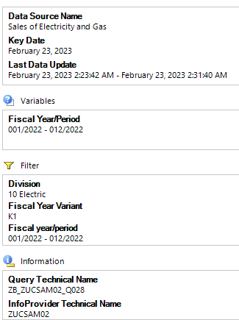
 |  |  | Total Billed Amount Incl Tax
 |  | Statistical Rate | ECI_135 | ECI_135S | ECI_136 | ERES_135 | ERES_135S | ERES_136 | Overall Result | Non-Consumption
Division |  | Fiscal year/period | $ | $ | $ | $ | $ | $ | $ |  | Total
10 | Electric | 001/2022 | 17,616.53 | 1,104.67 | 30,299.68 | 606,306.77 | 127,783.54 | 8.45 | 783,119.64 | -42,029.15 | 825,148.79
 |  | 002/2022 | 17,387.19 | 1,286.82 | 17,270.60 | 548,836.04 | 126,847.04 | 5.55 | 711,633.24 | -4,150.22 | 715,783.46
 |  | 003/2022 | 16,302.52 | 1,126.00 | 20,599.13 | 540,189.10 | 126,063.57 | 7.17 | 704,287.49 | -4,309.22 | 708,596.71
 |  | 004/2022 | 17,197.21 | 1,246.00 | 13,513.50 | 489,094.97 | 124,247.15 | 4.68 | 645,303.51 | -4,017.55 | 649,321.06
 |  | 005/2022 | 17,296.16 | 1,109.00 | 28,938.34 | 462,476.89 | 125,645.76 | 7.25 | 635,473.40 | -4,017.55 | 639,490.95
 |  | 006/2022 | 15,773.82 | 1,168.01 | 29,737.82 | 431,990.58 | 124,159.78 | 6.82 | 602,836.83 | -4,017.55 | 606,854.38
 |  | 007/2022 | 16,137.08 | 1,044.67 | 26,610.62 | 419,282.21 | 122,905.64 | 7.73 | 585,987.95 | -4,017.55 | 590,005.50
 |  | 008/2022 | 18,961.70 | 1,135.99 | 39,752.74 | 450,870.26 | 121,729.60 | 6.49 | 632,456.78 | -4,017.55 | 636,474.33
 |  | 009/2022 | 18,398.73 | 1,127.50 | 35,532.47 | 437,380.52 | 120,427.87 | 8.84 | 612,875.93 | -4,017.55 | 616,893.48
 |  | 010/2022 | 18,044.12 | 1,191.17 | 22,588.52 | 408,259.71 | 119,679.23 | 7.73 | 569,770.48 | -3,725.88 | 573,496.36
 |  | 011/2022 | 19,335.92 | 1,255.65 | 39,267.27 | 494,767.91 | 119,885.82 | 12.96 | 674,525.53 | -4,017.55 | 678,543.08
 |  | 012/2022 | 23,181.22 | 1,221.99 | 25,492.02 | 587,634.15 | 118,768.56 | 9.85 | 756,307.79 | -4,017.55 | 760,325.34
 |  | Result | 215,632.20 | 14,017.47 | 329,602.71 | 5,877,089.11 | 1,478,143.56 | 93.52 | 7,914,578.57 | -86,354.87 | 8,000,933.44

