Page 4.5.1
PacifiCorp |  |  |  | Page | 4.5.1
Washington General Rate Case - 2021
Advertising
Re-allocate System Costs

1) Remove system allocated costs that should be situs assigned.

TYPE | FERC Acct | SAP Acct | SAP Acct description | Factor | Total Company
RES | 9090000 | 530022 | Informational Advertising Services | CN | 259,186
RES | 9301000 | 530020 | Advertising Services | SO | 42,585
 |  |  |  |  | 301,771

2) Reallocate system costs on a situs basis where possible.
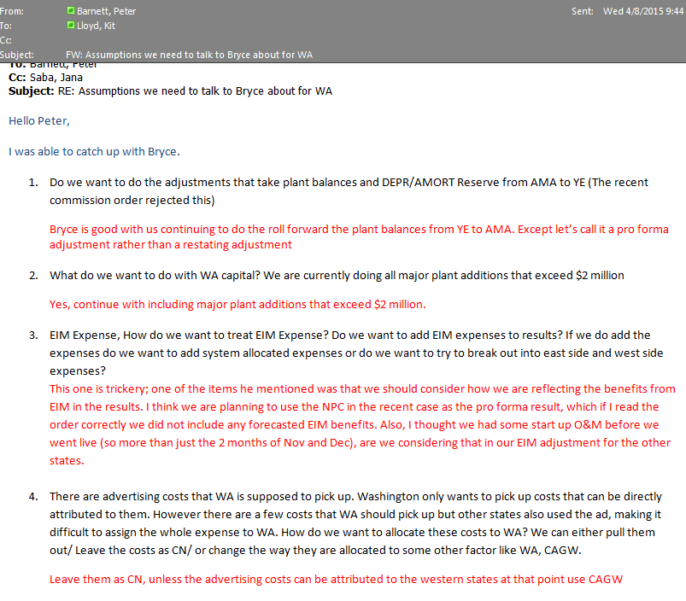
TYPE | FERC Acct | SAP Acct | SAP Acct description | Factor | Total Company
RES | 9090000 | 530022 | Informational Advertising Services | CA | 29,617
RES | 9090000 | 530022 | Informational Advertising Services | CAGE | 22,813
RES | 9090000 | 530022 | Informational Advertising Services | CAGW | 27,849
RES | 9090000 | 530022 | Informational Advertising Services | ID | 990
RES | 9090000 | 530022 | Informational Advertising Services | OR | 72,630
RES | 9090000 | 530022 | Informational Advertising Services | UT | 102,102
RES | 9090000 | 530022 | Informational Advertising Services | WA | 1,821
RES | 9090000 | 530022 | Informational Advertising Services | WY | 1,364
RES | 9301000 | 530020 | Advertising Services | UT | (43)
RES | 9301000 | 530020 | Advertising Services | WY | 42,628
 |  |  |  |  | 301,771

