TY
Puget Sound Energy
12ME Dec 31, 2019
Rate Case Costs

 |  | Elec | Gas
Orders | Act. Costs | 66.35% | 33.65%

92800107 1310 - Regulatory Exp State - 2013 PCORC | - | - | -
92800108 1310 - Regulatory Exp State - 2014 PCORC | - | - | -
Total PCORC for Test Year | - | - | -

92800825 1322 General Rate Case 2016 Rev Requir | - | - | -
92800826 1351 General Rate Case 2016 | 71 | 47 | 24
92800828 1900 - 2016 General Rate Case - Common | - | - | -
92800610 1900 - 2016 General Rate Case - Common | - | - | -
92800613 1900– 2019 General Rate Case - Common | 1,735,656 | 1,151,608 | 584,048
GRC Costs | 1,735,728 | 1,151,655 | 584,072

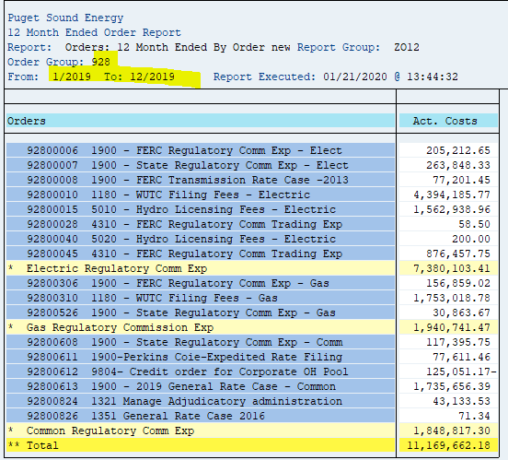
ZO12 Orders: Actual 12 Month Ended
Run Date: 01/21/2020
Pages: 0

Run Order Group 928 by order to check for new rate case orders.

Orders | Act. Costs
92800006 1900 - FERC Regulatory Comm Ex | 205,213
92800007 1900 - State Regulatory Comm E | 263,848
92800008 1900 - FERC Transmission Rate | 77,201
92800010 1180 - WUTC Filing Fees - Electric | 4,394,186
92800015 5010 - Hydro Licensing Fees - | 1,562,939
92800028 4310 - FERC Regulatory Comm Tr | 59
92800040 5020 - Hydro Licensing Fees - | 200
92800045 4310 - FERC Regulatory Comm Tr | 876,458
* Electric Regulatory Comm Exp | 7,380,103
92800306 1900 - FERC Regulatory Comm Ex | 156,859
92800310 1180 - WUTC Filing Fees - Gas | 1,753,019
92800526 1900 - State Regulatory Comm Exp - Gas | 30,864
* Gas Regulatory Commission Exp | 1,940,741
92800608 1900 - State Regulatory Comm E | 117,396
92800611 1900-Perkins Coie-Expedited Ra | 77,611
92800612 9804– Credit order for Corpora | 125,051-
92800613 1900– 2019 General Rate Case - Common | 1,735,656
92800824 1321 Manage Adjudicatory admin | 43,134
92800826 1351 General Rate Case 2016 | 71
* Common Regulatory Comm Exp | 1,848,817
** Debit | 11,169,662

Summary GRCs
SUMMARY GRC: Cumulative Expenditures through 12/31/2019

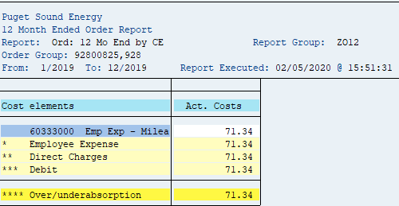
 | Total | 2010 | 2011 | 2012 | 2013 | 2014 | 2015 | 2016 | 2017 | 2018 | 2019
2011 GRC
order 92800018 (Elec) | 70,624 | 36,510 | 34,114 | - | - | - | - | - | - | - | -
order 92800319 (Gas) | - | - | - | - | - | - | - | - | - | - | -
order 92800605 (Common) | 2,065,495 | 293,003 | 1,014,248 | 758,244 | - | - | - | - | - | - | -
Total 2011 GRC Cost | 2,136,119 | 329,513 | 1,048,362 | 758,244 | - | - | - | - | - | - | -

 | Total | 2010 | 2011 | 2012 | 2013 | 2014 | 2015 | 2016 | 2017 | 2018 | 2019
2017 GRC
order 92800825 GRC Rev Req | 5,299 | - | - | - | - | - | - | - | 5,299 | - | -
order 92800826 GRC | 74,033 | - | - | - | - | - | - | - | 91,960 | (17,998) | 71
order 92800828 GRC (Common) | 33,341 | - | - | - | - | - | - | - | 33,341 | - | -
order 92800610 GRC (Common) | 2,139,083 | - | - | - | - | - | 118,074 | 275,412 | 1,745,432 | 165.00 | -
Total 2017 GRC Cost | 2,251,755 | - | - | - | - | - | 118,074 | 275,412 | 1,876,032 | (17,833) | 71

Total GRC direct charges | 4,387,875

