WH Dec 18 PP Report
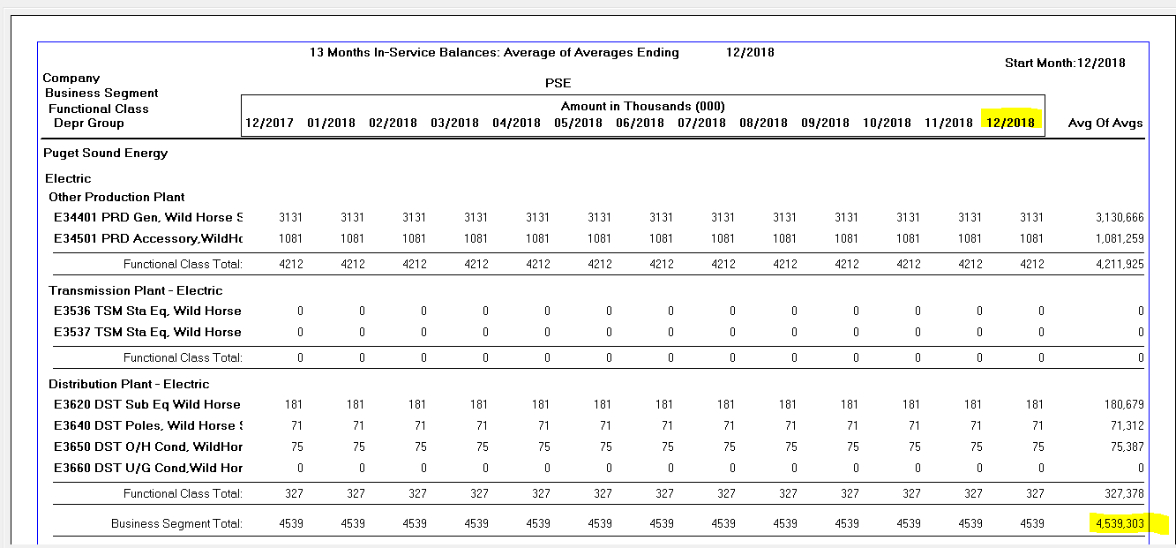

 |  | AMA December 2018
Power Plant Report 1301-FC | Plant | Reserve | Expense
E344 | $3,130,666 | (1,387,042) | 151,524
E345 | $1,081,259 | (550,413) | 51,792
E362 | $180,679 | (40,038) | 3,684
E364 | $71,312 | (20,183) | 2,244
E365 | $75,387 | (16,528) | 2,820
Total | $4,539,303 | (2,014,204) | 212,064

Wild Horse Solar Plant In Service | Report 1301 |  |  |  |  |  | Amount In Thousands (000)
depr_group |  | Dec-17 | Jan-18 | Feb-18 | Mar-18 | Apr-18 | May-18 | Jun-18 | Jul-18 | Aug-18 | Sep-18 | Oct-18 | Nov-18 | Dec-18 | avg_of_avgs
E34401 PRD Gen, Wild Horse Solar | Other Production Plant | 3131 | 3131 | 3131 | 3131 | 3131 | 3131 | 3131 | 3131 | 3131 | 3131 | 3131 | 3131 | 3131 | 3130666
E34501 PRD Accessory,WildHorseSolar | Other Production Plant | 1081 | 1081 | 1081 | 1081 | 1081 | 1081 | 1081 | 1081 | 1081 | 1081 | 1081 | 1081 | 1081 | 1081259
E3620 DST Sub Eq Wild Horse Solar | Distribution Plant - Electric | 181 | 181 | 181 | 181 | 181 | 181 | 181 | 181 | 181 | 181 | 181 | 181 | 181 | 180679
E3640 DST Poles, Wild Horse Solar | Distribution Plant - Electric | 71 | 71 | 71 | 71 | 71 | 71 | 71 | 71 | 71 | 71 | 71 | 71 | 71 | 71312
E3650 DST O/H Cond, WildHorse Solar | Distribution Plant - Electric | 75 | 75 | 75 | 75 | 75 | 75 | 75 | 75 | 75 | 75 | 75 | 75 | 75 | 75387
Total |  | 4,539 | 4,539 | 4,539 | 4,539 | 4,539 | 4,539 | 4,539 | 4,539 | 4,539 | 4,539 | 4,539 | 4,539 | 4,539 | 4,539,303

Wild Horse Solar Depreciation Reserve | Report 1302 |  |  |  |  |  | Amount In Thousands (000)
depr_group |  | Dec-17 | Jan-18 | Feb-18 | Mar-18 | Apr-18 | May-18 | Jun-18 | Jul-18 | Aug-18 | Sep-18 | Oct-18 | Nov-18 | Dec-18 | avg_of_avgs
E34401 PRD Gen, Wild Horse Solar | Other Production Plant | -1311 | -1324 | -1337 | -1349 | -1362 | -1374 | -1387 | -1400 | -1412 | -1425 | -1438 | -1450 | -1463 | -1387042
E34501 PRD Accessory,WildHorseSolar | Other Production Plant | -525 | -529 | -533 | -537 | -542 | -546 | -550 | -555 | -559 | -563 | -568 | -572 | -576 | -550413
E3620 DST Sub Eq Wild Horse Solar | Distribution Plant - Electric | -38 | -39 | -39 | -39 | -39 | -40 | -40 | -40 | -41 | -41 | -41 | -42 | -42 | -40038
E3640 DST Poles, Wild Horse Solar | Distribution Plant - Electric | -19 | -19 | -19 | -20 | -20 | -20 | -20 | -20 | -21 | -21 | -21 | -21 | -21 | -20183
E3650 DST O/H Cond, WildHorse Solar | Distribution Plant - Electric | -15 | -15 | -16 | -16 | -16 | -16 | -17 | -17 | -17 | -17 | -17 | -18 | -18 | -16528
Total |  | -1,908 | -1,926 | -1,944 | -1,961 | -1,979 | -1,996 | -2,014 | -2,032 | -2,050 | -2,067 | -2,085 | -2,103 | -2,120 | -2,014,204

12 Month Depreciation Expense Wild Horse Solar Jan 2018 to Dec 2018 |  |  |  |  |  |  | Amount In Thousands (000)
Depr - PSE - 1039
depr_group | description | Jan-18 | Feb-18 | Mar-18 | Apr-18 | May-18 | Jun-18 | Jul-18 | Aug-18 | Sep-18 | Oct-18 | Nov-18 | Dec-18 | 12ME December 2018
E34401 PRD Gen, Wild Horse Solar | Other Production Plant | 12627 | 12627 | 12627 | 12627 | 12627 | 12627 | 12627 | 12627 | 12627 | 12627 | 12627 | 12627 | 151,524
E34501 PRD Accessory,WildHorseSolar | Other Production Plant | 4316 | 4316 | 4316 | 4316 | 4316 | 4316 | 4316 | 4316 | 4316 | 4316 | 4316 | 4316 | 51,792
E3620 DST Sub Eq Wild Horse Solar | Distribution Plant - Electric | 307 | 307 | 307 | 307 | 307 | 307 | 307 | 307 | 307 | 307 | 307 | 307 | 3,684
E3640 DST Poles, Wild Horse Solar | Distribution Plant - Electric | 187 | 187 | 187 | 187 | 187 | 187 | 187 | 187 | 187 | 187 | 187 | 187 | 2,244
E3650 DST O/H Cond, WildHorse Solar | Distribution Plant - Electric | 235 | 235 | 235 | 235 | 235 | 235 | 235 | 235 | 235 | 235 | 235 | 235 | 2,820
Total Depr Expense |  | 17,672 | 17,672 | 17,672 | 17,672 | 17,672 | 17,672 | 17,672 | 17,672 | 17,672 | 17,672 | 17,672 | 17,672 | 212,064

Depreciation Expense Wild Horse Solar Jan 2017 to Dec 2017
Depr 1085-Combined
depr_group | depr_summary2 | begin_bal | Depreciation Expense | retirements | cost_of_removal | salv_credits | transfers | gain_loss | end_bal
E34401 PRD Gen, Wild Horse Solar | PRD | 1,311,280 | 151,524 | - | - | - | - | - | 1,462,804
E34501 PRD Accessory,WildHorseSolar | PRD | 524,517 | 51,792 | - | - | - | - | - | 576,309
E3620 DST Sub Eq Wild Horse Solar | DST Sub | 38,195 | 3,686 | - | - | - | - | - | 41,881
E3640 DST Poles, Wild Horse Solar | DST Poles | 19,063 | 2,239 | - | - | - | - | - | 21,303
E3650 DST O/H Cond, WildHorse Solar | DST OH Cond | 15,118 | 2,819 | - | - | - | - | - | 17,937
Total Depr Expense |  | 1,908,173 | 212,061 | - | - | - | - | - | 2,120,234

