Andie
CO Order | 92006153 | 92306951 | 93506002
Fiscal year/period | 1266 - PSE Building Relocation | 1266 - PSE Building Relocation O/S | 1266 - PSE building relocations |  |  |  | Parking
001/2018 | $10,221 |  | $266 |  |  |  | per stall | stalls |  | tax
002/2018 | $17,185 | $15,555 | ($127,637) |  |  |  | $235 | 582 | $136,770 | 10% tax | $150,447 | guaranteed parking per lease
003/2018 | $11,349 | $22,432 | $21,273 |  |  |  |  |  |  |  | $21,162 | variable validations parking
004/2018 | $15,825 | $6,949 | ($72,517) |  |  |  | 235 | 51 | $11,985 |  | $13,184 | monthly over lease limit
005/2018 | $22,865 | $30,085 | $16,640 |  |  |  |  |  |  |  | $184,793
006/2018 | $20,023 | $68,891
007/2018 | $13,286 | $41,243 |  |  |  |  |  |  |  |  | x12
008/2018 | $5,576 | $228,484 |  |  |  |  |  |  |  |  | $2,217,510
009/2018 | $3,054 | $54,314
010/2018 | $2,289 | $7,745
011/2018 | $1,030
012/2018 | $287 | $1,857 |  | $438,570

 |  |  | Cmplt RPT_XAFUDC (ex AFUDC & settlement) | $438,568

 |  |  | Total Labor | $67,799
 |  |  | OH Labor | $45,831
 |  |  | OH Transportation | $2,295 | $115,925 | On going

 |  |  | EMERALD CITY MOVING & STORAGE LLC | $7,028
 |  |  | Not assigned | ($446)
 |  |  | Office and Supplies | $144
 |  |  | Software and Hardware | $605
 |  |  | Outside Service Providers in field | ($234,001)
 |  |  | Outside Services Other | $549,314 | $322,644 | Move Related

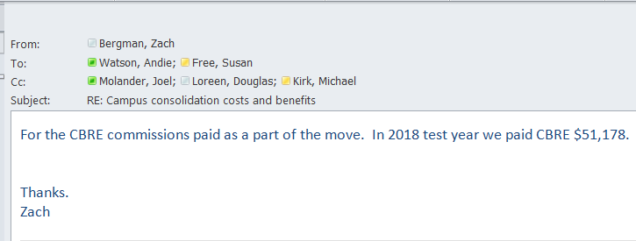

 |  |  | per above | $51,178

 |  |  | Capital per above | $246,854.50

