SAP Download
Date: 2/22/2018

Property Insurance | 12 Months | Dec-18 | Nov-18 | Oct-18 | Sep-18 | Aug-18 | Jul-18 | Jun-18 | May-18 | Apr-18 | Mar-18 | Feb-18 | Jan-18
92400322 5040 - Property Insurance Exp - Gas | 11,387 | - | - | - | - | - | - | - | - | 11,387 | - | - | -
92400308 1116 - Property Insurance Others - Gas | 48,670 | 3,712 | 3,712 | 3,712 | 3,712 | 3,712 | 3,712 | 3,712 | 4,420 | 3,712 | 4,852 | 4,852 | 4,852
92400013 1116 - Property Insurance Others - Electric | 2,606,398 | 206,946 | 206,946 | 206,946 | 206,946 | 206,946 | 206,946 | 206,946 | 206,946 | 207,354 | 247,826 | 247,826 | 247,826
92400634 1116 - Property Insurance Others - Common | 197,881 | 11,549 | 11,549 | 11,549 | 11,549 | 53,901 | 11,549 | 11,549 | 11,549 | 11,549 | 17,196 | 17,196 | 17,196
92400635 1116 - Property Insurance PSE Bldg -Common | 28,758 | 2,332 | 2,332 | 2,332 | 2,332 | 2,332 | 2,332 | 2,332 | 2,332 | 2,332 | 2,589 | 2,589 | 2,589
Total Property Insurance | 2,893,095 | 224,539 | 224,539 | 224,539 | 224,539 | 266,891 | 224,539 | 224,539 | 225,247 | 236,335 | 272,463 | 272,463 | 272,463

Liability Insurance | 12 Months | Dec-18 | Nov-18 | Oct-18 | Sep-18 | Aug-18 | Jul-18 | Jun-18 | May-18 | Apr-18 | Mar-18 | Feb-18 | Jan-18
92500602 1116 - Liability Insurance - Common | 482,998 | 48,370 | 89,095 | 33,255 | 33,255 | 33,255 | 33,255 | 33,255 | 65,927 | 24,902 | 24,902 | 24,902 | 38,627
92500636 1110 - Fiduciary Ins - Common | -
92500637 1116 - General Liability Insur Common | 4,325,123 | 278,284 | 383,374 | 383,374 | 383,374 | 383,374 | 383,374 | 383,374 | 383,374 | 213,098 | 383,374 | 383,374 | 383,374
92500638 1116 - Marsh Insurance Broker Common | 122,500 | 10,208 | 10,208 | 10,208 | 10,208 | 10,208 | 10,208 | 10,208 | 10,208 | 10,208 | 10,208 | 10,208 | 10,208
92500702 1412 - Workers Comp Insurance - Common | -
92400631 1115 - King Air Hull Ins - Common | -
92400632 1116 - Marsh Insurance Broker Common | 115,750 | 10,208 | 10,208 | 10,208 | 3,458 | 10,208 | 10,208 | 10,208 | 10,208 | 10,208 | 10,208 | 10,208 | 10,208
Total Liability Insurance | 5,046,371 | 347,070 | 492,885 | 437,045 | 430,295 | 437,045 | 437,045 | 437,045 | 469,717 | 258,417 | 428,693 | 428,693 | 442,418
Total Property & Liability Insurance for Test Year | 7,939,466 | 571,609 | 717,424 | 661,584 | 654,834 | 703,936 | 661,584 | 661,584 | 694,964 | 494,752 | 701,156 | 701,156 | 714,881

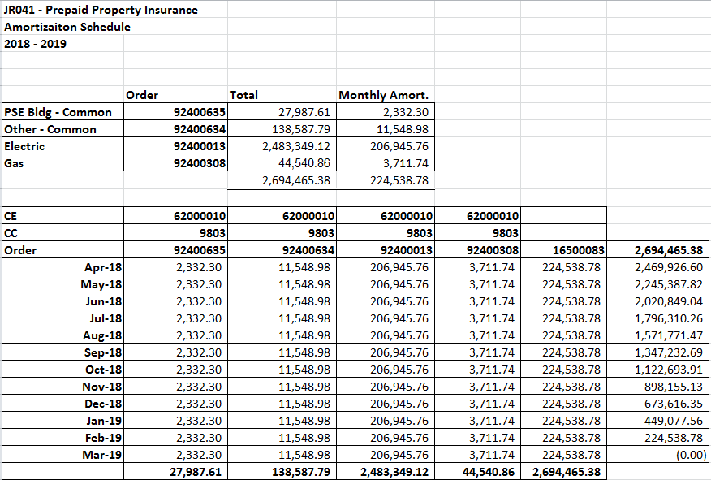
 | RECONCILE |  | Amort. schedule insurance Apr 18- Apr 19 for orders 92400635, 92400634, 92400013, 92400308 (excluding J. Prairie and Sumas Pipeline)
2018-2019 Insurance Premium (including JP & Sumas Pipeline premiums) | 3,633,573
Amort. Sch for 92400635,92400634,92400013,92400308 (w/o J. Prairie & Sumas) | (2,694,465)
GAS - 92400322 Full Amount before Share (Jackson Prairie - PSE 1/3 Share) | (34,154) | 0.3333 | (11,385)
ELEC - 92400013 Full Amount before Share (Sumas Pipeline - PSE 57.3% Share) | (454)
Freddy 1 | (147,552)
Colstrip | (756,948)
DIFFT | (1)

 |  |  |  |  |  |  |  | 27,988 | 138,588 | 2,483,349 | 44,541 | 2,694,465

Colstrip Ins
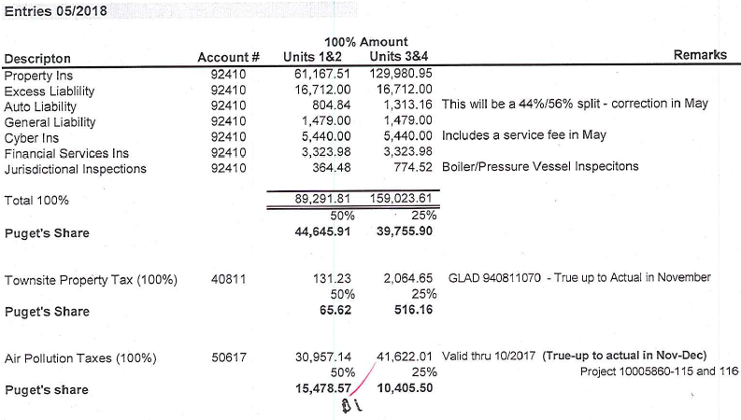
Order #92400005 |  |  |  |  |  |  | April 1, 2018 - April 1, 2019
 |  |  |  |  |  |  |  | Colstrip 1&2 | Colstrip 3&4
 |  |  |  |  |  |  | Ins Premium per Month | 61,168 | 129,981
 |  |  |  |  |  |  | Annual (12 mos) | 734,010 | 1,559,771
 |  |  |  |  |  |  | PSE's ownership | 50% | 25% |  | Ck
 |  |  |  |  |  |  | PSE's share (12 mos) | 367,005 | 389,943 | 756,948 | 1 | <=Annualized policy Apr 2018 - April 2019
 |  |  |  |  |  |  | PSE's Monthly | 30,584 | 32,495
 |  |  |  |  |  |  | Apr 18 - Dec 18 (9 mos.) | 275,253.80 | 292,457.14 | 567,711 | Total

 |  |  |  |  |  | # months | apr 17-apr 18
 |  |  |  |  |  | 3 | jan 18 - mar 18
 |  |  |  |  |  | 9 | apr 18 - dec 18

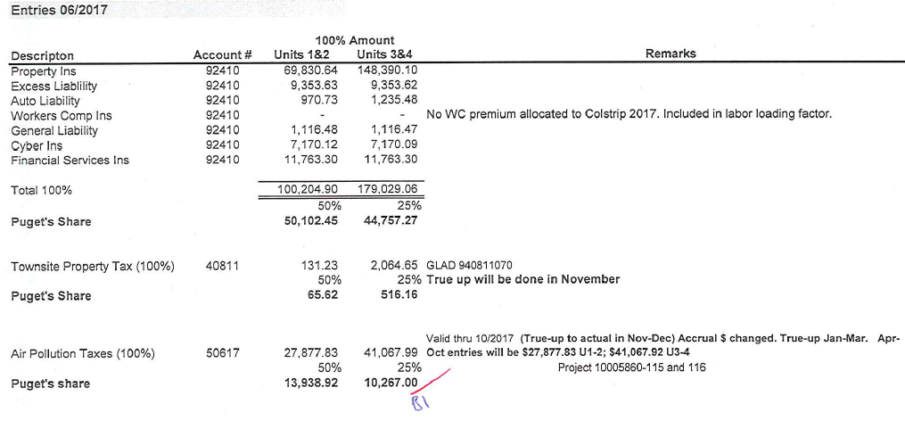
Colstrip 1&2 and 3&4 Property Insurance for 4/17 - 4/18
Order #92400005
 |  |  |  |  |  |  | April 1, 2017 - April 1, 2018
 |  |  |  |  |  |  |  | Colstrip 1&2 | Colstrip 3&4
 |  |  |  |  |  |  | Ins Premium per Month | 69,831 | 148,390
 |  |  |  |  |  |  | Annual (12 mos) | 837,968 | 1,780,681
 |  |  |  |  |  |  | PSE's ownership | 50% | 25% |  | Ck
 |  |  |  |  |  |  | PSE's share (12 mos) | 418,984 | 445,170 | 864,154 | (0) | <=Annualized policy Apr 2017 - April 2018
 |  |  |  |  |  |  | PSE's Monthly | 34,915 | 37,098
 |  |  |  |  |  |  | Jan 18 - Mar 18 (3 mos.) | 104,745.96 | 111,292.58 | 216,039 | Total

 |  | Liability Insurance

 | Order #92400005 | Colstrip 1&2 | Colstrip 3&4
 | Jan-18 | 49,232 | 62,036
 | Feb-18 | 49,161 | 62,385
 | Mar-18 | 49,161 | 62,408
 | Apr-18 | 57,018 | 70,062
 | May-18 | 59,213 | 72,729
 | Jun-18 | 75,786 | 91,018
 | Jul-18 | 96,294 | 109,146
 | Aug-18 | 50,211 | 63,064
 | Sep-18 | 50,211 | 63,064
 | Oct-18 | 50,211 | 63,064
 | Nov-18 | 50,211 | 63,064
 | Dec-18 | 63,175 | 80,459
 | Annual (12 mos) | 699,883 | 862,498
 | PSE's ownership | 50% | 25%
 | PSE's Test Year | 349,942 | 215,624 | 565,566
 |  |  |  | - | <<<=ck

