Qual TY SAP
ZO12 Orders: Actual 12 Month Ended
Date: 02/01/2019
Pages: 3

Orders | 12 Months | 12/2018 | 11/2018 | 10/2018 | 9/2018 | 8/2018 | 7/2018 | 6/2018 | 5/2018 | 4/2018 | 3/2018 | 2/2018 | 1/2018
18490295 Benefits-Pension / CE 60260020 | 13,179,131.32 | 1,097,012.75 | 1,097,013.00 | 1,097,013.00 | 2,212,450.61 | 957,583.33 | 957,583.33 | 957,583.33 | 957,583.33 | 957,583.33 | 972,558.65 | 957,583.33 | 957,583.33
18490404 1412 - Qualified Retirement Pl
19900110 1412 - Qualified Retirement Pl
** Over/underabsorption | 13,179,131 | 1,097,013 | 1,097,013 | 1,097,013 | 2,212,451 | 957,583 | 957,583 | 957,583 | 957,583 | 957,583 | 972,559 | 957,583 | 957,583

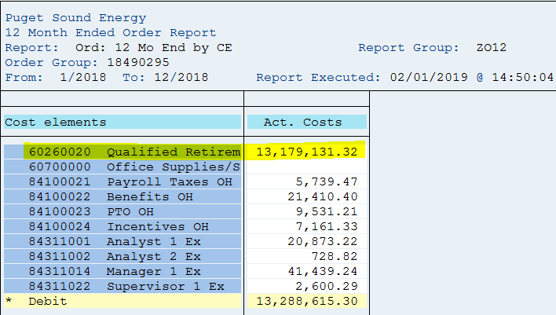

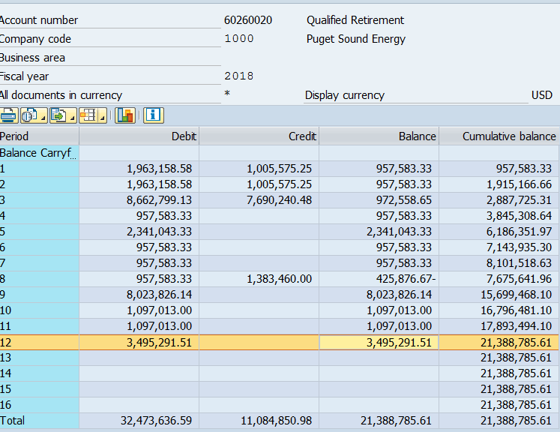

 |  | 21,388,785.61
 |  | 13,179,131.57
 |  | 8,209,654.04 | Common | 2018 True Up Qual Pension Non Service Cost

