Weather Analysis
ASHRAE Monthly Bin Temp Breakout |  | Annual | 63.21 | Heating Degree Day (HDD) Base (used to tune HDD to 4,507, per PSE 10-K)
Temp | Avg | Hours of | Temp Diff
Bin | Temp | Occurance | (Base - Avg T) | Jan | Feb | Mar | Apr | May | Jun | Jul | Aug | Sep | Oct | Nov | Dec | Totals
95-99 | 97 | 0 |  | 0 | 0 | 0 | 0 | 0 | 0 | 0 | 0 | 0 | 0 | 0 | 0 | 0
90-94 | 92 | 0 |  | 0 | 0 | 0 | 0 | 0 | 0 | 0 | 0 | 0 | 0 | 0 | 0 | 0
85-89 | 87 | 17 |  | 0 | 0 | 0 | 0 | 0 | 0 | 1 | 16 | 0 | 0 | 0 | 0 | 17
80-84 | 82 | 72 |  | 0 | 0 | 0 | 4 | 0 | 1 | 28 | 39 | 0 | 0 | 0 | 0 | 72
75-79 | 77 | 155 |  | 0 | 0 | 0 | 12 | 11 | 21 | 41 | 59 | 11 | 0 | 0 | 0 | 155
70-74 | 72 | 285 |  | 0 | 0 | 0 | 8 | 28 | 43 | 75 | 94 | 36 | 1 | 0 | 0 | 285
65-69 | 67 | 505 |  | 0 | 3 | 4 | 16 | 46 | 88 | 124 | 141 | 67 | 10 | 6 | 0 | 505 |  | HDD
60-64 | 62 | 1001 | 1.21 | 0 | 5 | 20 | 54 | 101 | 175 | 208 | 183 | 175 | 72 | 8 | 0 | 1001 | Heat Pump Heating | 50
55-59 | 57 | 1479 | 6.21 | 5 | 40 | 42 | 98 | 168 | 232 | 229 | 168 | 280 | 142 | 74 | 1 | 1479 |  | 383
50-54 | 52 | 1613 | 11.21 | 28 | 93 | 172 | 205 | 221 | 151 | 38 | 44 | 133 | 297 | 170 | 61 | 1613 |  | 753 | HDD > 35F
45-49 | 47 | 1090 | 16.21 | 101 | 92 | 179 | 173 | 135 | 9 | 0 | 0 | 16 | 169 | 110 | 106 | 1090 |  | 736 | 4,058 | 90%
40-44 | 42 | 1338 | 21.21 | 264 | 135 | 230 | 115 | 32 | 0 | 0 | 0 | 2 | 53 | 222 | 285 | 1338 |  | 1,182
35-39 | 37 | 872 | 26.21 | 201 | 199 | 91 | 35 | 2 | 0 | 0 | 0 | 0 | 0 | 120 | 224 | 872 |  | 952
30-34 | 32 | 264 | 31.21 | 103 | 79 | 6 | 0 | 0 | 0 | 0 | 0 | 0 | 0 | 10 | 66 | 264 | Gas Furnace Heating | 343
25-29 | 27 | 59 | 36.21 | 39 | 19 | 0 | 0 | 0 | 0 | 0 | 0 | 0 | 0 | 0 | 1 | 59 |  | 89 | HDD < 35F
20-24 | 22 | 10 | 41.21 | 3 | 7 | 0 | 0 | 0 | 0 | 0 | 0 | 0 | 0 | 0 | 0 | 10 |  | 17 | 449 | 10%
15-19 | 17 | 0 | 46.21 | 0 | 0 | 0 | 0 | 0 | 0 | 0 | 0 | 0 | 0 | 0 | 0 | 0
10-14 | 12 | 0 | 51.21 | 0 | 0 | 0 | 0 | 0 | 0 | 0 | 0 | 0 | 0 | 0 | 0 | 0 |  |  | 4,507 | HDD Total
5-9 | 7 | 0 | 56.21 | 0 | 0 | 0 | 0 | 0 | 0 | 0 | 0 | 0 | 0 | 0 | 0 | 0
0-4 | 2 | 0 | 61.21 | 0 | 0 | 0 | 0 | 0 | 0 | 0 | 0 | 0 | 0 | 0 | 0 | 0
 |  | 8760 |  | 744 | 672 | 744 | 720 | 744 | 720 | 744 | 744 | 720 | 744 | 720 | 744 | 8760
 |  |  |  |  |  |  |  |  |  |  |  |  |  |  |  |  |  |  | 620 | Weather normalized therms/home (annual)
In summary, based on Seattle-area weather data, and using a supplemental heat cut out temperature of 35F, a hybrid heating system would potentially cover 90% of the average annual heating load with the heat pump, operating roughly 96% of the annual heating hours. The gas furnace would cover 10% of the annual heating load (in weather <35F), which is about 4% of the annual heating hours.
 |  |  |  | Heat Pump Hours = |  | 7393 | 96% | of annual heating hours
 |  |  |  |  | Average HDD per day = | 0.55 |  |  |  |  |  |  |  |  |  |  |  |  | Hybrid System Savings (ideal controls)
 |  |  |  |  |  |  |  |  |  |  |  |  |  |  |  |  |  |  | 558 | therms replaced by heat pump heating
 |  |  |  |  |  |  |  |  |  |  |  |  |  |  |  |  |  |  | 62 | therm usage remaining
 |  |  |  | Gas Furnace Hours = |  | 333 | 4% | of annual heating hours |  |  |  |  |  |  |  |  |  |  | 90% | Savings of direct use of natural gas in a home
 |  |  |  |  | Average HDD per day = | 1.35
 |  |  |  |  |  |  |  |  |  |  |  |  |  |  |  |  |  |  | 88.5% | Region gas AFUE rating
 |  |  |  |  | Total Heating Hours (hours below 65F) = | 7726 |  |  |  |  |  |  |  |  |  |  |  |  | 494 | therms load provided by heat pump, accounting for gas furnace efficiency
 |  |  |  |  |  |  |  |  |  |  |  |  |  |  |  |  |  |  | 9.5 | Code minimum heat pump efficiency
 |  |  |  |  |  |  |  |  |  |  |  |  |  |  |  |  |  |  | 29.3 | Therm to kWh conversion
 |  |  |  |  |  |  |  |  |  |  |  |  |  |  |  |  |  |  | 5,200 | kWh's required for heat pump therm savings above

RTF Furnace Baseline
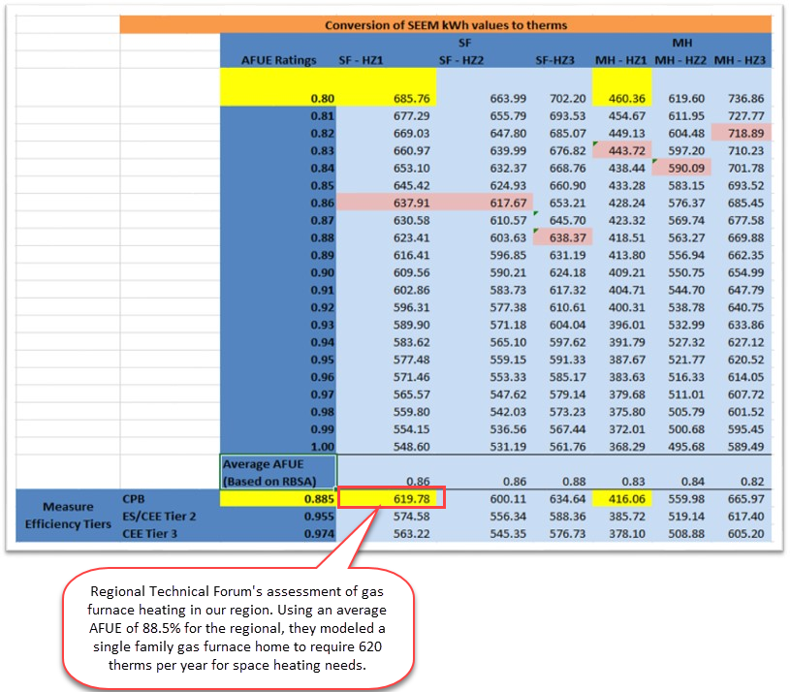
https://rtf.nwcouncil.org/measure/residential-gas-furnaces/

PSE 10K
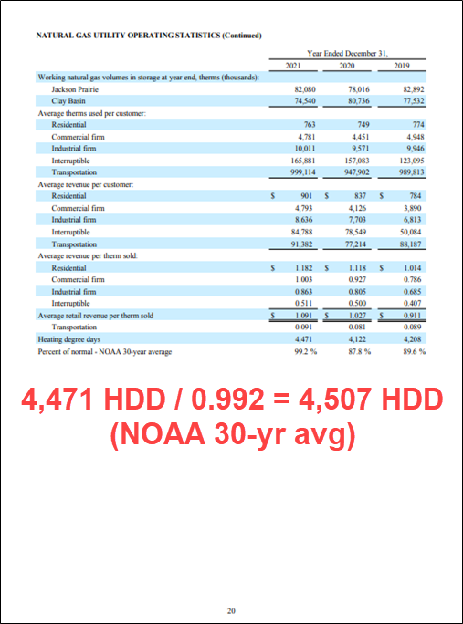
https://www.pse.com/-/media/PDFs/PugetEnergy/PE-10K-12312021.pdf

