Earnings Sharing
ZRW_ZO12
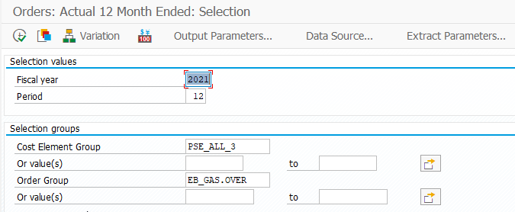

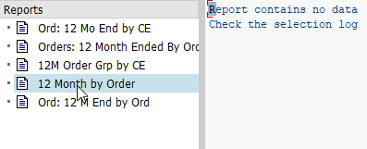

total

PLR 141X 2020
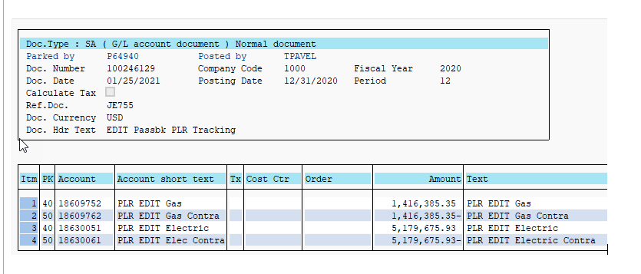
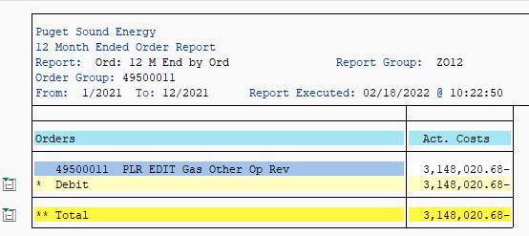

 |  | includes 2020 Revenues

GAS
1,416,385 | 2020 Revenues recognized in 2021 to be removed

