Interest Review for Jan 2019
Interest Review for REC proceeds in and not-yet-in rates: Account # 25400221 and 25400291
 | Based on actual balance using authorized ROR and FIT rate |  |  |  |  |  |  |  |  | Based on actual balance using authorized ROR and FIT rate
Date | Balance Proceeds Not In Rates 25400221 | Accumulated DFIT | Proceeds net of DFIT | Interest % | FIT Grossup Factor | Monthly Interest on 25400221 S/B CR to 25400311 DR to 43100181 | Actually Recorded to 25400311 | Difference S/B recorded to 25400311 |  | Balance Proceeds In Rates 25400291 | Accumulated DFIT | Net Balance | Interest % | FIT Grossup Factor | Monthly Interest on 25400291 S/B CR to 25400301 DR to 43100141 | Actually Recorded to 25400301 | Difference S/B recorded to 25400301
 | (1,196,228.01) | 418,680 | (777,548.21) |  |  |  |  |  |  | 15,030.31 | (5,261) | 9,769.70
Jan-18 | (621,824.78) | 130,583 | (491,241.58) | 6.97% | 0.79 | (4,664.27) | (5,067.82) | 403.55 | Jan-18 | (500,411.62) | 105,086 | (395,325.18) | 6.97% | 0.79 | (1,417.36) | (1,064.95) | (352.41)
Feb-18 | (755,790.80) | 158,716 | (597,074.73) | 6.97% | 0.79 | (4,000.83) | (3,840.10) | (160.72) | Feb-18 | (449,510.32) | 94,397 | (355,113.15) | 6.97% | 0.79 | (2,758.73) | (2,359.86) | (398.87)
Mar-18 | (826,562.75) | 173,578 | (652,984.57) | 6.97% | 0.79 | (4,595.42) | (4,410.81) | (184.61) | Mar-18 | (400,070.83) | 84,015 | (316,055.96) | 6.97% | 0.79 | (2,467.33) | (2,080.16) | (387.17)
Apr-18 | (914,187.82) | 191,979 | (722,208.38) | 6.97% | 0.79 | (5,055.43) | (4,852.34) | (203.09) | Apr-18 | (356,589.69) | 74,884 | (281,705.86) | 6.97% | 0.79 | (2,197.47) | (1,821.14) | (376.33)
May-18 | (912,958.23) | 191,721 | (721,237.00) | 6.97% | 0.79 | (5,306.34) | (5,093.17) | (213.17) | May-18 | (317,639.38) | 66,704 | (250,935.11) | 6.97% | 0.79 | (1,958.07) | (1,591.37) | (366.70)
Jun-18 | (899,755.14) | 188,949 | (710,806.56) | 6.97% | 0.79 | (5,264.42) | (5,093.17) | (171.25) | Jun-18 | (279,397.88) | 58,674 | (220,724.33) | 6.97% | 0.79 | (1,733.90) | (1,591.37) | (142.53)
Jul-18 | (1,036,672.43) | 217,701 | (818,971.22) | 6.97% | 0.79 | (5,623.71) | (5,397.79) | (225.92) | Jul-18 | (236,929.26) | 49,755 | (187,174.12) | 6.97% | 0.79 | (1,499.50) | (1,151.21) | (348.29)
Aug-18 | (1,026,831.34) | 215,635 | (811,196.76) | 6.97% | 0.79 | (5,992.76) | (5,752.02) | (240.74) | Aug-18 | (196,427.84) | 41,250 | (155,177.99) | 6.97% | 0.79 | (1,258.54) | (919.93) | (338.61)
Sep-18 | (1,017,537.15) | 213,683 | (803,854.35) | 6.97% | 0.79 | (5,937.19) | (5,698.68) | (238.51) | Sep-18 | (159,249.65) | 33,442 | (125,807.22) | 6.97% | 0.79 | (1,032.95) | (703.40) | (329.55)
Oct-18 | (1,162,059.05) | 244,032 | (918,026.65) | 6.97% | 0.79 | (6,329.91) | (6,075.62) | (254.29) | Oct-18 | (115,877.17) | 24,334 | (91,542.96) | 6.97% | 0.79 | (799.01) | (478.87) | (320.14)
Nov-18 |  | - | - | 6.97% | 0.79 |  |  |  | Nov-18 |  | - | - | 6.97% | 0.79 |  |  | -
Dec-18 |  | - | - | 6.97% | 0.79 | - |  | - | Dec-18 |  | - | - | 6.97% | 0.79 | - |  | -
 |  | - |  |  |  | (52,770.27) | (51,281.53) | (1,488.74) |  |  |  |  |  |  | (17,122.86) | (13,762.26) | (3,360.60)
Nov-17 |  |  | (696,154.94) |  |  |  |  |  | Nov-17 |  |  | (9,768.91)
Dec-17 | (1,196,228.01) | 418,680 | (777,548.21) | 6.97% | 0.65 | (6,584.43) | (6,319.92) | (264.51) | Dec-17 | (15,030.31) | 5,261 | (9,769.70) | 6.97% | 0.65 | (87.30) | (83.79) | (3.51)
 |  |  |  |  |  |  | (a) | (1,753.25) |  |  |  |  |  |  |  | (a) | (3,364.11)

(a) | Interest true-up to be recorded in Jan 2019 represents the higher interest accrual owed to customers due to Cost of Capital authorized in UE-180292.

 | Proceeds Not in Rates |  |  |  |  |  |  |  |  | Proceeds in Rates
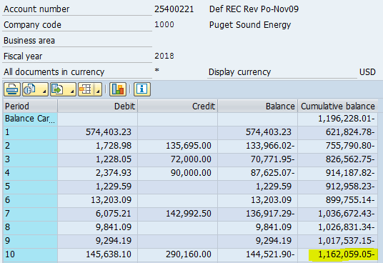
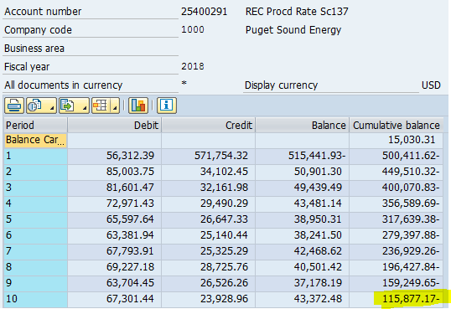

 |  |  |  |  |  |  |  | (1,162,059.05) |  |  |  |  |  |  |  |  | (115,877.17)

