Exhibit No.__(JAP-Rate Spread)
Puget Sound Energy
Twelve Months ended September 2016
Summary - Rate Spread

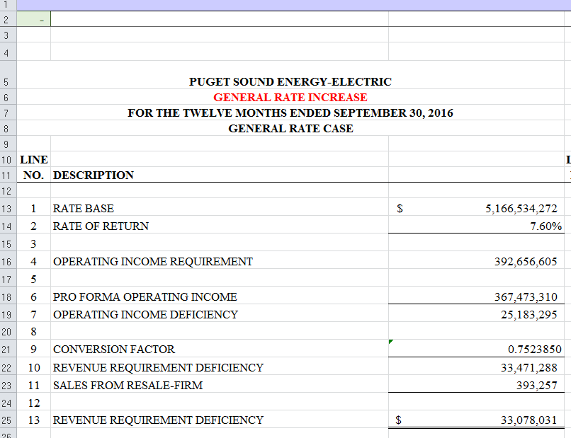
Line No. | Voltage Level | Schedule | MWh | Proforma Revenue ($000) | Proposed Increase ($) | Percent of Total w/o Schedule 40, 449 & Firm Resale | Percent of Uniform Increase | Proposed Revenue Increase (%) | Proposed Revenue Increase ($000) | Proposed Revenue ($000) | Proposed Revenue Increase ($)
 |  |  | A | B | C | D | E | F | G = B * F | H = B + G

1 | Residential | 7 | 10,442,426 | $1,066,627 |  | 55.78% | 100% | 1.88% | $20,069 | $1,086,696 | $20,068,765
2 |  |  |  |  |  |  |  |  |  |  | $-
3 | Secondary Voltage |  |  |  |  |  |  |  |  |  | $-
4 | Demand <= 50 kW | 8 / 24 | 2,787,584 | $266,957 |  | 13.96% | 75% | 1.41% | $3,767 | $270,724 | $3,767,130
5 | Demand > 50 kW but <= 350 kW | 7A / 11/ 25 / 29 | 2,853,786 | $253,667 |  | 13.27% | 65% | 1.22% | $3,102 | $256,769 | $3,102,308
6 | Demand > 350 kW | 12 / 26 / 26P | 1,892,055 | $153,865 |  | 8.05% | 65% | 1.22% | $1,882 | $155,746 | $1,881,742
7 | Total Secondary Voltage |  | 7,533,425 | $674,488 |  |  |  |  | $8,751 | $683,239 | $8,751,181
8 |  |  |  |  |  |  |  |  |  |  | $-
9 | Primary Voltage |  |  |  |  |  |  |  |  |  | $-
10 | General Service | 10 / 31 | 1,284,402 | $102,891 |  | 5.38% | 65% | 1.22% | $1,258 | $104,149 | $1,258,339
11 | Irrigation | 35 | 4,453 | $248 |  | 0.01% | 150% | 2.82% | $7 | $255 | $7,005
12 | Interruptible Total Electric Schools | 43 | 119,660 | $10,338 |  | 0.54% | 100% | 1.88% | $195 | $10,532 | $194,508
13 | Total Primary Voltage |  | 1,408,515 | $113,477 |  |  |  |  | $1,460 | $114,937 | $1,459,852
14 |  |  |  |  |  |  |  |  |  |  | $-
15 | Campus Rate | 40 | 621,679 | $43,551 |  |  |  | 3.59% | $1,562 | $45,113 | $1,561,866
16 |  |  |  |  |  |  |  |  |  |  | $-
17 | Total High Voltage | 46 / 49 | 632,259 | $40,360 |  | 2.11% | 65% | 1.22% | $494 | $40,854 | $493,598
18 |  |  |  |  |  |  |  |  |  |  | $-
19 | Choice / Retail Wheeling | 449 / 459 | 2,098,104 | $7,513 |  |  |  | 5.92% | $445 | $7,958 | $444,975
20 |  |  |  |  |  |  |  |  |  |  | $-
21 | Lighting | 50-59 | 77,972,349 | $17,167 |  | 0.90% | 100% | 1.88% | $323 | $17,490 | $323,005
22 |  |  |  |  |  |  |  |  |  |  | $-
23 | Total Jurisdictional Retail Sales |  | 100,708,756 | $1,963,184 |  |  |  | 1.69% | $33,103 | $1,996,287 | $33,103,242
24 |  |  |  |  |  |  |  |  |  |  | $-
25 | Firm Resale |  | 6,930 | $316 |  |  |  | 116.33% | $368 | $684 | $368,046
26 |  |  |  |  |  |  |  |  |  |  | $-
27 | Total Sales |  | 100,715,686 | $1,963,500 | $33,471,288 | 100.00% |  | 1.70% | $33,471 | $1,996,972 | $33,471,288
28
29
30 | Average Increase Before Schedule 40, Transportation, Firm Resale |  |  |  | 100% |  |  | 1.70%
31 | Average Increase After Schedule 40, Transportation, Firm Resale |  |  |  |  |  |  | 1.63%
32 | Adjustment to Average Increase for Unequal Allocation of Increase |  |  |  |  |  |  | 1.1569456544
33 | Average Increase After Schedule 40, Firm Resale adjusted for Unequal Allocation of Increase |  |  |  |  |  |  | 1.88%

Exhibit No.__(JAP-TRANSP RD)
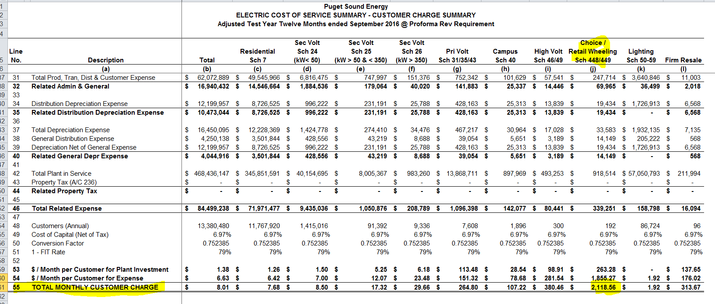
PUGET SOUND ENERGY
STATE OF WASHINGTON
12 MONTHS ENDED SEPTEMBER 2016
(Including Effects of Unbilled Revenue, Unbilled MWh and Weather Normalization)
Transportation & Wholesale for Resale

 | Units | Present |  | Proposed Effective December 2017
 | Actual | Price | Dollars | Price | Dollars

SCHEDULES 449 & 459
Choice / Retail Wheeling Service
Basic Charges | 240 | $995.00 | $238,800 | $2,120.00 | $508,800 | COS Basic Charge
Energy Charge
All kWh | 2,109,984,905 | $- | $0 | $- | $0
Temperature Adjustment | 0 | $- | $0 | $- | $0
Unbilled | (11,881,269) | $0.003581 | ($42,547) | $0.003793 | ($45,066)
Subtotal | 2,098,103,637 |  | ($42,547) |  | ($45,066)

Primary Voltage Demand Charge (kVa) | 183,378 | $1.298 | $238,025 | $- | $0 | Set to Zero
High Voltage Demand Charge (kVa) | 3,462,662 | $(0.120) | ($415,519) | $- | $0 | Set to Zero
Total | 3,646,040 |  | ($177,494) |  | $0

OATT Charges |  |  | $7,494,526 |  | $7,494,526

Total |  |  | $7,513,285 |  | $7,958,260 | Target Dollars | $7,958,260 | 5.92%
 |  |  |  |  |  | Difference | $0

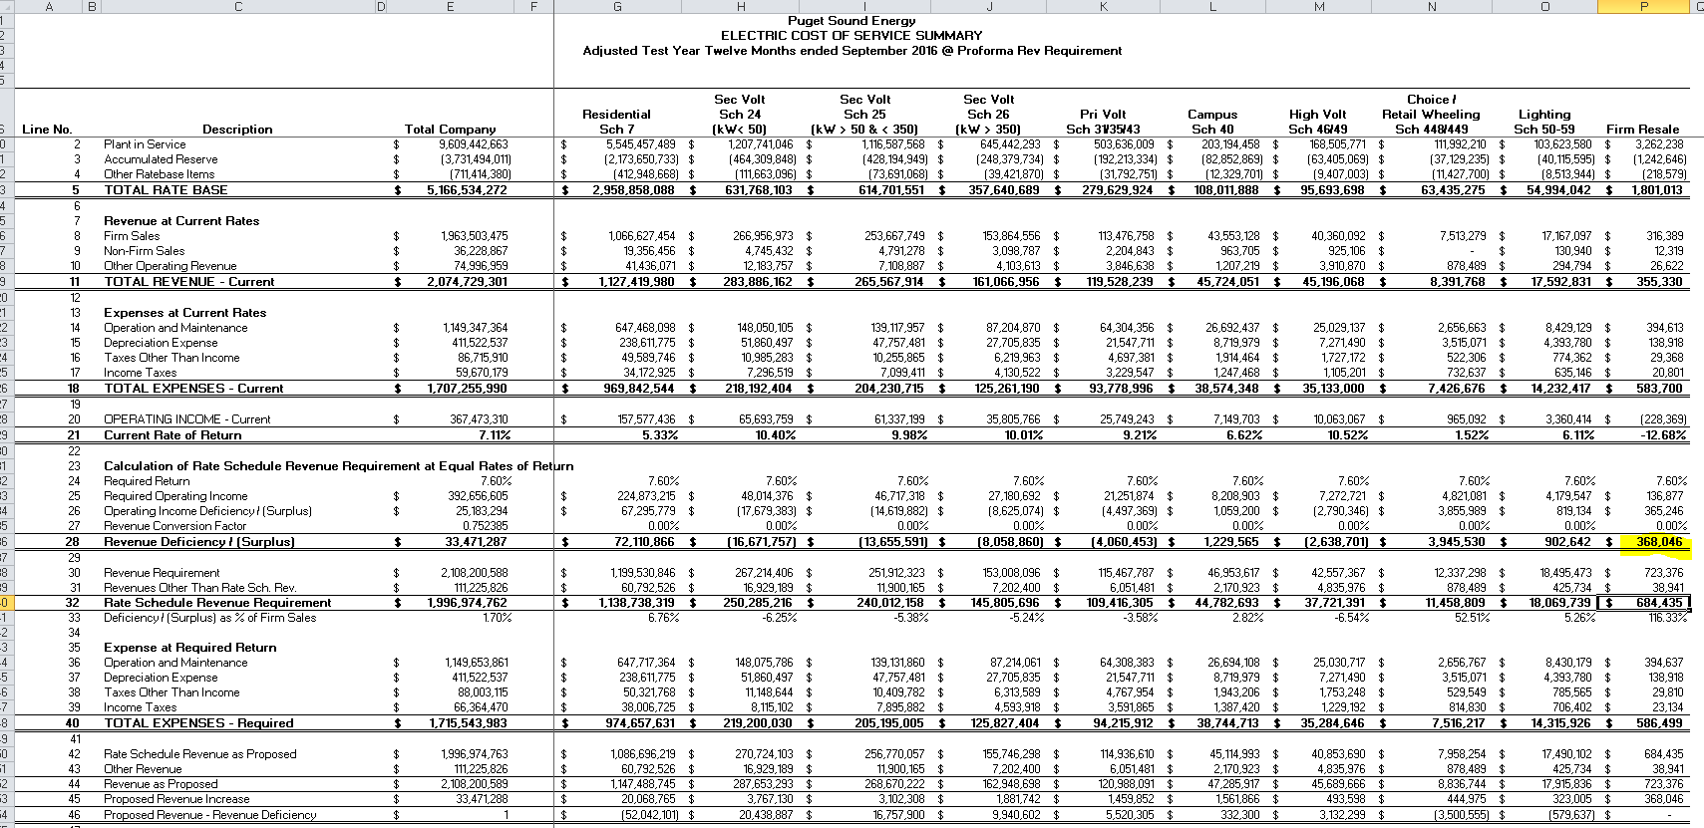
SCHEDULE 005
Wholesale for Resale
Annual Customer Count | 96
Energy Charge
All kWh | 6,797,340 | $0.035140 | $238,859 | $0.035140 | $238,859
Temperature Adjustment | 145,693 | $0.035140 | $5,120 | $0.035140 | $5,120
Unbilled | (13,230) | $0.045657 | ($604) | $0.045657 | ($604)
Subtotal | 6,929,803 |  | $243,375 |  | $243,375

Demand Charge | 13,806 | $5.250 | $72,482 | $5.250 | $72,482

Reactive Power Charge | 2,144,520 | $0.00025 | $536 | $0.00025 | $536

Revenue Deficiency |  |  |  |  | $368,046 | Cost of Service

Total |  |  | $316,393 |  | $684,439 | Target Dollars | $684,439 | 76.00%
 |  |  |  |  |  | Difference | $0

