2024 Budget
Exhibit 1
Go to two-year Portfolio view
Go to 2025 Portfolio view
 |  |  |  | BCP 2024
 |  |  | PSE Conservation Rider Savings Goals and Budgets
 | 10-Apr-2024
Titles are hyperlinks to 2024 Sector Views
Schedule Nos. (Unless otherwise noted, applies to both electric and gas) | Program Name |  |  | MWh Savings | Electric Rider Budget | Therm Savings | Gas Rider Budget | Total Rider Budget
 | (All indented program or activity names are color-coded and comprise the totals of the above program or activity grouping.)
 | Residential Energy Management
201 | Low Income Weatherization |  |  | 2,154 | $10,761,230 | 21,918 | $1,584,341 | $12,345,570
214 | Single Family Existing Subtotal |  |  | 66,624 | $22,524,650 | 2,219,643 | $13,965,386 | $36,469,706
 |  | Residential lighting |  | 140 | $166,272 |  |  | $166,272
 |  | Space heat |  | 8,587 | $6,563,900 | 210,685 | $1,567,939 | $8,131,839
 |  | Water heat |  | 712 | $837,015 | 61,231 | $662,891 | $1,499,905
 |  | Home Energy Assessment |  | - | $- |  |  | $-
 |  | Home Appliances |  | 689 | $879,360 | 4,836 | $- | $879,360
 |  | Smart Thermostats |  | 967 | $999,111 | 291,511 | $2,172,016 | $3,171,127
 |  | Weatherization |  | 1,671 | $3,564,610 | 334,873 | $7,117,961 | $10,682,570
 |  | Home Energy Reports |  | 39,804 | $2,341,881 | 1,244,780 | $1,934,235 | $4,276,115
 |  | Midstream HVAC and Water Heat |  | 13,909 | $7,152,173 | 71,727 | $510,345 | $7,662,518
 |  | SF Electric Vehicle Chargers |  | 145 | $20,330 |  |  | $20,330
215 | Single Family New Construction |  |  | 501 | $1,111,052 | 547 | $14,800 | $1,125,852
214 & 217 | Moderate Income Residences |  |  | - | $101,488 | - | $75,866 | $177,354
217 | Multifamily Retrofit |  |  | 5,421 | $6,579,587 | 14,676 | $279,950 | $6,859,537
218 | Multifamily New Construction |  |  | 4,015 | $2,543,662 | 4,000 | $38,789 | $2,582,451
 | Total, Residential Programs |  |  | 78,715 | $43,621,667 | 2,260,784 | $15,959,132 | $59,560,470

 | Business Energy Management
250 | Commercial / Industrial Retrofit |  |  | 44,100 | $21,655,554 | 393,000 | $2,796,140 | $24,451,694
251 | Commercial/Industrial New Construction |  |  | 3,000 | $1,950,567 | 20,000 | $256,995 | $2,207,562
253 | Commercial Strategic Energy Management |  |  | 14,745 | $2,801,955 | 382,502 | $961,256 | $3,763,210
E258 | Large Power User - Self Directed Program Subtotal |  |  | 2,991 | $2,434,623 |  |  | $2,434,623
E258 |  | 449 Customers |  | 2,000 | $1,338,178 |  |  | $1,338,178
E258 |  | Non-449 Customers |  | 991 | $1,096,446 |  |  | $1,096,446
262 | Commercial Rebates |  |  | 31,301 | $16,038,384 | 522,699 | $3,810,211 | $19,848,595
 | Subtotal, Business Programs |  |  | 96,136 | $44,881,083 | 1,318,201 | $7,824,602 | $52,705,685

 | Pilots With Uncertain Savings
249 | Residential |  |  | - | $10,920 | - | $- | $10,920
249 | Commercial |  |  | - | $- | - | $- | $-
 | Subtotal, Pilots |  |  | - | $10,920 | - | $- | $10,920

 | Regional Efficiency Programs
E254 | NW Energy Efficiency Alliance (NEEA) |  |  | 16,722 | $4,916,640 |  |  | $4,916,640
 | NEEA Natural Gas Market Transformation |  |  |  |  | - | $1,590,236 | $1,590,236
219 | Targeted DSM Pilot |  |  | - | $568,967 | - | $286,553 | $855,520
E292 | Generation, Transmission and Distribution |  |  | 8,878 | $- |  |  | $-
 | Subtotal, Regional Programs |  |  | 25,600 | $5,485,607 | - | $1,876,789 | $7,362,396

 | Energy Efficiency Portfolio Support
 | Data and Systems Services |  |  |  | $1,085,560 |  | $172,584 | $1,258,144
 | Rebates Processing |  |  |  | $1,136,386 |  | $156,149 | $1,292,535
 | Verification Team |  |  |  | $1,127,835 |  | $157,590 | $1,285,425
 | Programs Support |  |  |  | $1,272,897 |  | $190,203 | $1,463,100
 | Trade Ally Memberships |  |  |  | $174,000 |  | $26,000 | $200,000
 | Trade Ally Network (revenue + cost) |  |  |  | $(19,490) |  | $510 | $(18,980)
 | Automated Benchmarking System |  |  |  | $644,228 |  | $507,228 | $1,151,455
 | Energy Advisors |  |  |  | $1,592,663 |  | $253,112 | $1,845,774
 | Public Participation - Equity |  |  |  | $43,635 |  | $43,635 | $87,270
 | Energy Efficient Communities |  |  |  | $1,295,482 |  | $194,794 | $1,490,276
 | Customer Digital Services |  |  |  | $1,747,923 |  | $684,289 | $2,432,212
 | Market Integration |  |  |  | $2,167,841 |  | $323,792 | $2,491,633
 | Events |  |  |  | $521,924 |  | $113,474 | $635,398
 | Subtotal, Portfolio Support |  |  |  | $12,790,883 |  | $2,823,358 | $15,614,242

 | Energy Efficiency Research & Compliance
 | Conservation Supply Curves |  |  |  | $281,780 |  | $37,429 | $319,209
 | Strategic Planning |  |  |  | $650,310 |  | $108,878 | $759,188
 | Market Research |  |  |  | $167,960 |  | $33,592 | $201,552
 | Program Evaluation |  |  |  | $2,058,161 |  | $308,163 | $2,366,324
 | Biennial Conservation Acquisition Review |  |  |  | $143,000 |  | $7,000 | $150,000
 | Energy Efficient Technology Evaluation |  |  |  | $75,000 |  | $- | $75,000
 | Subtotal, Research & Compliance |  |  |  | $3,376,211 |  | $495,062 | $3,871,273

Total Savings, Efficiency Programs Included in CE Calculations |  |  |  | 200,451 | $110,166,371 | 3,578,985 | $28,978,944 | $139,145,315

 | Other Customer Programs
E150 | Net Metering |  |  |  | $4,094,275 |  |  | $4,094,275
249A | Demand Response Pilot |  |  |  | $320,000 |  | $180,000 | $500,000
272, 271 | Demand Response Administration |  |  |  | $4,930,745 |  |  | $4,930,745
 | Subtotal, Other Energy Efficiency Programs |  |  |  | $9,345,020 |  | $180,000 | $9,525,020

Go to Building the Electric Target Page
Go to Building the Electric Target Page
Go to Building the Gas Target Page
 | TOTAL UTILITY CONSERVATION PORTFOLIO |  |  | 200,451 MWh | $119,511,391 | 3,578,985 | $29,158,944 | $148,670,335
 | Savings and Budgets |  |  | 22.9 aMW

 |  | Blue cells = use for 10% "info-only" calculation: |  |  | 11.6% |  | 9.7%
 |  |  | Add up all blue cells and divide by "Total, Efficiency Programs Included in CE Calculations" line.
 |  |  | HER program costs excluded from "info-only" calculation because savings will be measured.

 |  | Purple cells = use to indicate a reasonable amt. spent on EM&V (condition (6)(c)): |  |  | 5.0% |  | 2.7%
 |  | EM&V Budget (WAC 480-109-120(1)(b)(vi)(B)) |  |  | $4,414,556 |  | $645,337
 |  |  | (Line bh) Add up the sum of [Data & Systems Services + Program Evaluation + BECAR + Verification] purple cells and divide by the [Residential + Business] purple cells.
 |  |  | (Line bi) Add up the sum of [Data & Systems Services + Program Evaluation + BECAR + Verification] purple cells

2023 Budget Specific
Exhibit 1
Go to two-year Portfolio View
Go to 2022 Portfolio View
Titles are hyperlinks to 2023
Sector Views
 |  |  |  | ACP 2023
 |  |  | PSE Conservation Rider Savings Goals and Budgets
 | 10-Apr-2024
Schedule Nos. (Unless otherwise noted, applies to both electric and gas) | Program Name |  |  | MWh Savings | Electric Rider Budget | Therm Savings | Gas Rider Budget | Total Rider Budget
 | (All indented program or activity names are color-coded and comprise the totals of the above program or activity grouping.)
 | Residential Energy Management
201 | Low Income Weatherization |  |  | 1,999 | $8,079,753 | 19,471 | $1,265,186 | $9,344,939
214 | Single Family Existing Subtotal |  |  | 74,813 | $19,208,868 | 2,739,139 | $11,331,927 | $30,540,795
 |  | Residential lighting |  | 633 | $738,328 |  |  | $738,328
 |  | Space heat |  | 9,291 | $5,114,069 | 623,632 | $4,626,222 | $9,740,291
 |  | Water heat |  | 1,449 | $1,232,074 | 65,269 | $544,806 | $1,776,880
 |  | Home Energy Assessment |  | - | $- |  |  | $-
 |  | Home Appliances |  | 828 | $912,071 | 6,108 | $- | $912,071
 |  | Smart Thermostats |  | 762 | $1,071,596 | 253,302 | $1,885,926 | $2,957,522
 |  | Water Use Reducers |  | - | $- | - | $- | $-
 |  | Weatherization |  | 1,335 | $1,295,886 | 251,738 | $2,679,766 | $3,975,652
 |  | Home Energy Reports |  | 46,739 | $2,084,683 | 1,539,090 | $1,595,207 | $3,679,890
 |  | Midstream HVAC and Water Heat |  | 13,776 | $6,760,161 | - | - | $6,760,161
215 | Single Family New Construction |  |  | 360 | $418,070 | 6,802 | $80,754 | $498,824
214 & 217 | Moderate Income Residences |  |  | - | $86,193 | - | $78,984 | $165,176
217 | Multifamily Retrofit |  |  | 9,105 | $9,598,797 | 37,525 | $630,814 | $10,229,612
218 | Multifamily New Construction |  |  | 4,000 | $2,146,822 | 15,000 | $149,537 | $2,296,359
 | Total, Residential Programs |  |  | 90,278 | $39,538,503 | 2,817,937 | $13,537,202 | $53,075,705

 | Business Energy Management
250 | Commercial / Industrial Retrofit |  |  | 67,050 | $27,179,818 | 507,000 | $2,693,975 | $29,873,793
251 | Commercial/Industrial New Construction |  |  | 17,500 | $7,015,396 | 90,000 | $319,918 | $7,335,314
253 | Commercial Strategic Energy Management |  |  | 16,000 | $2,734,047 | 401,500 | $866,419 | $3,600,466
E258 | Large Power User - Self Directed Program Subtotal |  |  | 1,866 | $1,654,076 |  |  | $1,654,076
E258 |  | 449 Customers |  | 1,632 | $1,235,330 |  |  | $1,235,330
E258 |  | Non-449 Customers |  | 234 | $418,746 |  |  | $418,746
261 | Energy Efficient Technology Evaluation |  |  | - | $- | - | $- | $-
262 | Commercial Rebates |  |  | 37,990 | $15,385,760 | 576,802 | $3,298,198 | $18,683,959
 | Subtotal, Business Programs |  |  | 140,407 | $53,969,097 | 1,575,302 | $7,178,510 | $61,147,607

 | Pilots With Uncertain Savings
249 | Residential |  |  | 359 | $1,961,260 | - | $871,984 | $2,833,243
249 | Commercial |  |  | - | $- | - | $- | $-
 | Subtotal, Pilots |  |  | 359 | $1,961,260 | - | $871,984 | $2,833,243

 | Regional Efficiency Programs
E254 | NW Energy Efficiency Alliance (NEEA) |  |  | 14,628 | $4,916,640 |  |  | $4,916,640
 | NEEA Natural Gas Market Transformation |  |  |  |  | - | $1,590,236 | $1,590,236
219 | Targeted DSM Pilot |  |  | - | $663,641 | - | $302,632 | $966,273
E292 | Generation, Transmission and Distribution |  |  | 6,000 | $- |  |  | $-
 | Subtotal, Regional Programs |  |  | 20,628 | $5,580,281 | - | $1,892,868 | $7,473,149

 | Energy Efficiency Portfolio Support
 | Data and Systems Services |  |  |  | $1,058,134 |  | $158,112 | $1,216,246
 | Rebates Processing |  |  |  | $1,063,196 |  | $158,300 | $1,221,496
 | Verification Team |  |  |  | $731,637 |  | $109,276 | $840,913
 | Programs Support |  |  |  | $1,134,297 |  | $169,613 | $1,303,910
 | Trade Ally Memberships |  |  |  | $121,800 |  | $18,200 | $140,000
 | Trade Ally Network (revenue + cost) |  |  |  | $68,530 |  | $54,967 | $123,497
 | Automated Benchmarking System |  |  |  | $837,426 |  | $209,356 | $1,046,782
 | Energy Advisors |  |  |  | $1,573,473 |  | $225,072 | $1,798,546
 | Energy Efficient Communities |  |  |  | $1,312,048 |  | $201,030 | $1,513,078
 | Customer Digital Services |  |  |  | $1,999,415 |  | $615,743 | $2,615,158
 | Market Integration |  |  |  | $1,506,062 |  | $226,385 | $1,732,448
 | Events |  |  |  | $976,836 |  | $202,192 | $1,179,028
 | Subtotal, Portfolio Support |  |  |  | $12,382,854 |  | $2,348,248 | $14,731,102

 | Energy Efficiency Research & Compliance
 | Conservation Supply Curves |  |  |  | $492,006 |  | $70,376 | $562,382
 | Strategic Planning |  |  |  | $561,396 |  | $83,887 | $645,283
 | Market Research |  |  |  | $224,662 |  | $33,570 | $258,233
 | Program Evaluation |  |  |  | $1,675,751 |  | $363,902 | $2,039,653
 | Biennial Electric Conservation Acquisition Review |  |  |  | $150,000 |  |  | $150,000
 | Subtotal, Research & Compliance |  |  |  | $3,103,816 |  | $551,735 | $3,655,550

Total Savings, Efficiency Programs Included in CE Calculations |  |  |  | 251,673 | $116,535,811 | 4,393,239 | $26,380,546 | $142,916,357

 | Other Customer Programs
E150 | Net Metering |  |  |  | $4,852,706 |  |  | $4,852,706
249A, 271 | Demand Response Pilot |  |  |  | $300,000 |  | $100,000 | $400,000
E271 | Demand Response Administration |  |  |  | $1,104,696
 | Subtotal, Other Energy Efficiency Programs |  |  |  | $6,257,402 |  | $100,000 | $6,357,402

Go to Building the Electric Target Page
Go to Building the Gas Target Page
 | TOTAL SAVINGS AND TOTAL BUDGETS |  |  | 251,673 MWh | $122,793,213 | 4,393,239 | $26,480,546 | $149,273,760
 |  |  |  | 28.7 aMW

 |  | Blue cells = use for 10% "info-only" calculation: |  |  | 12.3% |  | 12.2%
 |  |  | Add up all blue cells and divide by "Total, Efficiency Programs Included in CE Calculations" line.
 |  |  | HER program costs excluded from "info-only" calculation because savings will be measured.

 |  | Purple cells = use to indicate a reasonable amt. spent on EM&V (condition (6)(c)): |  |  | 3.9% |  | 3.0%
 |  | EM&V Budget (WAC 480-109-120(1)(b)(vi)(B)) |  |  | $3,615,522 |  | $631,289
 |  |  | (Line bh) Add up the sum of [Data & Systems Services + Program Evaluation + BECAR + Verification] purple cells and divide by the [Residential + Business] purple cells.
 |  |  | (Line bi) Add up the sum of [Data & Systems Services + Program Evaluation + BECAR + Verification] purple cells

CY Conv Fctr
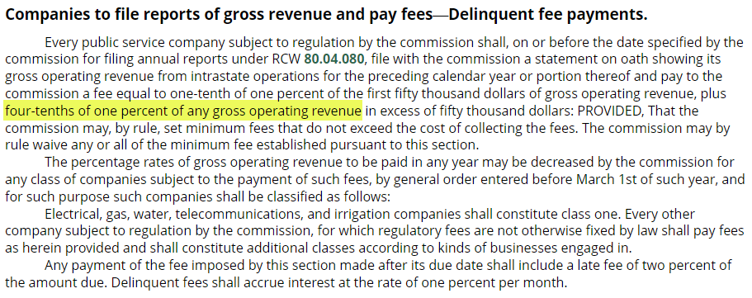
 | From UG-220067 UPDATED FOR NEW FILING FEE
PUGET SOUND ENERGY-GAS
CONVERSION FACTOR
FOR THE TWELVE MONTHS ENDED JUNE 30, 2021
2022 GENERAL RATE CASE

LINE
NO. | DESCRIPTION | %'s | RATE

1 | BAD DEBTS |  | 0.004198
2 | ANNUAL FILING FEE |  | 0.004000
3 | STATE UTILITY TAX - NET OF BAD DEBTS ( 3.852% - ( LINE 1 * 3.852%) ) | 3.8520% | 0.038358
4
5 | SUM OF TAXES OTHER |  | 0.046556
6
7 | CONVERSION FACTOR EXCLUDING FEDERAL INCOME TAX ( 1 - LINE 5) |  | 0.953444
8 | FEDERAL INCOME TAX | 21% | 0.200223
9 | CONVERSION FACTOR INCL FEDERAL INCOME TAX ( LINE 5 + LINE 8 ) |  | 0.753221

AC 1820042
 |  |  |  |  | 18230042
Actual Revenues (net of Revenue Sensitive Items) |  |  |  |  | UG950288 DSM Tracker Balance
May 2023 through December 2023 |  |  |  | 12,102,259 | Amounts booked to this account are already net of revenue sensitive items
Remove Transfer |  |  |  | (24,507,227)
Subtotal 2023 |  |  |  | (12,404,968)
Add January 2024 Revenues |  |  |  | (4,023,017)
Total for True-Up for Current Year Revenues |  |  |  | (16,427,985)

February through April 2023 |  |  |  | (7,931,308)
Total for True-Up for Prior Year Revenues |  |  |  | (7,931,308)

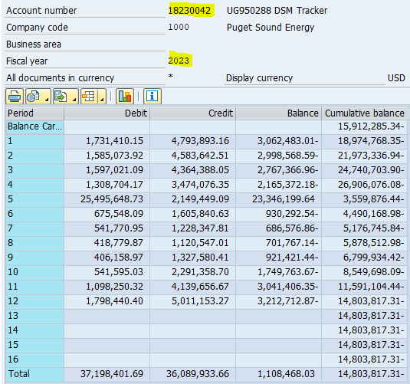
Year 2023
Period | Debit | Credit | Balance | Cumulative balance
Balance Carryforward | - | - | - | (15,912,285) | Year/month | Amount in local currency | Text
1 | 1,731,410 | 4,793,893 | (3,062,483) | (18,974,768) | 2023-05-02 | 988,422 | Gas Conservation Unbilled - 04/23
2 | 1,585,074 | 4,583,643 | (2,998,569) | (21,973,337) | 2023-05-15 | 24,507,227 | Transf. 2022 G Conservation Recovery Amt.
3 | 1,597,021 | 4,364,388 | (2,767,367) | (24,740,704) | 2023-06-02 | (1,473,901) | Gas Conservation Billed - 05/23
4 | 1,308,704 | 3,474,076 | (2,165,372) | (26,906,076) | 2023-06-02 | (675,548) | Gas Conservation Unbilled - 05/23
5 | 25,495,649 | 2,149,449 | 23,346,200 | (3,559,876) | Account 18230042 | 23,346,200 | May Net Activity
6 | 675,548 | 1,605,841 | (930,293) | (4,490,169)
7 | 541,771 | 1,228,348 | (686,577) | (5,176,746) | Remove Transfer | (24,507,227)
8 | 418,780 | 1,120,547 | (701,767) | (5,878,513) | Receipts | (1,161,028) | May Receipts
9 | 406,159 | 1,327,580 | (921,421) | (6,799,934)
10 | 541,595 | 2,291,359 | (1,749,764) | (8,549,698)
11 | 1,098,250 | 4,139,657 | (3,041,406) | (11,591,104)
12 | 1,798,440 | 5,011,153 | (3,212,713) | (14,803,817)
13 | - | - | - | (14,803,817)
14 | - | - | - | (14,803,817)
15 | - | - | - | (14,803,817)
16 | - | - | - | (14,803,817)
Total | 37,198,402 | 36,089,934 | 1,108,468

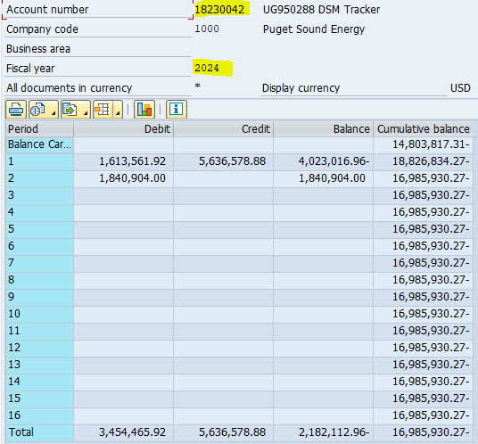
Year 2024
Period | Debit | Credit | Balance | Cumulative balance
Balance Carryforward | - | - | - | (14,803,817)
1 | 1,613,562 | 5,636,579 | (4,023,017) | (18,826,834)
2 | 1,840,904 | - | 1,840,904 | (16,985,930)
3 | - | - | - | (16,985,930)
4 | - | - | - | (16,985,930)
5 | - | - | - | (16,985,930)
6 | - | - | - | (16,985,930)
7 | - | - | - | (16,985,930)
8 | - | - | - | (16,985,930)
9 | - | - | - | (16,985,930)
10 | - | - | - | (16,985,930)
11 | - | - | - | (16,985,930)
12 | - | - | - | (16,985,930)
13 | - | - | - | (16,985,930)
14 | - | - | - | (16,985,930)
15 | - | - | - | (16,985,930)
16 | - | - | - | (16,985,930)
Total | 3,454,466 | 5,636,579 | (2,182,113)

Actual Program Costs
Total 2023 Spending to Include in Calculation of the True Up to Electric Schedule 120

Gas Cost
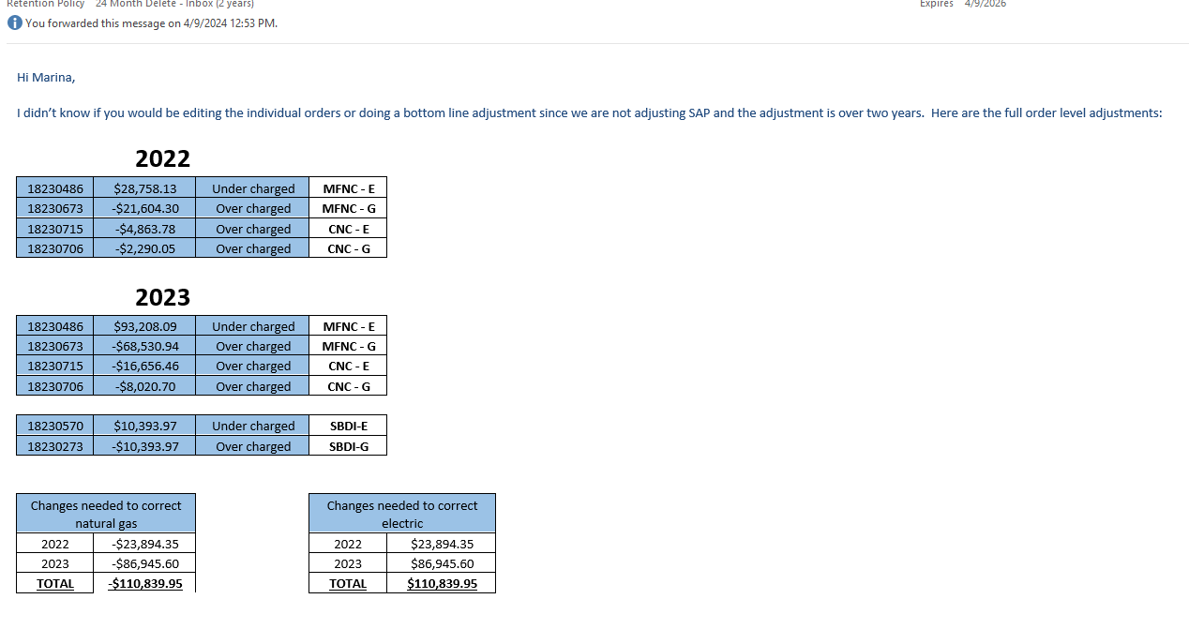
Schedule | Gas Programs | Orders | 2023 Total | Post filing Correction | In Revised Filing
G65 | Portfolio Savings Review - Gas | 18230262 | $8,762 |  | $8,762
G64 | Program Evaluation - Gas | 18230263 | $368,687 |  | $368,687
G63 | Market Research - Gas | 18230260 | $29,807 |  | $29,807
G62 | Strategic Planning - Gas | 18230261 | $68,988 |  | $68,988
G512 | Events - Gas | 18230225 | $172,214 |  | $172,214
G511 | Market Integration - Gas | 18230224 | $192,561 |  | $192,561
G510 | PSE Marketplace - Gas (ShopPSE) | 18230662 | $172,342 |  | $172,342
 | Digital Experience - Gas | 18230228 | $61,817 |  | $61,817
 | Customer Online Experience - Gas | 18230271 | $119,785 |  | $119,785
 | Customer Awareness Tools - Gas | 18230272 | $155,790 |  | $155,790
G51 | Supply Curves - Gas | 18230264 | $96,270 |  | $96,270
G509 | Energy Efficient Communities - Gas | 18230227 | $158,686 |  | $158,686
G508 | Energy Advisors - Gas | 18230226 | $234,156 |  | $234,156
G507 | EnergyCAP - Gas | 18230265 | $321,838 |  | $321,838
G506 | Trade Ally Network - Gas | 18230268 | $(52,729) |  | $(52,729)
G504 | 4420 - Program Support Conservation - Gas | 18230688 | $128,018 |  | $128,018
G503 | 4445 - EES Verification - Gas | 18230668 | $55,294 |  | $55,294
G502 | 4429 - Rebates Processing Gas | 18230659 | $24,597 |  | $24,597
G501 | 4445 - Data & Systems Services - Gas | 18231005 | $165,292 |  | $165,292
G270 | 4420 - Sch 270 Trade Ally Support - Gas | 18230698 | $57,937 |  | $57,937
G262 | Small Business Direct Install - Gas | 18230273 | $26,325 | $(10,394) | $15,931
 | Commercial HVAC Rebates - Gas | 18231029 | $24,395 |  | $24,395
 | Commercial Foodservice - Gas | 18231027 | $3,728,527 |  | $3,728,527
 | Comm Midstream HVAC & Water Heat - Gas | 18230248 | $1,609,711 |  | $1,609,711
G254 | 4420 - NEEA Gas Market Transformation | 18230660 | $1,590,238 |  | $1,590,238
G253 | Sch 208 Gas Resource Conservation Management | 18230691 | $720,147 |  | $720,147
 | 4440 - Pay for Performance - Gas | 18231039 | $128,867 |  | $128,867
G251 | Sch 251 Gas C/I New Construction | 18230706 | $371,859 | $(10,311) | $361,548
G250 | Sch 205 Gas C/I Energy Efficiency | 18230731 | $3,050,505 |  | $3,050,505
 | Clean Buildings Accelerator - Gas | 18230220 | $235,860 |  | $235,860
 | 4440 - Industrial Energy Management - Gas | 18231037 | $16,991 |  | $16,991
G249R | EE new Pilot Program Hybrid Heating - Gas | 18230222 | $4,200 |  | $4,200
G249A | Demand Response - Gas | 18230266 | $24,998 |  | $24,998
G219 | Targeted Demand-Side Mgmt - Gas | 18230267 | $157,263 |  | $157,263
G218 | 4430 - Multi-family New Construction - Gas | 18230673 | $175,350 | $(90,135) | $85,214
G217 | Multi-Family Retrofit - Gas | 18230736 | $273,258 |  | $273,258
G215 | Residential New Construction | 18230684 | $66,255 |  | $66,255
 | 4430 - Manufactured Home New Construction - Gas | 18230752 | $31,473 |  | $31,473
G214 | Residential Midstream HVAC & W Heat-Gas | 18230161 | $257 |  | $257
 | Regional Matching Incentives | 18230872 | $25,889 |  | $25,889
 | 4430 - SF Web-Enabled Thermostat - Gas | 18230687 | $1,848,642 |  | $1,848,642
 | 4430 - SF Existing Wx - Gas | 18230637 | $2,608,875 |  | $2,608,875
 | 4430 - SF Existing Space Heat - Gas | 18230638 | $4,517,228 |  | $4,517,228
 | 4430 - Residential Natural Gas Water Heat - Gas | 18230249 | $521,050 |  | $521,050
 | 4430 - Positive Energy Behav Modification | 18230738 | $1,522,919 |  | $1,522,919
 | 4430 - Moderate Income Residential Pilot Program - Gas | 18230254 | $88,491 |  | $88,491
G203 | LIW - Gas Tracker | 18230661 | $2,001,794 |  | $2,001,794

 | Total To Report |  | $27,911,479 | $(110,840) | $27,800,639
 | Exclude LIW Shareholder Contribution |  | $- | $-
 | Actual Expenditures for Non-449 |  | $27,911,479 | $(110,840) | $27,800,639

 | Note: Amounts highlighted in yellow are different from the March 1, 2024 original filing.

