Earnings Sharing
ZRW_ZO12
Order Group: EB_GAS.OVER
12ME Dec 2022

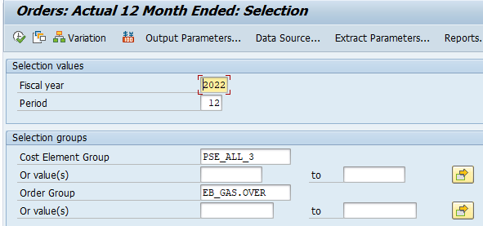

total | 0

