TY
Puget Sound Energy
12ME Dec 31, 2021
Rate Case Costs

 |  | Elec | Gas
Orders | Act. Costs | 65.98% | 34.02%

92800108 - 2014 PCORC (Electric)
92800621 - 2020 PCORC (Common) | 268,213 | 176,967 | 91,246
Total PCORC for Test Year | 268,213 | 176,967 | 91,246

2017 GRC
92800825 GRC Rev Req
92800826 GRC
92800828 GRC (Common)
92800610 GRC (Common)
2019 GRC
92800613 GRC (Common) | 15,944 | 10,520 | 5,424
2021 GRC
order 92800117 2021 General Rate Case - Common | 1,308,153 | 863,120 | 445,034
order 92800118 2021 General Rate Case - Elec | 577,494 | 577,494 | -
order 92800119 2021 General Rate Case - Gas | 219,402 | - | 219,402

GRC Costs | 2,120,993 | 1,451,133 | 669,860

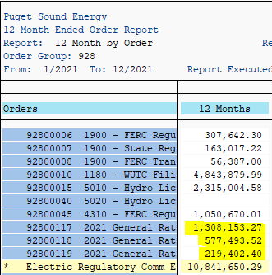
ZO12 Orders: Actual 12 Month Ended
Run Date: 02/1/2021

Run Order Group 928 by order to check for new rate case orders.

Summary GRCs
SUMMARY GRC: Cumulative Expenditures through 12/31/2021

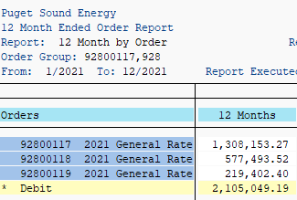
 | Total | 2015 | 2016 | 2017 | 2018 | 2019 | 2020 | 2021
2017 GRC
order 92800825 GRC Rev Req | 5,299 | - | - | 5,299 | - | - | - | -
order 92800826 GRC | 74,033 | - | - | 91,960 | (17,998) | 71 | - | -
order 92800828 GRC (Common) | 33,341 | - | - | 33,341 | - | - | - | -
order 92800610 GRC (Common) | 2,139,083 | 118,074 | 275,412 | 1,745,432 | 165.00 | - | - | -
Total 2017 GRC Cost | 2,251,755 | 118,074 | 275,412 | 1,876,032 | (17,833) | 71 | - | -

2019 GRC | Total | 2015 | 2016 | 2017 | 2018 | 2019 | 2020 | 2021
order 92800613 GRC (Common) | 3,135,957 | - | - | - |  | 1,735,656 | 1,384,357 | 15,944
 | 3,135,957 | - | - | - | - | 1,735,656 | 1,384,357 | 15,944

2022 GRC | Total | 2015 | 2016 | 2017 | 2018 | 2019 | 2020 | 2021
order 92800117 2021 GRC (Common) | 1,308,153 | - | - | - | - | - | - | 1,308,153
order 92800118 2021 GRC - Elec | 577,494 | - | - | - | - | - | - | 577,494
order 92800119 2021 GRC - Gas | 219,402 | - | - | - | - | - | - | 219,402
Total 2021 GRC Cost | 2,105,049 | - | - | - | - | - | - | 2,105,049

Total GRC direct charges | 7,492,762

