Earnings Sharing
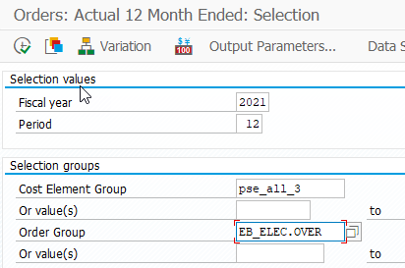
SAP: ZRW_ZO12
Order Group: EB_ELEC.OVER
12ME December 2022

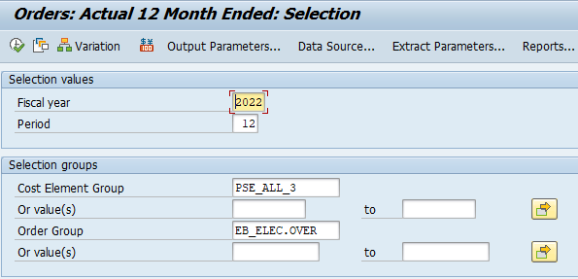

 | OverEarnings | OverEarnings

TGrants
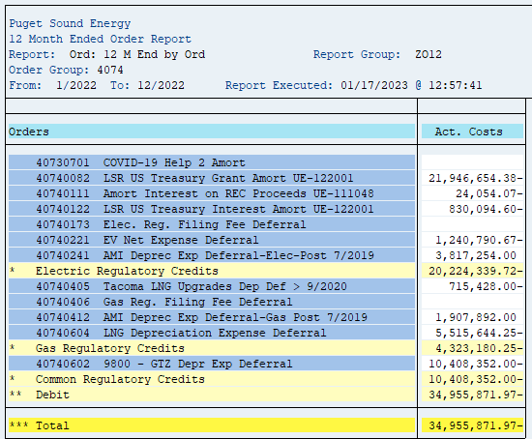
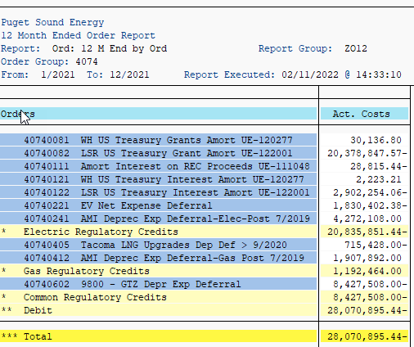
SAP: ZRW_ZO12
Order Group: 4074
12ME December 2022

Orders | Act. Costs |  | Orders | Act. Costs
40730701 COVID-19 Help 2 Amort |  |  | 40740081 WH US Treasury Grants Amort UE-120277 | 30,137
40740082 LSR US Treasury Grant Amort UE-122001 | (21,946,654) | (21,946,654) | 40740082 LSR US Treasury Grant Amort UE-122001 | (20,378,848)
40740111 Amort Interest on REC Proceeds UE-111048 | 24,054.07- |  | 40740111 Amort Interest on REC Proceeds UE-111048 | 28,815.44-
40740122 LSR US Treasury Interest Amort UE-122001 | (830,095) | (830,095) | 40740121 WH US Treasury Interest Amort UE-120277 | 2,223
40740173 Elec. Reg. Filing Fee Deferral |  |  | 40740122 LSR US Treasury Interest Amort UE-122001 | (2,902,254) | (23,248,742)
40740221 EV Net Expense Deferral | 1,240,790.67- |  | 40740221 EV Net Expense Deferral | 1,830,402.38-
40740241 AMI Deprec Exp Deferral-Elec-Post 7/2019 | 3,817,254.00 |  | 40740241 AMI Deprec Exp Deferral-Elec-Post 7/2019 | 4,272,108.00
* Electric Regulatory Credits | 20,224,339.72- |  | * Electric Regulatory Credits | 20,835,851.44-
40740405 Tacoma LNG Upgrades Dep Def > 9/2020 | 715,428.00- |  | 40740405 Tacoma LNG Upgrades Dep Def > 9/2020 | 715,428.00-
40740406 Gas Reg. Filing Fee Deferral |  |  | 40740412 AMI Deprec Exp Deferral-Gas Post 7/2019 | 1,907,892.00
40740412 AMI Deprec Exp Deferral-Gas Post 7/2019 | 1,907,892.00 |  | * Gas Regulatory Credits | 1,192,464.00
40740604 LNG Depreciation Expense Deferral | 5,515,644.25- |  | 40740602 9800 - GTZ Depr Exp Deferral | 8,427,508.00-
* Gas Regulatory Credits | 4,323,180.25- |  | * Common Regulatory Credits | 8,427,508.00-
40740602 9800 - GTZ Depr Exp Deferral | 10,408,352.00- |  | ** Debit | 28,070,895.44-
* Common Regulatory Credits | 10,408,352.00- |  | *** Total | 28,070,895.44-
** Debit | (34,955,871.97) | (22,776,749)

PTC
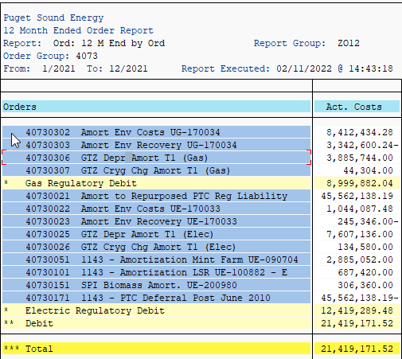
SAP: ZRW_ZO12 |  | ZO12 Orders: Actual 12 Month Ended
Order Group: 4073 |  | Date: 02/04/2021
12ME December 2022 |  | Pages: 0
 |  | Requested by: NCHAR

Orders | Act. Costs | Orders | Act. Costs
40730302 Amort Env Costs UG-170034 | 8,412,434.28 | 40730302 Amort Env Costs UG-170034 | 8,412,434.28
40730303 Amort Env Recovery UG-170034 | 3,342,600.24- | 40730303 Amort Env Recovery UG-170034 | 3,342,600.24-
40730306 GTZ Depr Amort T1 (Gas) | 3,885,744.00 | 40730306 GTZ Depr Amort T1 (Gas) | 3,885,744.00
40730307 GTZ Cryg Chg Amort T1 (Gas) | 44,304.00 | 40730307 GTZ Cryg Chg Amort T1 (Gas) | 44,304.00
* Gas Regulatory Debit | 8,999,882.04 | * Gas Regulatory Debit | 8,999,882.04
40730022 Amort Env Costs UE-170033 | 1,044,087.48 | 40730021 Amort to Repurposed PTC Reg Liability | 45,562,138.19
40730023 Amort Env Recovery UE-170033 | 245,346.00- | 40730022 Amort Env Costs UE-170033 | 1,044,087.48
40730025 GTZ Depr Amort T1 (Elec) | 7,607,136.00 | 40730023 Amort Env Recovery UE-170033 | 245,346.00-
40730026 GTZ Cryg Chg Amort T1 (Elec) | 134,580.00 | 40730025 GTZ Depr Amort T1 (Elec) | 7,607,136.00
40730051 1143 - Amortization Mint Farm UE-090704 | 2,885,052.00 | 40730026 GTZ Cryg Chg Amort T1 (Elec) | 134,580.00
40730101 1143 - Amortization LSR UE-100882 - E | 687,420.00 | 40730051 1143 - Amortization Mint Farm UE-090704 | 2,885,052.00
40730151 SPI Biomass Amort. UE-200980 | 612,720.00 | 40730101 1143 - Amortization LSR UE-100882 - E | 687,420.00
* Electric Regulatory Debit | 12,725,649.48 | 40730151 SPI Biomass Amort. UE-200980 | 306,360.00
** Debit | 21,725,531.52 | 40730171 1143 - PTC Deferral Post June 2010 | 45,562,138.19-
*** Total | 21,725,531.52 | * Electric Regulatory Debit | 12,419,289.48
 |  | ** Debit | 21,419,171.52
there are no $ amount for 40730021, 40730171 | - | *** Total | 21,419,171.52

      

