Schedule 129
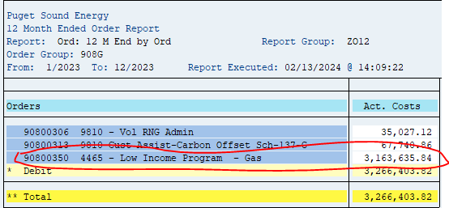
ZRW_Zo12
Order Group: 908G

90800350 4465 - Low Income Program - Gas | 3,163,635.84

Schedule 120
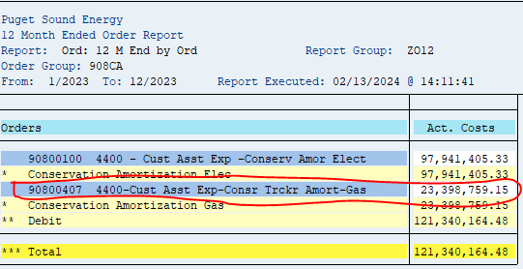
ZRW_Zo12
Order Group: 908CA

90800407 4400-Cust Asst Exp-Consr Trckr Amort-Gas | 23,398,795.15

Schedule 140
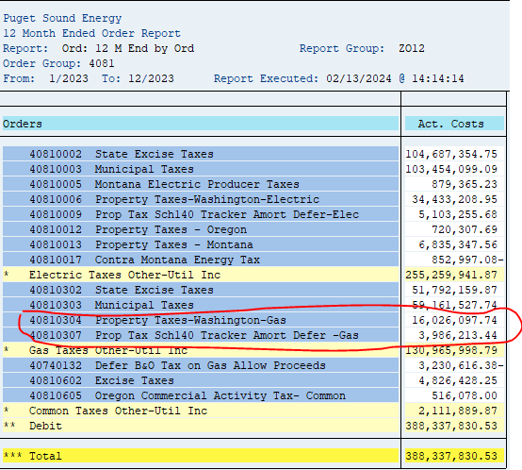
ZRW_Zo12
Order Group: 4081

40810304 Property Taxes-Washington-Gas | 16,026,097.74
40810307 Prop Tax Sch140 Tracker Amort Defer -Gas | 3,986,213.44
 | 20,012,311.18

Schedule 106
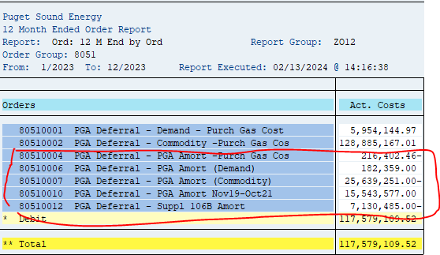
ZRW_ZO12
Order Group 8051 |  |  | 2023
 | 80510001 | PGA Deferral - Demand - Purch Gas Cost | 5,954,145
 | 80510002 | PGA Deferral - Commodity -Purch Gas Cos | 128,885,167
 | 80510004 | PGA Deferral - PGA Amort -Purch Gas Cos | (216,402)
 | 80510006 | PGA Deferral - PGA Amort (Demand) | 182,359
 | 80510007 | PGA Deferral - PGA Amort (Commodity) | (25,639,251)
 | 80510009 | PGA Deferral – PGA Amort May19-May20 | -
 | 80510012 | PGA Deferral - PGA Amort Nov19-Oct21 | 15,543,577
 | 80510010 | PGA Deferral - Suppl 106B Amort | (7,130,485)
 |  |  | (17,260,202)

SC 142 Decoup
ZRW_ZO12
Order Group: DECOUP_GAS.3

Orders | Act. Costs
49500063 G Decoup Rev Schedule 31 & 31T | 1,805,472.82-
49500064 G Decoup Rev 41, 41T, 86 & 86T | 628,394.47
49500066 G Decoup Amort Sch 142 - Sch 31 & 31T in | 220,337.66-
49500067 G Decoup Amort Sch 142-Sch 41,41T,86,86T | 2,546,824.80-
49500102 9900-Gas Residential Decoupling Revenue | 21,938,321.93-
49500122 9900- Amort Sch 142 Gas Resid in Rates | 6,171,747.04

**** Total | 19,710,815.70-
 | 3,404,584.58

Conversion Factor Before FIT | 0.955444

Decoupling Revenue | (3,563,353.35)

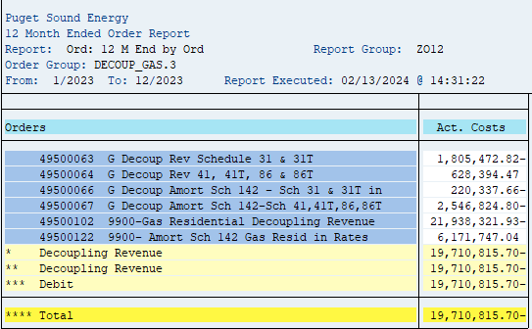

NOTES: Internal
Sch 142 (Decoupling) Don't use sales of Elec/Gas Report because Sch 142 has more than the amortization that need to be remove. Take the Amortization and gross it up to revenue

Sch 129D Bill Discount
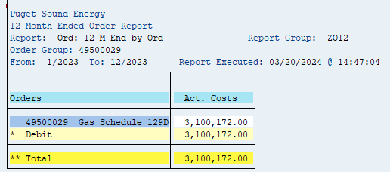
ZRW_Zo12
Order: 49500029

49500029 | Gas Sch. 129D Deferral | 3,100,172.00
 |  | 3,100,172.00

Sch 137 Carbon Offset
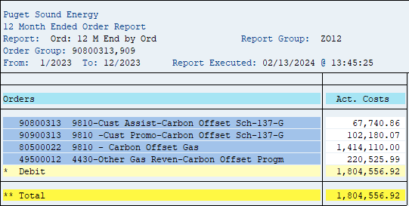
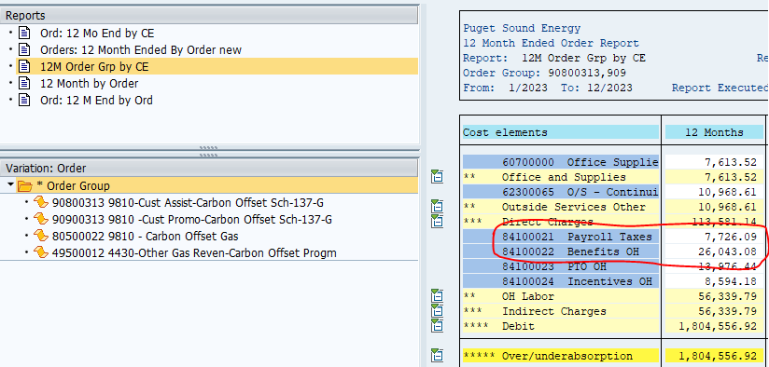
ZRW_Zo12
Order Group: 90800313, 909

Orders |  | Amounts
49500012 4430-Other Gas Reven-Carbon Offset Progm | OOR | 220,525.99

90900313 9810 -Cust Promo-Carbon Offset Sch-137-G | 90900313 CUST SERV | 102,180.07
80500022 9810 - Carbon Offset Gas | PGA | 1,414,110.00

90800313 9810-Cust Assist-Carbon Offset Sch-137-G | 90800313 A&G | 26,043.08
90800313 9810-Cust Assist-Carbon Offset Sch-137-G | 90800313 PTAX | 7,726.09
90800313 9810-Cust Assist-Carbon Offset Sch-137-G | 90800313 CUST SERV | 33,971.69
 |  | 1,804,556.92

Sch 138 RNG
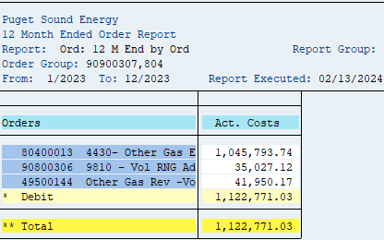
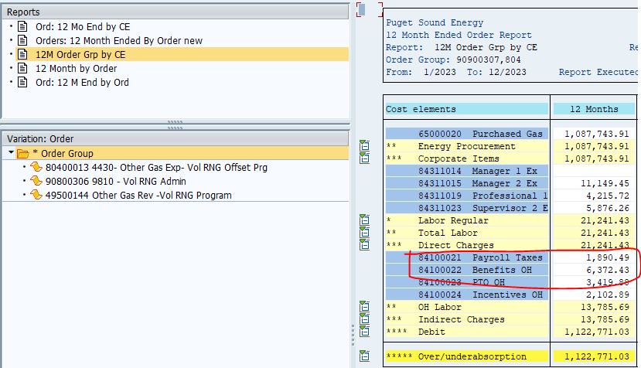
KOb1
ZRW_Zo12
Order: 90900307, 80400013, 90800306, 49500144

Orders |  | Amount
49500144 | Other Gas Rev - Vol RNG Program | 41,950.17

90900307 | Vol RNG Promo | -
80400013 | Other Gas Exp _ Vol RNG Offset Prg | 1,045,793.74

90800306 | Customer Service | 341,764.20
90800306 | Payroll Taxes | 1,890.49
90800306 | Benefits OH | 6,372.43
 |  | 1,437,771.03

SOEG Muni Tax
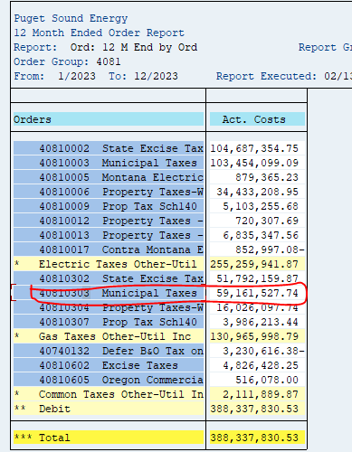
Municipal Taxes (data provided by Revenue Acctng group)

 |  |  |  |  | Total Billed Amount Incl Tax
 |  |  |  | Fiscal year/period | 001/2023 | 002/2023 | 003/2023 | 004/2023 | 005/2023 | 006/2023 | 007/2023 | 008/2023 | 009/2023 | 010/2023 | 011/2023 | 012/2023 | Overall Result
Division |  | Rate Category |  | Statistical Rate | $ | $ | $ | $ | $ | $ | $ | $ | $ | $ | $ | $ | $
20 | Gas | SCH_023G | Natural Gas Residential General Service | GSR_FFSTAT | 5,371,743.30 | 5,161,060.78 | 5,335,934.45 | 4,411,471.15 | 2,596,223.79 | 1,677,400.35 | 1,402,482.52 | 1,229,738.57 | 1,338,661.31 | 1,938,026.33 | 3,444,643.72 | 4,211,410.70 | 38,118,796.97
 |  | SCH_031GC | Natural Gas Commercial General Service | GSC_FFSTAT | 2,222,581.75 | 2,132,696.92 | 2,215,729.64 | 1,880,669.19 | 1,159,846.85 | 866,155.12 | 695,655.97 | 654,768.74 | 679,067.29 | 837,519.50 | 1,256,021.96 | 1,610,309.11 | 16,211,022.04
 |  | SCH_031GI | Natural Gas Industrial General Service | GSC_FFSTAT | 141,394.91 | 138,970.65 | 150,080.99 | 116,022.05 | 65,408.22 | 37,872.99 | 20,768.40 | 32,259.14 | 29,431.70 | 43,744.61 | 74,744.15 | 108,059.20 | 958,757.01
 |  | SCH_031GTI | NGDS Transportation Service Firm Ind | GST_FFSTAT | 0.00 | 0.00 |  | 0.00 | 0.00 | 0.00 | 0.00 | 0.00 | 0.00 | 0.00 | 0.00 | 0.00 | 0.00
 |  | SCH_041GC | Natural Gas Large Vol. High Load Factor | GSC_FFSTAT | 374,987.40 | 357,420.31 | 385,270.24 | 325,225.93 | 249,446.01 | 229,644.94 | 166,259.76 | 163,538.27 | 173,499.22 | 182,066.78 | 244,310.76 | 302,588.07 | 3,154,257.69
 |  | SCH_041GI | Natural Gas Large Vol. High Load Factor | GSC_FFSTAT | 42,683.85 | 50,697.96 | 42,903.14 | 41,557.63 | 34,882.44 | 33,028.47 | 29,712.80 | 27,848.59 | 33,519.54 | 30,964.11 | 40,871.88 | 43,444.30 | 452,114.71
 |  | SCH_041GTC | NGDS Transportation Service Firm LVHLF | GST_FFSTAT | 15,057.33 | 27,752.42 | 1,661.32 | 26,364.80 | 2,041.89 | 12,268.33 | 12,392.51 | 11,242.79 | 11,956.63 | 12,270.92 | 10,929.27 | 12,846.12 | 156,784.33
 |  | SCH_041GTI | NGDS Transportation Service Firm LVHLF | GST_FFSTAT | 6,818.74 | 12,283.03 | 3,664.02 | 12,653.67 | 3,699.50 | 7,800.70 | 8,007.13 | 7,815.69 | 8,075.31 | 7,694.46 | 13,491.40 | 15,776.76 | 107,780.41
 |  | SCH_085GC | Natural Gas Inter Service w/ Firm Option | GSC_FFSTAT | 75,552.64 | 64,619.85 | 69,311.36 | 69,244.48 | 53,790.40 | 44,648.89 | 29,912.59 | 45,589.29 | 50,784.15 | 45,339.38 | 45,144.15 | 61,101.63 | 655,038.81
 |  | SCH_085GI | Natural Gas Inter Service w/ Firm Option | GSC_FFSTAT | 13,535.84 | 16,832.45 | 19,486.70 | 7,887.06 | 17,680.22 | 20,482.93 | 7,925.01 | 8,539.88 | 12,158.36 | 16,128.85 | 15,576.79 | 8,743.60 | 164,977.69
 |  | SCH_085GTC | NGDS Trans Service Inter. w/ Firm Option | GST_FFSTAT | 11,305.31 | 22,190.43 | 2,211.33 | 21,181.77 | 2,986.62 | 11,318.98 | 11,269.81 | 10,492.12 | 10,953.23 | 10,962.34 | 14,262.58 | 20,259.63 | 149,394.15
 |  | SCH_085GTI | NGDS Trans Service Inter. w/ Firm Option | GST_FFSTAT | 25,113.55 | 44,872.34 | 9,947.59 | 51,048.14 | 8,506.04 | 28,159.66 | 26,690.80 | 26,397.22 | 26,882.38 | 27,254.18 | 44,472.82 | 49,806.16 | 369,150.88
 |  | SCH_086GC | Nat Gas Limit Inter Serv w/ Firm Option | GSC_FFSTAT | 40,572.10 | 33,264.26 | 36,887.14 | 34,220.11 | 27,058.37 | 13,439.45 | 9,523.71 | 7,146.83 | 9,679.20 | 11,408.43 | 19,166.53 | 28,148.19 | 270,514.32
 |  | SCH_086GI | Nat Gas Limit Inter Serv w/ Firm Option | GSC_FFSTAT | 2,341.58 | 2,622.32 | 1,955.15 | 1,506.23 | 1,331.77 | 1,145.85 | 1,034.69 | 1,017.63 | 870.23 | 981.86 | 1,228.61 | 1,427.38 | 17,463.30
 |  | SCH_086GTC | NGDS Trans Service Limited Inter w/ Firm | GST_FFSTAT | 0.00 | 0.00 | 0.00 | 0.00 | 0.00 | 0.00 | 0.00 | 0.00 | 0.00 | 0.00 | 0.00 | 0.00 | 0.00
 |  | SCH_086GTI | NGDS Trans Service Limited Inter w/ Firm | GST_FFSTAT | 708.88 | 1,288.12 |  | 1,345.66 | 269.98 | 764.67 | 599.44 | 504.79 | 760.90 | 841.66 | 371.39 | 286.98 | 7,742.47
 |  | SCH_087GC | Nat Gas Non-Ex Inter Serv w/ Firm Option | GSC_FFSTAT | 91,512.64 | 147,665.11 | 10,486.17 | 135,413.70 | 9,046.68 | 48,779.27 | 37,400.74 | 39,829.06 | 30,475.38 | 48,050.52 | 51,694.30 | 46,670.96 | 697,024.53
 |  | SCH_087GTC | NGDS Trans Serv Non-Excl Inter w/ Firm | GST_FFSTAT | 5,151.68 | 9,728.87 | 0.00 | 9,755.49 | 0.00 | 4,185.20 | 4,032.97 | 3,944.24 | 3,917.90 | 4,008.26 | 2,901.68 | -2,554.65 | 45,071.64
 |  | SCH_087GTI | NGDS Trans Serv Non-Excl Inter w/ Firm | GST_FFSTAT | 29,538.37 | 42,128.99 | -10,655.67 | 36,533.01 | 40,065.90 | -2,741.41 | 41,624.87 | 27,256.78 | 25,895.86 | 23,037.26 | 24,647.91 | 15,749.46 | 293,081.33
 |  | SCH_099GT | NGDS Transportation Service Special | GST_FFSTAT | 9,537.00 | 12,068.73 | 7,069.42 | -541,000.07 | 544,379.62 | 7,651.53 | 7,534.17 | 7,318.68 | 7,327.52 | 7,628.87 | 10,736.22 | -24,915.55 | 55,336.14
Overall Result |  |  |  |  | 8,480,136.87 | 8,278,163.54 | 8,281,942.99 | 6,641,100.00 | 4,816,664.30 | 3,042,005.92 | 2,512,827.89 | 2,305,248.31 | 2,453,916.11 | 3,247,928.32 | 5,315,216.12 | 6,509,158.05 | 61,884,308.42

 |  | Filtered out water heater activity

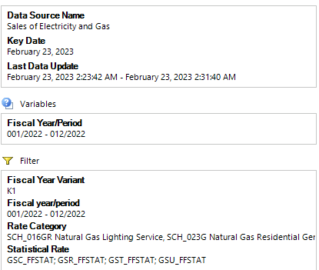
 |  |  |  |  |  | ZRW_Zo12
 |  |  |  |  |  | Order Group: 4081
 |  |  |  |  |  | Order | Description | Amount
 |  |  |  |  |  | 40810303 | Municipal Taxes | 59,161,527.74

