Electric Earnings Sharing
 |  |  |  |  |  |  |  |  |  |  | 1.03
PUGET SOUND ENERGY
Electric Earnings Sharing Test (Excludes Normalizing Adjustments per UE-170033 / UG-170034)
Commission Basis Report
FOR THE TWELVE MONTHS ENDED DECEMBER 31, 2019

 |  |  |  | Normalizing Adjustments to Remove
Line No. | Description | Source | 2019 CBR as Filed | Temp Normalization | Temp Related Power Costs | Rate Case Expense | Bad Debt | Montana Tax | Injuries & Damages | Storm Normalization | 2019 Adjusted CBR Earnings Test
1 | Rate Base Adjustments | Commission basis report pg 3-A thru 3-B |  | $- | $- | $- | $- | $- | $- | $-
2 | Restated Rate Base | Commission basis report pg 1.01 line b | $5,367,665,026 | $5,367,665,026 | $5,367,665,026 | $5,367,665,026 | $5,367,665,026 | $5,367,665,026 | $5,367,665,026 | $5,367,665,026 | $5,367,665,026
3 | Two months 17GRC; Ten months 18ERF | (Source: UE-170033/UG-170034 and UE-180899/UG-180900) | 7.51% | 7.51% | 7.51% | 7.51% | 7.51% | 7.51% | 7.51% | 7.51% | 7.51%
4 | Maximum Net Operating Income | Line 2 x Line 3 | $403,022,182 | $403,022,182 | $403,022,182 | $403,022,182 | $403,022,182 | $403,022,182 | $403,022,182 | $403,022,182 | $403,022,182
5 | Normalizing Adjustments | Commission basis report pg 3-A thru 3-B |  | $(832,653) | $(2,976,892) | $(422,575) | $1,159,805 | $(106,776) | $(844,556) | $(43,037)
6 | Restated Net Operating Income (Cumulative) | Previous Column + Line 5 | $365,607,983 | $364,775,330 | $361,798,438 | $361,375,863 | $362,535,668 | $362,428,892 | $361,584,337 | $361,541,299 | $361,541,299
7 | Difference | Line 4 - Line 6 | $(37,414,199) | $(38,246,852) | $(41,223,744) | $(41,646,319) | $(40,486,514) | $(40,593,290) | $(41,437,845) | $(41,480,883) | $(41,480,883)
8 | Excess Earnings (Cumulative) | Greater of zero or line 7 | $- | $- | $- | $- | $- | $- | $- | $- | $-
9 | Earnings Sharing % | UE-121697 | 50% | 50% | 50% | 50% | 50% | 50% | 50% | 50% | 50%
10 | After-Tax Earnings Sharing (Cumulative) | Line 8 x Line 9 | 0 | 0 | 0 | 0 | 0 | 0 | 0 | 0 | 0
11 | Conversion Factor | (Source: UE-170033/UG-170034) | 0.752385 | 0.752385 | 0.752385 | 0.752385 | 0.752385 | 0.752385 | 0.752385 | 0.752385 | 0.752385
12 | Incremental Earnings Sharing for CY 2017 for Cost of Svc | Line 10 ÷ Line11, & for adj: (Line 10 - Previous Line 10) ÷ Line11 | $- | $- | $- | $- | $- | $- | $- | $- | $-

 | Actual Return |  | 6.81% | -0.02% | -0.06% | -0.01% | 0.02% | 0.00% | -0.02% | 0.00% | 6.74%
 |  |  |  |  |  |  |  |  |  | check | 0.00%

PUGET SOUND ENERGY-ELECTRIC
CONVERSION FACTOR
FOR THE TWELVE MONTHS ENDED SEPTEMBER 30, 2016
GENERAL RATE CASE

LINE
NO. | DESCRIPTION |  |  | RATE

1 | BAD DEBTS |  |  | 0.007157
2 | ANNUAL FILING FEE |  |  | 0.002000
3 | STATE UTILITY TAX ( 3.8734% - ( LINE 1 * 3.8734% ) ) |  | 3.8734% | 0.038457
4
5 | SUM OF TAXES OTHER |  |  | 0.047614
6
7 | CONVERSION FACTOR EXCLUDING FEDERAL INCOME TAX ( 1 - LINE 0.5 ) |  |  | 0.952386
8 | FEDERAL INCOME TAX ( LINE 7 * 0% ) |  | 21% | 0.200001
9 | CONVERSION FACTOR INCL FEDERAL INCOME TAX ( LINE 7 - LINE 8 ) |  |  | 0.752385

 | UE 170033 / UG170034

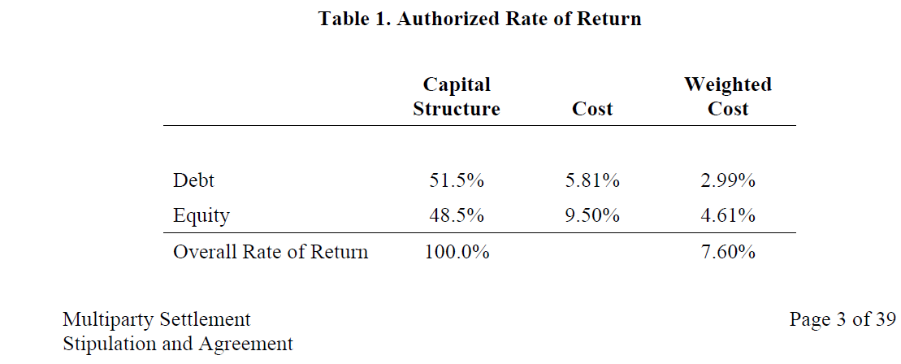

 |  |  | 7.60%

 | UE 180899 / UG 180900
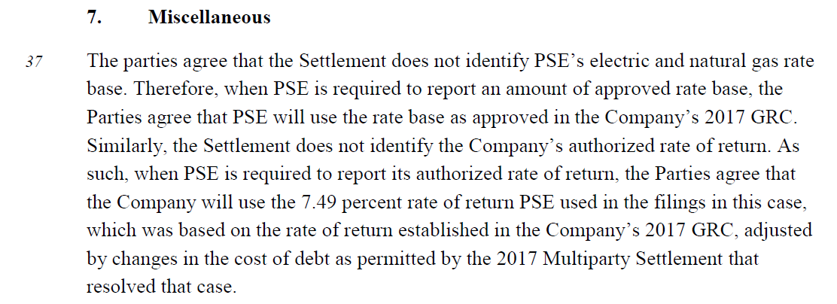

 |  |  | 7.49%

