Typical Res Customer Sch 140
 | Puget Sound Energy
 | Residential Customer Impacts

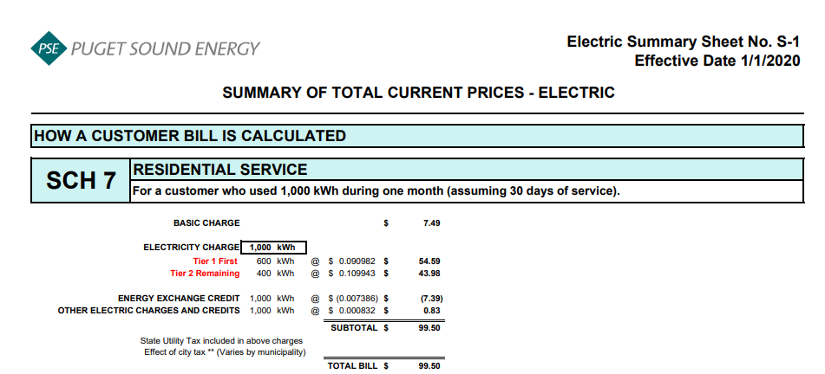
 |  |  | Customer Bill
Line No. | Month | kWh | Present Base Rate Bill | Sch 95 | Sch 95A | Sch 120 | Sch 129 | Sch 132 | Sch 137 | Sch 140 | Sch 141 | Sch 141x | Sch 141y | Sch 142 | Sch 194 | Current Residential Bill | Remove: Schedule 140 | Add: Schedule 140 | $ Difference | Proposed Residential Bill | % Difference
1 | January | 1,189 | $122.50 | $(1.31) | $(2.25) | $4.64 | $1.27 | $- | $(0.10) | $3.84 | $1.69 | $(1.69) | $(1.51) | $0.74 | $(8.78) | $119.04 | $(3.84) | $3.82 | $(0.02) | $119.02 | -0.02%
2 | February | 993 | $101.67 | $(1.09) | $(1.88) | $3.88 | $1.06 | $- | $(0.08) | $3.21 | $1.42 | $(1.42) | $(1.26) | $0.62 | $(7.33) | $98.80 | $(3.21) | $3.19 | $(0.02) | $98.78 | -0.02%
3 | March | 994 | $101.77 | $(1.09) | $(1.88) | $3.88 | $1.06 | $- | $(0.08) | $3.21 | $1.42 | $(1.42) | $(1.26) | $0.62 | $(7.34) | $98.89 | $(3.21) | $3.19 | $(0.02) | $98.87 | -0.02%
4 | April | 814 | $82.64 | $(0.89) | $(1.54) | $3.18 | $0.87 | $- | $(0.07) | $2.63 | $1.16 | $(1.16) | $(1.03) | $0.51 | $(6.01) | $80.29 | $(2.63) | $2.61 | $(0.02) | $80.27 | -0.02%
5 | May | 712 | $71.80 | $(0.78) | $(1.35) | $2.78 | $0.76 | $- | $(0.06) | $2.30 | $1.01 | $(1.01) | $(0.90) | $0.44 | $(5.26) | $69.73 | $(2.30) | $2.28 | $(0.02) | $69.71 | -0.03%
6 | June | 656 | $65.84 | $(0.72) | $(1.24) | $2.56 | $0.70 | $- | $(0.05) | $2.12 | $0.93 | $(0.93) | $(0.83) | $0.41 | $(4.85) | $63.94 | $(2.12) | $2.11 | $(0.01) | $63.93 | -0.02%
7 | July | 672 | $67.54 | $(0.74) | $(1.27) | $2.62 | $0.72 | $- | $(0.06) | $2.17 | $0.96 | $(0.96) | $(0.85) | $0.42 | $(4.96) | $65.59 | $(2.17) | $2.16 | $(0.01) | $65.58 | -0.02%
8 | August | 658 | $66.06 | $(0.72) | $(1.25) | $2.57 | $0.70 | $- | $(0.05) | $2.12 | $0.94 | $(0.94) | $(0.84) | $0.41 | $(4.86) | $64.14 | $(2.12) | $2.11 | $(0.01) | $64.13 | -0.02%
9 | September | 647 | $64.89 | $(0.71) | $(1.22) | $2.53 | $0.69 | $- | $(0.05) | $2.09 | $0.92 | $(0.92) | $(0.82) | $0.40 | $(4.78) | $63.02 | $(2.09) | $2.08 | $(0.01) | $63.01 | -0.02%
10 | October | 808 | $82.00 | $(0.89) | $(1.53) | $3.16 | $0.86 | $- | $(0.07) | $2.61 | $1.15 | $(1.15) | $(1.03) | $0.50 | $(5.97) | $79.64 | $(2.61) | $2.59 | $(0.02) | $79.62 | -0.03%
11 | November | 995 | $101.88 | $(1.09) | $(1.88) | $3.89 | $1.06 | $- | $(0.08) | $3.21 | $1.42 | $(1.42) | $(1.26) | $0.62 | $(7.35) | $99.00 | $(3.21) | $3.19 | $(0.02) | $98.98 | -0.02%
12 | December | 1,255 | $129.52 | $(1.38) | $(2.38) | $4.90 | $1.34 | $- | $(0.10) | $4.05 | $1.79 | $(1.79) | $(1.60) | $0.78 | $(9.27) | $125.86 | $(4.05) | $4.03 | $(0.02) | $125.84 | -0.02%
13
14 | Annual Total | 10,393 | $1,058.11 | $(11.41) | $(19.67) | $40.59 | $11.09 | $- | $(0.85) | $33.56 | $14.81 | $(14.81) | $(13.19) | $6.47 | $(76.76) | $1,027.94 | $(33.56) | $33.36 | $(0.20) | $1,027.74 | -0.02%
15
16 | Average Customer | 900 | $88.18 | $(0.95) | $(1.64) | $3.38 | $0.92 | $- | $(0.07) | $2.80 | $1.23 | $(1.23) | $(1.10) | $0.54 | $(6.40) | $85.66 | $(2.80) | $2.78 | $(0.02) | $85.64 | -0.02%
17
18 | Average Cents |  | $10.18 | $(0.11) | $(0.19) | $0.39 | $0.11 | $- | $(0.01) | $0.32 | $0.14 | $(0.14) | $(0.13) | $0.06 | $(0.74) | $9.89 | $(0.32) | $0.32 | $(0.00) | $9.89
19
20 | Summary Page Residential | 1,000 | $102.41 | $(1.10) | $(1.89) | $3.91 | $1.07 | $- | $(0.08) | $3.23 | $1.43 | $(1.43) | $(1.27) | $0.62 | $(7.39) | $99.51 | $(3.23) | $3.21 | $(0.02) | $99.49 | -0.02%
21
22
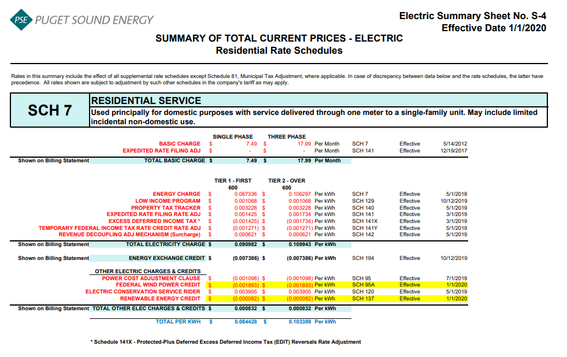
23 | Residential Schedule 7 Rates |  |  |  |  | Present Rates Effective 4-30-20 | Proposed Rates Effective 5-1-20
24 | Customer Monthly Charge:
25 | One Phase Basic Charge |  |  |  |  | $7.490000 | $7.490000 | per Month
26 | Schedule 141 & Sch 141x - ERF Rider - 1 Phase Basic Charge |  |  |  |  | $- | $- | per Month
27 | Subtotal Base Monthly Charge |  |  |  |  | $7.490000 | $7.490000
28 | Energy Charge:
29 | Schedule 7 first 600 kWh |  |  |  |  | $0.087336 | $0.087336 | $ / kWh
30 | Schedule 129 - Low Income |  |  |  |  | $0.001068 | $0.001068 | $ / kWh
31 | Schedule 140 - Property Tax Rider |  |  |  |  | $0.003228 | $0.003209 | $ / kWh
32 | Schedule 141 ERF Rider - First 600 kWh |  |  |  |  | $0.001425 | $0.001425 | $ / kWh
33 | Schedule 141x EDIT Rider - First 600 kWh |  |  |  |  | $(0.001425) | $(0.001425) | $ / kWh
34 | Schedule 141y - TFITRC Rider - First 600 kWh |  |  |  |  | $(0.001271) | $(0.001271) | $ / kWh
35 | Schedule 142 - Decoupling Rider |  |  |  |  | $0.000621 | $0.000621 | $ / kWh
36 | Subtotal Base First 600 kWh Charge |  |  |  |  | $0.090982 | $0.090963 | $ / kWh
37
38 | Schedule 7 over 600 kWh |  |  |  |  | $0.106297 | $0.106297 | $ / kWh
39 | Schedule 129 - Low Income |  |  |  |  | $0.001068 | $0.001068 | $ / kWh
40 | Schedule 140 - Property Tax Rider |  |  |  |  | $0.003228 | $0.003209 | $ / kWh
41 | Schedule 141 ERF Rider - First 600 kWh |  |  |  |  | $0.001425 | $0.001425 | $ / kWh
42 | Schedule 141x EDIT Rider - First 600 kWh |  |  |  |  | $(0.001425) | $(0.001425)
43 | Schedule 141y - TFITRC Rider - First 600 kWh |  |  |  |  | $(0.001271) | $(0.001271)
44 | Schedule 142 - Decoupling Rider |  |  |  |  | $0.000621 | $0.000621 | $ / kWh
45 | Subtotal Base Over 600 kWh Charge |  |  |  |  | $0.109943 | $0.109924 | $ / kWh
46
47 | Schedule 194 - BPA Exchange Credit |  |  |  |  | $(0.007386) | $(0.007386) | $ / kWh
48 | Schedule 133 - Regulatory Asset Tracker |  |  |  |  | $- | $- | $ / kWh
49
50 | Other Electric Charges and Credits |  |  |  |  |  |  | $ / kWh
51 | Schedule 95 - Power Cost Adjustment Clause |  |  |  |  | $(0.001098) | $(0.001098) | $ / kWh
52 | Schedule 95A - Wind Power Production Credit |  |  |  |  | $(0.001893) | $(0.001893) | $ / kWh
53 | Schedule 120 - Conservation Rider |  |  |  |  | $0.003905 | $0.003905 | $ / kWh
54 | Schedule 132 - Merger Credit |  |  |  |  | $- | $- | $ / kWh
55 | Schedule 137 - Renewable Energy Credit |  |  |  |  | $(0.000082) | $(0.000082) | $ / kWh
56 | Subtotal Other Charges |  |  |  |  | $0.000832 | $0.000832 | $ / kWh
57
58 | Total Block 1 Energy Charge |  |  |  |  | $0.084428 | $0.084409 | $ / kWh
59 | Total Block 2 Energy Charge |  |  |  |  | $0.103389 | $0.103370 | $ / kWh

 |  | Average Residential Usage YE April 2021
 |  | F2019 Forecast kWh | F2019 Forecast Customer Count | F2019 Average Use per Customer
 | January | 1,242,287,000 | 1,044,607 | 1,189
 | February | 1,038,557,000 | 1,045,872 | 993
 | March | 1,040,176,000 | 1,046,870 | 994
 | April | 852,976,000 | 1,047,705 | 814
 | May | 737,952,000 | 1,035,847 | 712
 | June | 680,006,000 | 1,036,691 | 656
 | July | 696,924,000 | 1,037,136 | 672
 | August | 682,562,000 | 1,037,921 | 658
 | September | 672,654,000 | 1,039,166 | 647
 | October | 830,134,000 | 1,027,933 | 808
 | November | 1,024,677,000 | 1,029,469 | 995
 | December | 1,293,747,000 | 1,030,732 | 1,255
 | Total | 10,792,652,000 | 12,459,949 | 10,393

 | Average |  |  | 866

2019 Final Prop Tax Rate Design
Puget Sound Energy
Calculation of Property Tax Rider Rate
Effective May 1, 2019

Schedule 140
Rate Design
Eff. 5-1-2019
Line No. | Voltage Level | Schedule | Adjusted Electric Cost of Service PTDGP.T Allocation Factor Docket No. UE-180282 | Percent of Total | Revenue Requirement Property Tax - Current | Revenue Requirement Property Tax - Deferral | Revenue Requirement Property Tax - Total | F2018 kWh May 2019 to April 2020 | Schedule 140 Property Tax Rider - Current | Schedule 140 Property Tax Rider - Deferred | Schedule 140 Rider Effective 5-1-19 | Check Difference due to Rounding
 |  |  | (a) | (b)= (a) / ∑ (a) | (c) = (b) * A | (d) = (b) * B | (e) = (c + d) | (f) | (g) = (c) / (f) | (h) = (d) / (f) | (i) = (g) + (h) | (j) = (i * f) - (e)
1 | Residential
2 | Residential | 7 | $5,545,457,489 | 58.34% | $18,331,620 | $16,660,837 | $34,992,457 | 10,838,149,000 | $0.001691 | $0.001537 | $0.003228 | $(6,912)
3 | Total Residential |  | $5,545,457,489 | 58.34% | $18,331,620 | $16,660,837 | $34,992,457 | 10,838,149,000 | $0.001691 | $0.001537 | $0.003228 | $(6,912)
4
5 | Secondary Voltage
6 | Demand <= 50 kW | 8 & 24 | $1,207,741,046 | 12.71% | $3,992,430 | $3,628,551 | $7,620,981 | 3,117,609,000 | $0.001281 | $0.001164 | $0.002445 | $1,573
7 | Demand > 50 kW but <= 350 kW | 7A, 11, 25 & 29 | $1,116,587,568 | 11.75% | $3,691,104 | $3,354,689 | $7,045,792 | 3,299,460,000 | $0.001119 | $0.001017 | $0.002136 | $1,854
8 | Demand > 350 kW | 12 & 26 | $645,442,293 | 6.79% | $2,133,639 | $1,939,174 | $4,072,813 | 1,942,526,000 | $0.001098 | $0.000998 | $0.002096 | $(1,279)
9 | Total Secondary Voltage |  | $2,969,770,908 | 31.24% | $9,817,172 | $8,922,414 | $18,739,586 | 8,359,595,000 | $0.001174 | $0.001067 | $0.002241 | $2,149
10
11 | Primary Voltage
12 | General Service | 10, 31 & 35 | $446,875,030 | 4.70% | $1,477,235 | $1,342,597 | $2,819,831 | 1,425,247,000 | $0.001036 | $0.000942 | $0.001978 | $(693)
13 | Interruptible Total Electric Schools | 43 | $56,760,979 | 0.60% | $187,635 | $170,533 | $358,168 | 127,202,000 | $0.001475 | $0.001341 | $0.002816 | $33
14 | Total Primary Voltage |  | $503,636,009 | 5.30% | $1,664,870 | $1,513,130 | $3,178,000 | 1,552,449,000 | $0.001072 | $0.000975 | $0.002047 | $(660)
15
16 | Campus Rate | 40 | $203,194,458 | 2.14% | $671,700 | $610,480 | $1,282,180 | 586,597,000 | $0.001145 | $0.001041 | $0.002186 | $121
17
18 | High Voltage | 46 & 49 | $168,505,771 | 1.77% | $557,030 | $506,261 | $1,063,290 | 682,326,000 | $0.000816 | $0.000742 | $0.001558 | $(226)
19
20 | Lighting | 50-59 | $103,623,580 | 1.09% | $342,548 | $311,328 | $653,876 | 71,427,000 | $0.004796 | $0.004359 | $0.009155 | $38
21
22 | Total Choice /Retail Wheeling | 449 & 459 | $8,251,262 | 0.09% | $27,276 | $24,790 | $52,066 | 2,024,995,000 | $0.000013 | $0.000012 | $0.000025 | $(1,442)
23
24 | Total Jurisdictional Retail Sales |  | $9,502,439,476 | 99.97% | $31,412,215 | $28,549,240 | $59,961,455 | 24,115,538,000 | $0.001303 | $0.001184 | $0.002487 | $(6,932)
25
26 | Total Firm Resale / Special Contract |  | $3,262,238 | 0.03% | $10,784 | $9,801 | $20,585 | 7,066,000
27
28 | Total Sales to Customers |  | $9,505,701,714 | 100.00% | $31,422,999 | $28,559,041 | $59,982,040 | 24,122,604,000 | $0.001303 | $0.001184 | $0.002487 | $(6,932)
29
30 | Property Tax Revenue Requirement |  |  |  | $31,422,999 | $28,559,041 | $59,982,040
 |  |  |  |  | A | B

