RC WEST
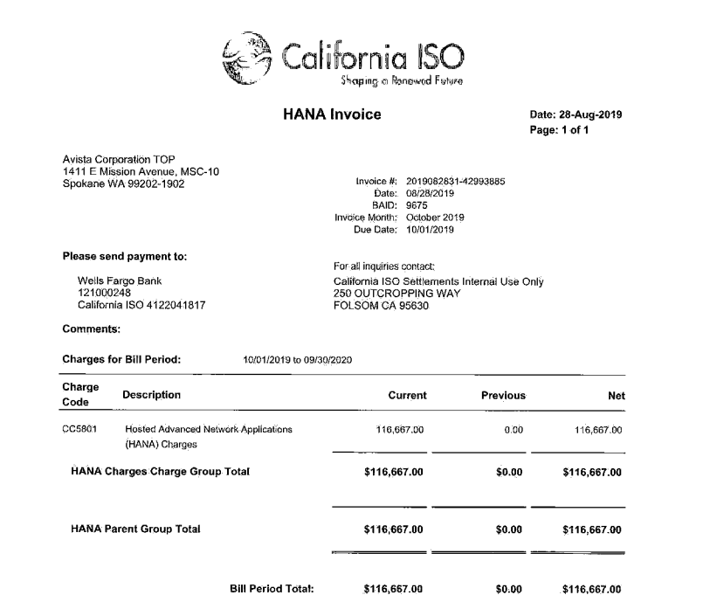
CAISO - RC West Charges

Vendor Name | CALIFORNIA INDEPENDENT SYSTEM OPERATOR CORP

Sum of Transaction Amount | Column Labels
Row Labels | 2019
D09
09800221
Elect Telecommunications-Maint
201910
RC West Hosted Advanced Network Applications | $116,667
201912
RC West Hosted Advanced Network Applications | -$116,667 | As this is a yearly prepaid subscription invoice, with service from 10.1.2019 through 09.30.2020, it has been paid via A09 and amortized to the project monthly
 |  | 2019 charges: | $116,667
 |  |  | $9,722 | monthly cost
 |  |  | $29,167 | Oct-Dec 2019

