Cable_Repl_Hist
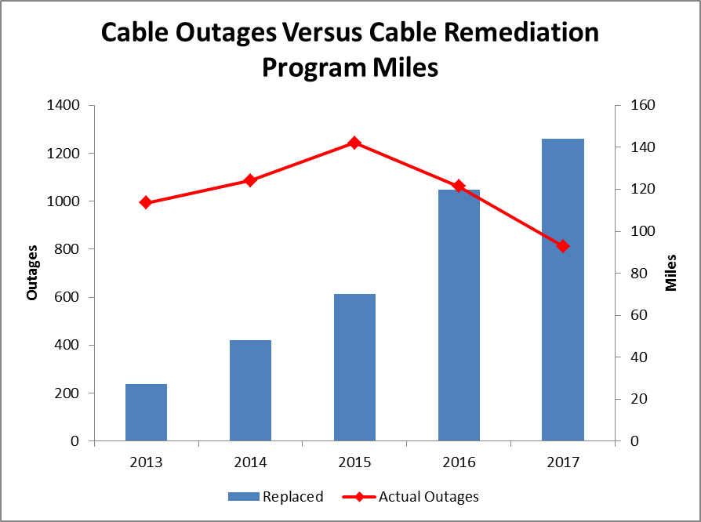
 | Replaced | Actual Outages
1990 | 37 | 1094
1991 | 53 | 1,113
1992 | 82 | 1,469
1993 | 152 | 1,263
1994 | 157 | 1,380
1995 | 140 | 1,464
1996 | 185 | 1,397
Cable Outages Versus Cable Remediation Program Miles
1997 | 146 | 1,279
1998 | 133 | 1,139
1999 | 98 | 1,129
2000 | 98 | 1,086
2001 | 88 | 1,076
2002 | 76 | 1,156
2003 | 78 | 1,383
2004 | 184 | 1333
2005 | 124 | 1139
2006 | 96 | 1094
2007 | 60 | 1065
2008 | 90 | 948
2009 | 92 | 994
2010 | 57.6 | 888
2011 | 75 | 895
2012 | 25.7 | 974
2013 | 27 | 994
2014 | 47.9 | 1086
2015 | 70 | 1243
2016 | 120 | 1063
2017 | 144.09791667 | 813
2018 | 151 | 773

2017 mileage include the 8 miles from a 2016 job where the UG cable was replaced in 2016 but the restoration did not occur until 2017.
Since those 8 miles were not reported in the 2016 report, made the decision to include those in 2017.

