Rate Spread & Design
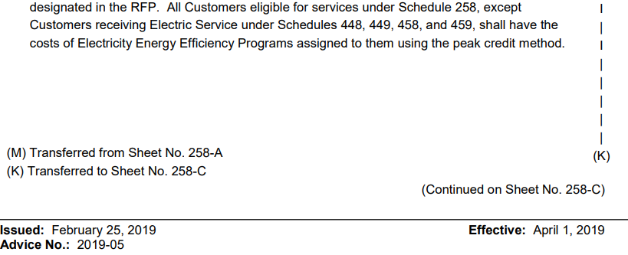
PUGET SOUND ENERGY
Electric Schedule 120 - Conservation Service
F2023 Forecasted Rate-Year Ended April 30, 2025
Proposed Rate Effective May 1, 2024
Rate Spread & Design

Line No. | Customer Class | Schedule | Combined Energy & Demand Allocation[1] | Revenue Requirement | F2023 Forecasted Rate-Year Energy (kWh) | Proposed Rate
1 |  |  | a | b = a * RevReq | c | d = b / c
2 |  |  |  |  |  |  | cc
3 | Residential | 7 (307, 317, 327) | 57.47% | $68,288,794 | 11,203,510,560 | $0.006095 | -
4
5 | Sec Gen Svc - Small | 24 (8, 324) | 12.43% | $14,772,587 | 2,760,323,643 | $0.005352 | -
6 | Sec Gen Svc - Medium | 25 (11, 7A) | 13.36% | $15,875,078 | 2,959,045,828 | $0.005365 | -
7 | Sec Gen Svc - Large | 26 (12, 26P) | 7.72% | $9,171,561 | 1,976,059,702 | $0.004641 | -
8 | Sec Irrigation Svc | 29 | 0.07% | $85,169 | 15,030,637 | $0.005666 | -
9
10 | Pri Gen Svc | 31 (10) | 5.39% | $6,405,243 | 1,414,726,532 | $0.004528 | -
11 | Pri Irrigation Svc | 35 | 0.01% | $15,456 | 4,440,267 | $0.003481 | -
12 | Pri Interruptible Svc | 43 | 0.10% | $123,838 | 122,744,427 | $0.001009 | -
13
14 | HV Interruptible Svc | 46 | 0.09% | $109,028 | 96,942,310 | $0.001125 | -
15 | HV Gen Svc | 49 | 1.91% | $2,265,956 | 534,795,352 | $0.004237 | -
16
17 | Special Contract [2] | SC | 1.29% | $1,532,319 | 304,684,284 | $0.005029 | -
18
19 | Lights | 50 - 59 | 0.15% | $180,059 | 67,443,601 | $0.002670 | -
20
21 |  |  | non-449 Total Revenue Requirement | $118,825,090 |  |  | - | -
22 |  |  |  | -
23 | Sch 258 - Transporation Rate Calculation - Effective 5/1/2022 to 4/30/2026 [3]
24
25 | PV / HV Transportation | 449 - 459 | n/a | $2,664,964 | 1,972,429,157 | $0.001351
26
27 |  |  | Conservation 2022-2023 Biennial Budget ($M) | $235
28 |  |  | Conservation 2018-2019 Biennial Budget ($M) | $182
29 |  |  | Budget Increase | $53
30
31 |  |  | % Increase / (Decrease) | 29.05%
32
33 |  |  | Four Year Rate Effective 5/1/2018 | $0.001047
34 |  |  | Increase / (Decrease) | $0.000304
35 |  |  | Four Year Rate Effective 5/1/2022 | $0.001351
36
37
38 | [Note 1] - Utilizes the allocaion factor as approved in Docket No UE-230139 which established a pro-rata allocation beteween demand and energy based on the Renewable Future Peak Credit - Levelized Fixed Cost from the 2022 GRC Allocators (Docket No. UE-220066) with a modification to include Special Contract loads. (See Note 2)
39 | [Note 2] - Although the Special Contract Load data was not included as a portion of retail load in the 2022 GRC (Docket No. UE-220066), it has been added to the allocation factors here to reflect the Special Contract's intent for allocating the Schedule 120 Revenue Requirement to this customer.
40 | [Note 3] - Schedule 258 requires that the 449-459 rates be reset every four years based on the change in the pervailing approved biennial CRAG budget and the biennial budget last used in 449-459 ratemaking. This requries a separate allocation process from other retail schedules revenue requirement. Details regarding the 449-459 exceptions can be found on Sch. 258.

