Sheet4
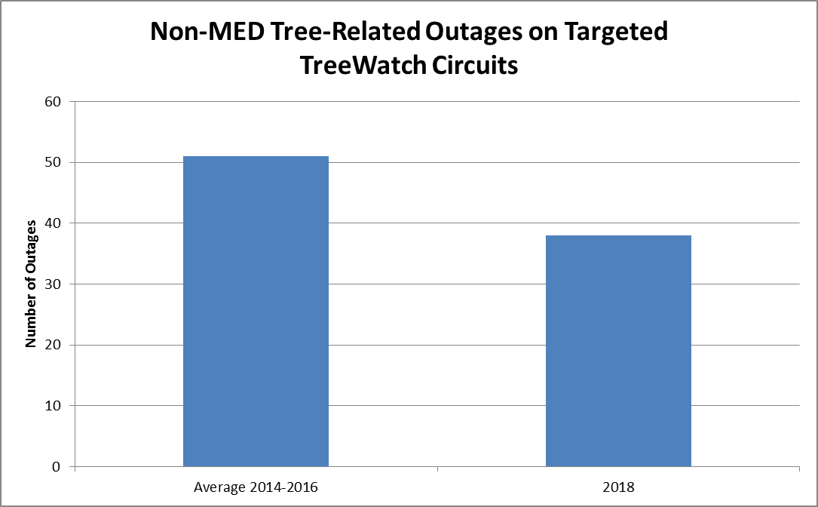
Storm Code | (Multiple Items)
CAZ | (Multiple Items)
Type of Outage Duration | > 5 minutes

Sum of Cust Min | Column Labels
Row Labels | 2014 | 2015 | 2016 | 2018 | Grand Total
FRA-13 | 199552 | 266241 | 430305 | 63352 | 959450
HOB-16 | 170297 | 33786 | 49783 | 29414 | 283280
LON-17 | 1395508 | 99160 | 7193 | 13402 | 1515263
MIL-17 | 63819 | 1655582 | 165322 | 1010485 | 2895208
Grand Total | 1829176 | 2054769 | 652603 | 1116653 | 5653201

Storm Code | (All)
CAZ | (Multiple Items)
Type of Outage Duration | > 5 minutes

Sum of Count | Column Labels
Row Labels | 2014 | 2015 | 2016 | 2018 | Grand Total
FRA-13 | 23 | 31 | 28 | 21 | 103
HOB-16 | 17 | 21 | 20 | 17 | 75
LON-17 | 20 | 9 | 12 | 5 | 46
MIL-17 | 30 | 51 | 31 | 30 | 142
Grand Total | 90 | 112 | 91 | 73 | 366

Data used in tree watch section

Storm Code | (Multiple Items)
CAZ | (Multiple Items)
Type of Outage Duration | > 5 minutes

 | Column Labels
 | 2014 | 2015 | 2016 | 2018 | Grand Total
Sum of Count | 43 | 58 | 53 | 38 | 192

 | 2014-2016 avg outage | 51
 | percent change to 2018 | 0.25490196078

 |  |  | 12.75

Non-MED Tree-Related Outages on Targeted TreeWatch Circuits

 | Number of Outages
Average 2014-2016 | 51
2018 | 38

