SAP Check Figure
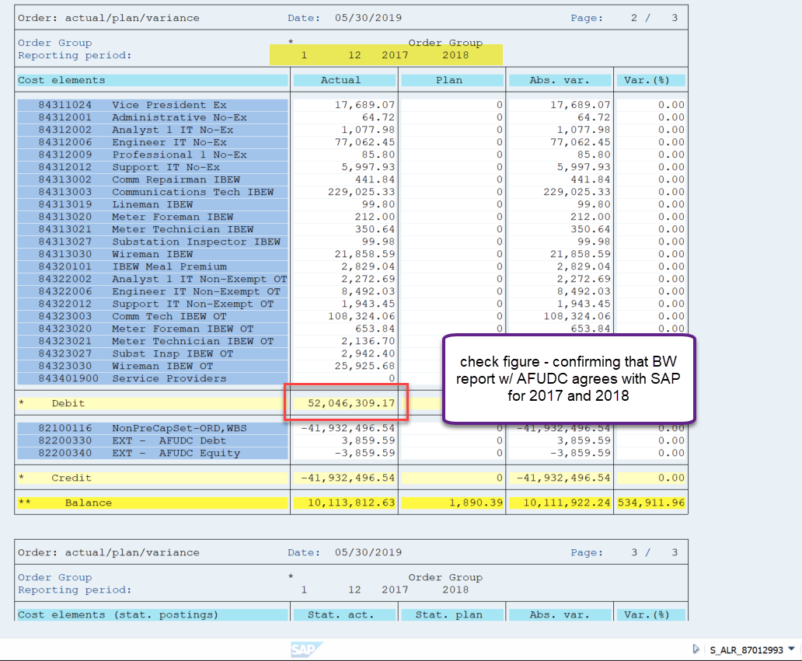

2017 & 2018 per BW Report

 | 52,046,309.17

