Grouped
EIM Incremental FTE Plan |  |  |  |  |  |  |  |  |  |  |  |  |  | Implementation |  |  |  |  |  | Post Go-Live
VP | Department | Role # | Position | Proposed Market Level | Exp. Hire Date | Est. 2020 Salary | Est 2021 Sal | Est 2022 Sal | Est 2023 Sal | Sal less OL | 2021 Sal Less OL | 2022 Sal Less OL | 2023 Sal Less OL | 2020 |  | 2021 |  | 2022 (Jan-March) |  | 2022 (April-December) |  | 2023
 |  |  |  |  |  |  |  |  |  |  |  |  |  | Capital | O&M | Capital | O&M | Capital | O&M | Capital | O&M | Capital | O&M
Thackston | Power Supply Operations | 1 | EIM Program Manager | 11 | Jan-19 | $123,000 | $126,075 | $129,227 | $132,458 | 110,036 | $112,787 | $115,606 | $118,497 | $92,250 | $30,750 | $84,590 | $28,197 | $28,902 | $9,634 | $- | $28,902 | $- | $-
 |  | 2 | OCM | 9 | Sep-20 | $75,000 | $76,875 | $78,797 | $80,767 | 67,095 | $68,772 | $70,492 | $72,254 | $- | $25,000 | $- | $68,772 | $11,749 | $11,749 | $- | $- | $- | $-
 |  | 4 | Analyst | 12 | Jul-21 | $140,000 | $143,500 | $147,088 | $150,765 | 125,244 | $128,375 | $131,584 | $134,874 | $- | $- | $32,094 | $32,094 | $39,475 | $4,386 | $- | $32,896 | $- | $134,874
Rosentrater | System Operations | 7 | EIM BA Operator SME | 10 | Feb-20 | $138,575 | $142,040 | $145,591 | $149,230 | $123,969 | $127,069 | $130,245 | $133,502 | $68,595 | $58,433 | $95,302 | $31,767 | $39,074 | $4,342 | $- | $32,561 | $- | $133,502
 |  | 6 | EMS Modeling Engineer | 11 | Jun-20 | $129,000 | $132,225 | $135,531 | $138,919 | $115,403 | $118,288 | $121,246 | $124,277 | $11,288 | $63,963 | $17,743 | $100,545 | $6,062 | $34,353 | $- | $30,311 | $- | $124,277
 |  | 5 | EIM BA Analyst | 12 | Jul-21 | $120,000 | $123,000 | $126,075 | $129,227 | 107,352 | $110,036 | $112,787 | $115,606 | $- | $- | $27,509 | $27,509 | $33,836 | $3,760 | $- | $28,197 | $- | $115,606
 |  | 7 | EIM BA Operator | 10 | Sep-20 | $113,798 | $117,269 | $125,169 | $128,299 | $101,804 | $104,349 | $106,958 | $109,631 | $9,483 | $28,450 | $20,870 | $83,479 | $32,087 | $3,565 | $- | $26,739 | $- | $109,631
 |  | 7 | EIM BA Operator | 10 | Sep-20 | $113,798 | $117,269 | $125,169 | $128,299 | $101,804 | $104,349 | $106,958 | $109,631 | $9,483 | $28,450 | $20,870 | $83,479 | $32,087 | $3,565 | $- | $26,739 | $- | $109,631
 |  | 7 | EIM BA Operator | 10 | Jan-21 | $113,798 | $126,519 | $136,728 | $140,146 | $101,804 | $104,349 | $106,958 | $109,631 | $- | $- | $20,870 | $83,479 | $32,087 | $3,565 | $- | $26,739 | $- | $109,631
 |  | 7 | EIM BA Operator | 10 | Jan-21 | $113,798 | $126,519 | $136,728 | $140,146 | $101,804 | $104,349 | $106,958 | $109,631 | $- | $- | $20,870 | $83,479 | $32,087 | $3,565 | $- | $26,739 | $- | $109,631
 |  | 7 | EIM BA Operator (Relief) | 10 | Mar-21 | $113,798 | $100,844 | $143,073 | $146,650 | $101,804 | $104,349 | $106,958 | $109,631 | $- | $- | $17,391 | $69,566 | $32,087 | $3,565 | $- | $26,739 | $- | $109,631
 |  | 8 | Training Admin | 9 | Mar-22 | $80,000 | $82,000 | $84,050 | $86,151 | $71,568 | $73,357 | $75,191 | $77,071 | $- | $- | $- | $- | $- | $12,532 | $- | $18,798 | $- | $77,071
 | Substation Design | 3 | Sr Engineer | 10 | Jan-20 | $100,000 | $30,750 | $31,519 | $32,307 | $89,460 | $27,509 | $28,197 | $28,902 | $85,000 | $15,000 | $27,509 | $- | $- | $- | $- | $- | $- | $-
TBD | EIM Settlements | 9 | Settlements Manager | 11 | Sep-20 | $123,000 | $126,075 | $129,227 | $132,458 | 110,036 | $112,787 | $115,606 | $118,497 | $20,500 | $20,500 | $56,393 | $56,393 | $34,682 | $3,854 | $- | $28,902 | $- | $118,497
 |  | 11 | Settlements Meter Analyst | 10 | Apr-21 | $107,000 | $109,675 | $112,417 | $115,227 | 95,722 | $98,115 | $100,568 | $103,082 | $- | $- | $36,793 | $36,793 | $30,170 | $3,352 | $- | $25,142 | $- | $103,082
 |  | 10 | Settlement Analyst | 10 | Apr-21 | $107,000 | $109,675 | $112,417 | $115,227 | 95,722 | $98,115 | $100,568 | $103,082 | $- | $- | $36,793 | $36,793 | $30,170 | $3,352 | $- | $25,142 | $- | $103,082
 |  | 10 | Settlement Analyst | 9 | Jul-21 | $94,000 | $96,350 | $98,759 | $101,228 | 84,092 | $86,195 | $88,350 | $90,558 | $- | $- | $21,549 | $21,549 | $26,505 | $2,945 | $- | $22,087 | $- | $90,558
 |  | 10 | Settlement Analyst | 9 | Jul-21 | $94,000 | $96,350 | $98,759 | $101,228 | 84,092 | $86,195 | $88,350 | $90,558 | $- | $- | $32,323 | $10,774 | $26,505 | $2,945 | $- | $22,087 | $- | $90,558
Kensok | IS/IT | 12 | Technical Systems Analyst | 10 | Jun-20 | $85,000 | $87,125 | $89,303 | $91,536 | 76,041 | $77,942 | $79,891 | $81,888 | $39,667 | $9,917 | $70,148 | $7,794 | $23,967 | $2,663 | $- | $19,973 | $- | $81,888
 |  | 13 | Ops Technical Lead | 11 | Jun-20 | $95,000 | $97,375 | $99,809 | $102,305 | 84,987 | $87,112 | $89,289 | $91,522 | $44,333 | $11,083 | $78,401 | $8,711 | $26,787 | $2,976 | $- | $22,322 | $- | $91,522
Total |  |  |  |  |  | $2,179,565 | $2,167,510 | $2,285,434 | $2,342,570 | $1,949,839 | $1,934,398 | $1,982,758 | $2,032,326 | $380,599 | $291,544 | $718,017 | $871,174 | $518,320 | $120,668 | $- | $471,017 | $- | $1,812,674 |  |  | $1,597,398
 |  |  |  |  |  | Loaded Labor Estimate: |  |  |  | 78.05% |  |  |  | $677,656 | $519,094 | $1,278,429 | $1,551,126 | $922,869 | $214,850 | $- | $838,646 | $- | $3,227,467 |  | Note 7 | 0.70578
 |  |  |  |  |  | ID Deferral Estimate: |  |  |  | 34.36% |  |  |  |  | $178,361 |  | $532,967 |  | $73,822 |  |  |  |  |  | Note 4 | 0.69189
 |  |  |  |  |  | Est. O&M Labor Less Deferral: |  |  |  |  |  |  |  |  | $340,733 |  | $1,018,159 |  | $141,027 |  |  |  |  |  |  | $780,044.82
=$291,544 + $871,174 = $1,162,718 Total EIM

 |  |  |  |  |  | Assume 10% of work is tasks such as corp training and office mtgs, etc. and cannot be capitalized
 |  |  |  |  |  | (Grey cells are formulas; to modify, change exp. Hire date above) |  |  |  |  |  |  |  | Implementation |  |  |  |  |  | Post Go-Live
 |  |  |  |  |  |  |  |  |  |  |  |  |  | 2020 |  | 2021 |  | 2022 |  | 2022 |  | 2023
 |  |  |  |  |  |  |  |  |  | Est Start | Start Yr | Start Mo | Remaining Months | Months | % Capital | Months | % Capital | Months | % Capital | Months | % Capital | Months | % Capital
 |  |  |  |  |  | EIM Program Manager |  |  |  | Jan-19 | 2019 | 1 | 12 | 12 | 75% | 12 | 75% | 4 | 75% | 3 | 0% |  | 0% | assumes role ends at 2022 EOY
 |  |  |  |  |  | OCM |  |  |  | Sep-20 | 2020 | 9 | 4 | 4 | 0% | 12 | 0% | 4 | 50% |  | 0% |  | 0% | this role will end after go live
 |  |  |  |  |  | Analyst |  |  |  | Jul-21 | 2021 | 7 | 6 | 0 | 0% | 6 | 50% | 4 | 90% | 3 | 0% | 12 | 0%
 |  |  |  |  |  | EIM BA Operator SME |  |  |  | Feb-20 | 2020 | 2 | 11 | 11 | 54% | 12 | 75% | 4 | 90% | 3 | 0% | 12 | 0%
 |  |  |  |  |  | EMS Modeling Engineer |  |  |  | Jun-20 | 2020 | 6 | 7 | 7 | 15% | 12 | 15% | 4 | 15% | 3 | 0% | 12 | 0%
 |  |  |  |  |  | EIM BA Analyst |  |  |  | Jul-21 | 2021 | 7 | 6 | 0 | 0% | 6 | 50% | 4 | 90% | 3 | 0% | 12 | 0%
 |  |  |  |  |  | EIM BA Operator |  |  |  | Sep-20 | 2020 | 9 | 4 | 4 | 25% | 12 | 20% | 4 | 90% | 3 | 0% | 12 | 0%
 |  |  |  |  |  | EIM BA Operator |  |  |  | Sep-20 | 2020 | 9 | 4 | 4 | 25% | 12 | 20% | 4 | 90% | 3 | 0% | 12 | 0%
 |  |  |  |  |  | EIM BA Operator |  |  |  | Jan-21 | 2021 | 1 | 12 | 0 | 0% | 12 | 20% | 4 | 90% | 3 | 0% | 12 | 0%
 |  |  |  |  |  | EIM BA Operator |  |  |  | Jan-21 | 2021 | 1 | 12 | 0 | 0% | 12 | 20% | 4 | 90% | 3 | 0% | 12 | 0%
 |  |  |  |  |  | EIM BA Operator (Relief) |  |  |  | Mar-21 | 2021 | 3 | 10 | 0 | 0% | 10 | 20% | 4 | 90% | 3 | 0% | 12 | 0%
 |  |  |  |  |  | Training Admin |  |  |  | Mar-22 | 2022 | 3 | 10 | 0 | 0% | 0 | 0% | 2 | 0% | 3 | 0% | 12 | 0%
 |  |  |  |  |  | Sr Engineer |  |  |  | Jan-20 | 2020 | 1 | 12 | 12 | 85% | 12 | 100% |  | 0% |  | 0% |  | 0%
 |  |  |  |  |  | Settlements Manager |  |  |  | Sep-20 | 2020 | 9 | 4 | 4 | 50% | 12 | 50% | 4 | 90% | 3 | 0% | 12 | 0%
 |  |  |  |  |  | Settlements Meter Analyst |  |  |  | Apr-21 | 2021 | 4 | 9 | 0 | 75% | 9 | 50% | 4 | 90% | 3 | 0% | 12 | 0%
 |  |  |  |  |  | Settlement Analyst |  |  |  | Apr-21 | 2021 | 4 | 9 | 0 | 75% | 9 | 50% | 4 | 90% | 3 | 0% | 12 | 0%
 |  |  |  |  |  | Settlement Analyst |  |  |  | Jul-21 | 2021 | 7 | 6 | 0 | 75% | 6 | 50% | 4 | 90% | 3 | 0% | 12 | 0%
 |  |  |  |  |  | Settlement Analyst |  |  |  | Jul-21 | 2021 | 7 | 6 | 0 | 75% | 6 | 75% | 4 | 90% | 3 | 0% | 12 | 0%
 |  |  |  |  |  | Technical Systems Analyst |  |  |  | Jun-20 | 2020 | 6 | 7 | 7 | 80% | 12 | 90% | 4 | 90% | 3 | 0% | 12 | 0%
 |  |  |  |  |  | Ops Technical Lead |  |  |  | Jun-20 | 2020 | 6 | 7 | 7 | 80% | 12 | 90% | 4 | 90% | 3 | 0% | 12 | 0%

 |  |  |  |  |  |  |  |  |  |  | EIM FTE Positions Grouped by New Hire Year |  |  | Implementation |  |  |  |  |  | Post Go-Live
 |  |  |  |  |  |  |  |  |  |  |  |  |  | 2020 |  | 2021 |  | 2022 (Jan-March) |  | 2022 (April-December) |  | 2023
 |  |  |  |  |  |  |  |  |  |  |  |  |  | Capital | O&M | Capital | O&M | Capital | O&M | Capital | O&M | Capital | O&M
 |  |  |  |  |  |  |  |  |  |  | New Hires 2019 |  |  | $0.09 | $0.03 | $0.08 | $0.03 | $0.03 | $0.01 | $0.00 | $0.03 | $0.00 | $0.00
 |  |  |  |  |  |  |  |  |  |  | New Hires 2020 |  |  | $0.29 | $0.26 | $0.39 | $0.44 | $0.21 | $0.07 | $0.00 | $0.19 | $0.00 | $0.77
 |  |  |  |  |  |  |  |  |  |  | New Hires 2021 |  |  | $0.00 | $0.00 | $0.25 | $0.40 | $0.28 | $0.03 | $0.00 | $0.24 | $0.00 | $0.97
 |  |  |  |  |  |  |  |  |  |  | New Hires 2022 (Jan - March) |  |  | $0.00 | $0.00 | $0.00 | $0.00 | $0.00 | $0.01 | $0.00 | $0.02 | $0.00 | $0.08
 |  |  |  |  |  |  |  |  |  |  | New Hires 2022 (Apr - Dec) |  |  | $0.00 | $0.00 | $0.00 | $0.00 | $0.00 | $0.00 | $0.00 | $0.00 | $0.00 | $0.00
 |  |  |  |  |  |  |  |  |  |  | New Hires 2023 |  |  | $0.00 | $0.00 | $0.00 | $0.00 | $0.00 | $0.00 | $0.00 | $0.00 | $0.00 | $0.00
 |  |  |  |  |  |  |  |  |  |  | Total: |  |  | $0.38 | $0.29 | $0.72 | $0.87 | $0.52 | $0.12 | $0.00 | $0.47 | $0.00 | $1.81
 |  |  |  |  |  |  |  |  |  |  |  | Loaded Labor Estimate: | 78.05% | $0.68 | $0.52 | $1.28 | $1.55 | $0.92 | $0.21 | $0.00 | $0.84 | $0.00 | $3.23
 |  |  |  |  |  |  |  |  |  |  |  |  |  |  |  |  |  |  |  |  |  |  | $ in Millions

 |  |  |  |  |  |  |  |  |  |  | Count Validations |  |  | Implementation |  |  |  |  |  | Post Go-Live
 |  |  |  |  |  |  |  |  |  |  |  |  |  | 2020 |  | 2021 |  | 2022 (Jan-March) |  | 2022 (April-December) |  | 2023
 |  |  |  |  |  |  |  |  |  |  |  |  |  | Capital | O&M | Capital | O&M | Capital | O&M | Capital | O&M | Capital | O&M
 |  |  |  |  |  |  |  |  |  |  | New Hires 2019 |  |  | 1 | 1 | 1 | 1 | 1 | 1 | 1 | 1 | 1 | 1
 |  |  |  |  |  |  |  |  |  |  | New Hires 2020 |  |  | 9 | 9 | 9 | 9 | 9 | 9 | 9 | 9 | 9 | 9
 |  |  |  |  |  |  |  |  |  |  | New Hires 2021 |  |  | 9 | 9 | 9 | 9 | 9 | 9 | 9 | 9 | 9 | 9
 |  |  |  |  |  |  |  |  |  |  | New Hires 2022 (Jan - March) |  |  | 1 | 1 | 1 | 1 | 1 | 1 | 1 | 1 | 1 | 1
 |  |  |  |  |  |  |  |  |  |  | New Hires 2022 (Apr - Dec) |  |  | - | - | - | - | - | - | - | - | - | -
 |  |  |  |  |  |  |  |  |  |  | New Hires 2023 |  |  | - | - | - | - | - | - | - | - | - | -
 |  |  |  |  |  |  |  |  |  |  |  |  |  | 20 | 20 | 20 | 20 | 20 | 20 | 20 | 20 | 20 | 20

Assumption
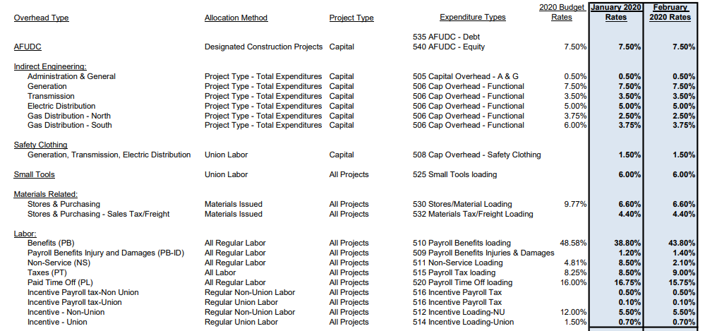

 |  |  |  |  |  |  |  |  |  |  |  |  | Non-Union | Union
 |  |  |  |  |  |  |  |  |  |  |  |  | 0.438 | 0.438
 |  |  |  |  |  |  |  |  |  |  |  |  | 0.014 | 0.014
 |  |  |  |  |  |  |  |  |  |  |  |  | 0.021 | 0.021
 |  |  |  |  |  |  |  |  |  |  |  |  | 0.09 | 0.09
 |  |  |  |  |  |  |  |  |  |  |  |  | 0.1575 | 0.1575
 |  |  |  |  |  |  |  |  |  |  |  |  | 0.005 | 0.001
 |  |  |  |  |  |  |  |  |  |  |  |  | 0.055 | 0.007
 |  |  |  |  |  |  |  |  |  |  |  |  | 0.7805 | 0.7285 | 0.7545

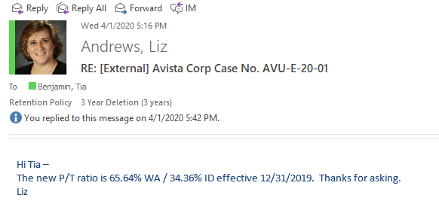
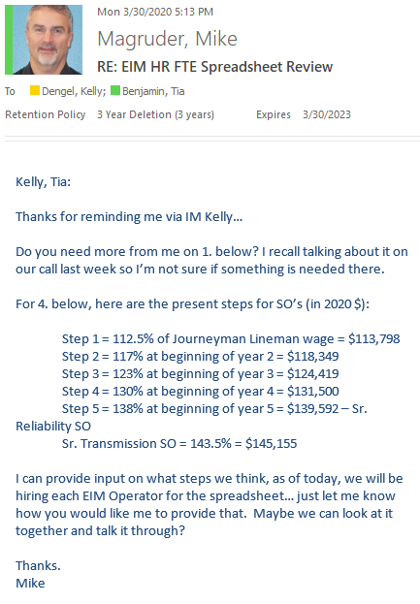
 | Non-Union | Union
Merit Assumption | 2.50% | 2.25%
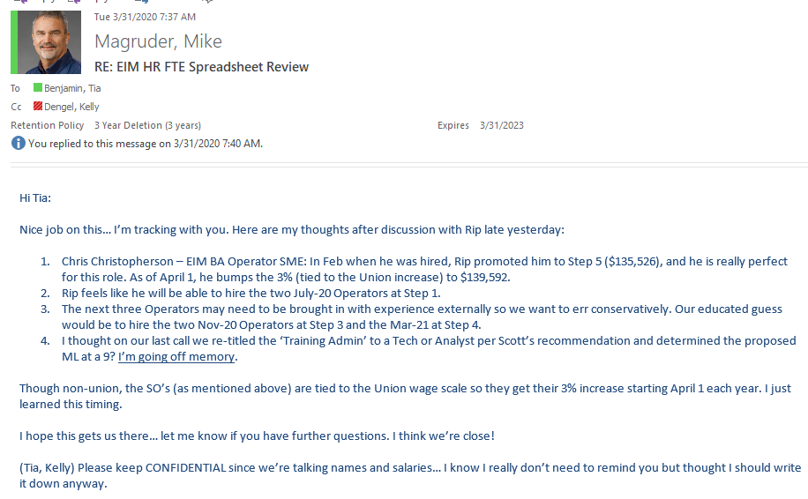

2020 One Leave Percents

OL %
10.54%
 |  |  |  |  |  |  |  |  |  |  |  |  |  | Jan-Mar | 3
 |  |  |  |  |  |  |  |  |  |  |  |  |  | Apr-Aug | 5
 |  |  |  |  |  |  |  |  |  |  |  |  |  | Sept-Dec | 4

 |  |  |  | 2021 |  |  |  | 2022 |  |  |  | 2023
 |  |  | 2020 | Jan-Mar | Apr-Aug | Sept-Dec | Ann Total | Jan-Mar | Apr-Aug | Sept-Dec | Ann Total | Jan-Mar | Apr-Aug | Sept-Dec | Ann Total
EIM BA Operator | 10 | Sep-20 | $113,798 | 28,450 | 48,483 | 40,337 | 117,269 | 30,253 | 51,556 | 43,360 | 125,169 | 32,520 | 55,420 | 46,859 | 134,799
EIM BA Operator | 10 | Sep-20 | $113,798 | 28,450 | 48,483 | 40,337 | 117,269 | 30,253 | 51,556 | 43,360 | 125,169 | 32,520 | 58,574 | 46,859 | 137,953
EIM BA Operator | 10 | Jan-21 | $124,419 | 31,105 | 53,008 | 42,406 | 126,519 | 33,615 | 57,285 | 45,828 | 136,728 | 36,486 | 62,178 | 49,743 | 148,407
EIM BA Operator | 10 | Jan-21 | $124,419 | 31,105 | 53,008 | 42,406 | 126,519 | 33,615 | 57,285 | 45,828 | 136,728 | 36,486 | 62,178 | 49,743 | 148,407
EIM BA Operator (Relief) | 10 | Mar-21 | $131,500 |  | 56,024 | 44,820 | 100,844 | 33,615 | 60,810 | 48,648 | 143,073 | 36,486 | 62,178 | 49,743 | 148,407

 | 2020 | 2021 | 2022 | 2023
Step1 | 113,798 | 116,358 | 118,977 | 121,653
Step2 | 118,349 | 121,012 | 123,735 | 126,519
Step3 | 124,419 | 127,218 | 130,081 | 133,008
Step4 | 131,500 | 134,459 | 137,484 | 140,577
Step5 | 139,592 | 142,733 | 145,944 | 149,228

SR SO | 145,155 | 148,421 | 151,760 | $155,175

