ZO12
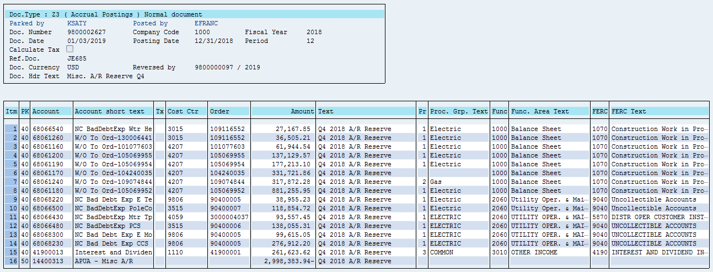
Order Group 904 (ZRW_ZO12) + CE 68066430

Orders | 12 Months | 12/2018 | 11/2018 | 10/2018 | 9/2018 | 8/2018 | 7/2018 | 6/2018 | 5/2018 | 4/2018 | 3/2018 | 2/2018 | 1/2018
90400003 9800 -Uncollectible Accts- Accrual- Elec | $17,972,410.35 | $1,131,075.73 | $1,322,580.90 | $970,299.98 | $2,492,117.00 | $1,432,790.93 | $1,326,648.81 | $1,545,742.83 | $1,661,071.31 | $1,397,378.28 | $1,596,741.61 | $1,396,812.44 | $1,699,150.53
90400005 9806 - Non-Consumption Bad Debt - Elec | 415,484.87 | 415,482.49 | 0.83 | (324,698.45) | 324,700.00 | - | - | - | - | - | - | - | -
90400006 3515-Non-Consumption Bad Debt - Wireless | 138,055.31 | 138,055.31 | - | - | - | - | - | - | - | - | - | - | -
90400007 3515-Non-Consumption Bad Debt - Wireline | 118,854.72 | 118,854.72 | - | - | - | - | - | - | - | - | - | - | -
CE 68066430 charged to order 3000004037 with 587 Reg Ind | 93,557.45 | 93,557.45
* Electric Uncollectible Accts | 18,738,362.70 | 1,897,025.70 | 1,322,581.73 | 645,601.53 | 2,816,817.00 | 1,432,790.93 | 1,326,648.81 | 1,545,742.83 | 1,661,071.31 | 1,397,378.28 | 1,596,741.61 | 1,396,812.44 | 1,699,150.53
90400303 9800 -Uncollectible Accts- Accrual- Gas | 4,330,979.28 | 238,387.28 | 369,349.17 | 267,112.79 | 788,329.15 | 361,005.39 | 295,681.52 | 354,261.68 | 311,003.87 | 313,030.38 | 329,167.71 | 321,039.19 | 382,611.15
90400304 9806 - Non-Consumption Bad Debt - Gas | - | - | - | (205,490.00) | 205,490.00 | - | - | - | - | - | - | - | -
* Gas Uncollectible Accounts | 4,330,979.28 | 238,387.28 | 369,349.17 | 61,622.79 | 993,819.15 | 361,005.39 | 295,681.52 | 354,261.68 | 311,003.87 | 313,030.38 | 329,167.71 | 321,039.19 | 382,611.15
90400600 9806 - Non-Consumption Bad Debt - Common | 6,637.31 | - | - | 6,637.31 | - | - | - | - | - | - | - | - | -
* Common Uncollectible Accounts | 6,637.31 | - | - | 6,637.31 | - | - | - | - | - | - | - | - | -
** Debit | $23,075,979.29 | $2,135,412.98 | $1,691,930.90 | $713,861.63 | $3,810,636.15 | $1,793,796.32 | $1,622,330.33 | $1,900,004.51 | $1,972,075.18 | $1,710,408.66 | $1,925,909.32 | $1,717,851.63 | $2,081,761.68
Order Group 904 | $22,982,421.84 | $2,041,855.53 | $1,691,930.90 | $713,861.63 | $3,810,636.15 | $1,793,796.32 | $1,622,330.33 | $1,900,004.51 | $1,972,075.18 | $1,710,408.66 | $1,925,909.32 | $1,717,851.63 | $2,081,761.68
Difference = CE 68066430 charged to order 3000004037 with | 93,557.45 | 93,557.45 | - | - | - | - | - | - | - | - | - | - | -
587 Reg Ind

Electric 12 Month Avg Cust Allocator | 66.19%
Gas 12 Month Avg Cust Allocator | 33.81%

Electric | $18,742,755.94 | $1,897,025.70 | $1,322,581.73 | $649,994.77 | $2,816,817.00 | $1,432,790.93 | $1,326,648.81 | $1,545,742.83 | $1,661,071.31 | $1,397,378.28 | $1,596,741.61 | $1,396,812.44 | $1,699,150.53
Gas | 4,333,223.35 | 238,387.28 | 369,349.17 | 63,866.86 | 993,819.15 | 361,005.39 | 295,681.52 | 354,261.68 | 311,003.87 | 313,030.38 | 329,167.71 | 321,039.19 | 382,611.15
 | $23,075,979.29 | $2,135,412.98 | $1,691,930.90 | $713,861.63 | $3,810,636.15 | $1,793,796.32 | $1,622,330.33 | $1,900,004.51 | $1,972,075.18 | $1,710,408.66 | $1,925,909.32 | $1,717,851.63 | $2,081,761.68

Electric | $18,738,362.70 | $1,897,025.70 | $1,322,581.73 | $645,601.53 | $2,816,817.00 | $1,432,790.93 | $1,326,648.81 | $1,545,742.83 | $1,661,071.31 | $1,397,378.28 | $1,596,741.61 | $1,396,812.44 | $1,699,150.53
Gas | 4,330,979.28 | 238,387.28 | 369,349.17 | 61,622.79 | 993,819.15 | 361,005.39 | 295,681.52 | 354,261.68 | 311,003.87 | 313,030.38 | 329,167.71 | 321,039.19 | 382,611.15
Common | 6,637.31 | - | - | 6,637.31 | - | - | - | - | - | - | - | - | -
 | $23,075,979.29 | $2,135,412.98 | $1,691,930.90 | $713,861.63 | $3,810,636.15 | $1,793,796.32 | $1,622,330.33 | $1,900,004.51 | $1,972,075.18 | $1,710,408.66 | $1,925,909.32 | $1,717,851.63 | $2,081,761.68

From 12ME December 2018 Income Statement | Electric | Gas | Common | Electric Common | Gas Common | Electric Alloc | Gas Alloc | Total
(20) 904 - Uncollectible Accounts | $18,738,362.70 | $4,330,979.28 | $6,637.31 | $4,393.24 | $2,244.07 | $18,742,755.94 | $4,333,223.35 | $23,075,979.29
 | 0.00 | 0.00 | 0.00 | (0.00) | 0.00 | (0.00) | 0.00 | 0.00
 | 0.00 | 0.00 | 0.00 | (39.83) | 39.83 | (39.83) | 39.83 | 0.00

From July through December FERC Module Income Statement | Electric | Gas | Common | Electric Common | Gas Common | Electric Alloc | Gas Alloc | Total
(20) 904 - Uncollectible Accounts | $9,441,465.70 | $2,319,865.30 | $6,637.31 | $4,353.41 | $2,283.90 | $9,445,819.11 | $2,322,149.20 | $11,767,968.31
 | 0.00 | 0.00 | 0.00 | 39.83 | (39.83) | 39.83 | (39.83) | 0.00

From Jan through June UIPlanner Income Statement | Electric | Gas | Common | Electric Common | Gas Common | Electric Alloc | Gas Alloc | Total
(20) 904 - Uncollectible Accounts | $9,296,897.00 | $2,011,113.98 | $- | $- | $- | $9,296,897.00 | $2,011,113.98 | $11,308,010.98
 | 0.00 | 0.00 | 0.00 | 0.00 | 0.00 | 0.00 | 0.00 | 0.00

 |  |  |  | Due to sub work paper using FM allocation which is slightly off of flat allocation
 |  |  |  | factor vs flat allocation factor being used in 12ME statement which is the appropriate
 |  |  |  | amount

 | Line 11 shows bad debt CE was posted to order 3000004037 which has a 587 Regulatory Indicator. Bad debt on Energy Diversion.

