Summary GRCs
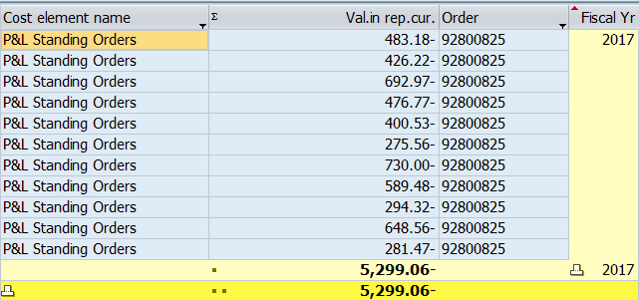
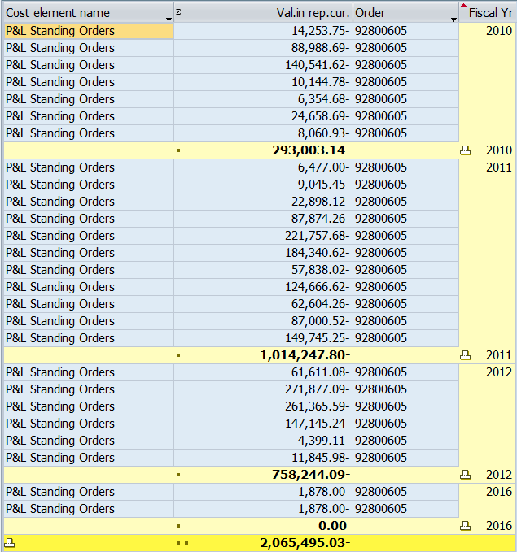
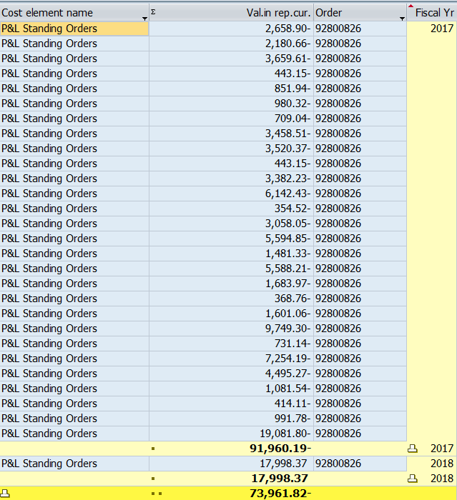
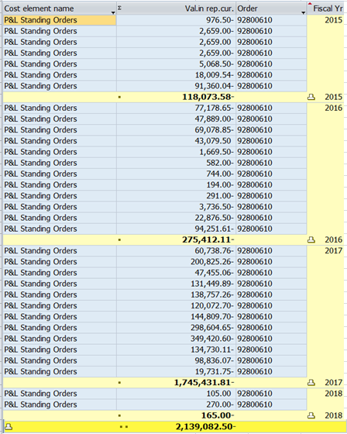
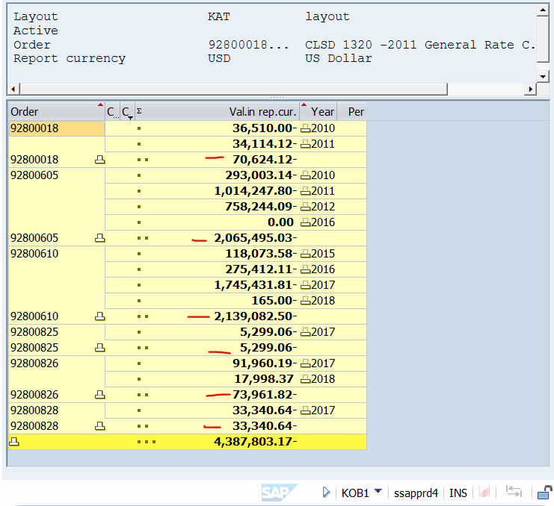
SUMMARY GRC: Cumulative Expenditures through 12/31/2018

 | Total | 2010 | 2011 | 2012 | 2013 | 2014 | 2015 | 2016 | 2017 | 2018
2011 GRC
order 92800018 (Elec) | 70,624 | 36,510 | 34,114 | - | - | - | - | - | - | -
order 92800319 (Gas) | - | - | - | - | - | - | - | - | - | -
order 92800605 (Common) | 2,065,495 | 293,003 | 1,014,248 | 758,244 | - | - | - | - | - | -
Total 2011 GRC Cost | 2,136,119 | 329,513 | 1,048,362 | 758,244 | - | - | - | - | - | -

 | Total | 2010 | 2011 | 2012 | 2013 | 2014 | 2015 | 2016 | 2017 | 2018
2017 GRC
order 92800825 GRC Rev Req | 5,299 | - | - | - | - | - | - | - | 5,299 | -
order 92800826 GRC | 73,962 | - | - | - | - | - | - | - | 91,960 | (17,998)
order 92800828 GRC (Common) | 33,341 | - | - | - | - | - | - | - | 33,341 | -
order 92800610 GRC (Common) | 2,139,083 | - | - | - | - | - | 118,074 | 275,412 | 1,745,432 | 165.00
Total 2017 GRC Cost | 2,251,684 | - | - | - | - | - | 118,074 | 275,412 | 1,876,032 | (17,833)

Total GRC direct charges | 4,387,803

check >> | -

