Qual TY SAP
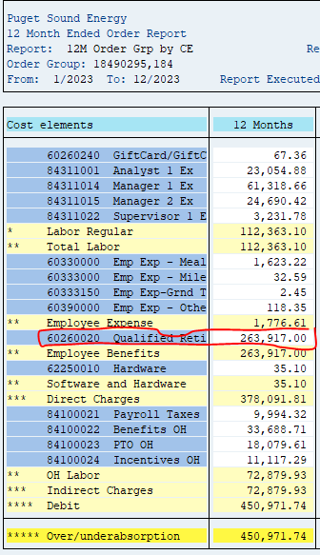
ZO12 Orders: Actual 12 Month Ended

Orders | 12 Months | Dec-23 | Nov-23 | Oct-23 | Sep-23 | Aug-23 | Jul-23 | Jun-23 | May-23 | Apr-23 | Mar-23 | Feb-23 | Jan-23
18490295 Benefits-Pension / CE 60260020 | 263,917.00 | 21,993.08 | 21,993.08 | 21,993.08 | 21,993.08 | 21,993.08 | 21,993.08 | 283,625.17 | 30,333.33- | 125,518.06- | 64,851.40 | 30,333.33- | 30,333.33-
18490404 1412 - Qualified Retirement Pl
19900110 1412 - Qualified Retirement Pl
** Over/underabsorption | 263,917 | 21,993 | 21,993 | 21,993 | 21,993 | 21,993 | 21,993 | 283,625 | 30,333- | 125,518- | 64,851 | 30,333- | 30,333-

