NetWriteoffs-Elec
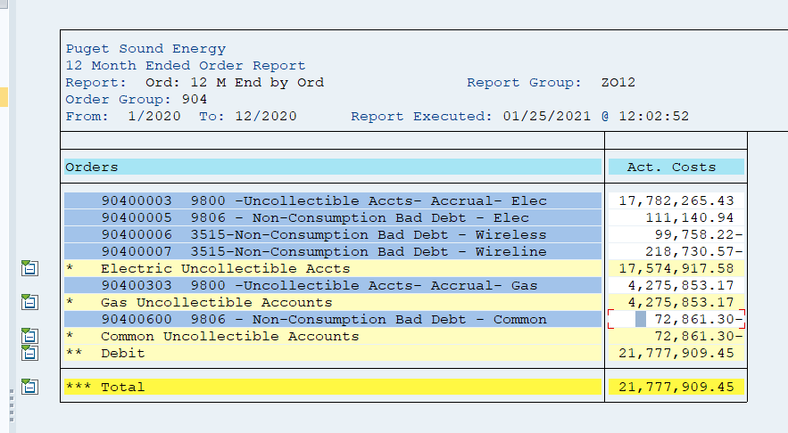
Puget Sound Energy / Net Write-Offs
12ME December 2020
Orders/Accounts
90400003 9800 -Uncollectible Accts- Accrual- Elec | 17,782,265.43
90400005 9806 - Non-Consumption Bad Debt - Elec | 111,140.94
90400006 3515-Non-Consumption Bad Debt - Wireless | -99,758.22
90400007 3515-Non-Consumption Bad Debt - Wireline | -218,730.57
* Electric Uncollectible Accts | 17,574,917.58
90400303 9800 -Uncollectible Accts- Accrual- Gas | 4,275,853.17
* Gas Uncollectible Accounts | 4,275,853.17
90400600 9806 - Non-Consumption Bad Debt - Common | -72,861.30
* Common Uncollectible Accounts | -72,861.30
904 Electric Direct Total | 17,574,917.58
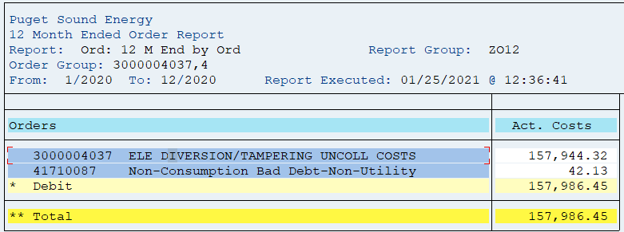
904 Electric Portion of Common | -42,361.56
Plus FERC 5870 and 4171
FERC 5870 Order 3000004037 ELE DIVERSION/TAMPERING UNCOLL COSTS | 157,944.32
FERC 4171 Order 41710087 Non-Consumption Bad Debt-Non-Utility | 42.13
** Total | 157,986.45
Total for All Cost Elements | 17,690,542
Net write-off for 12ME December 2018
Electric Uncollectible Acc | 17,690,542
Plus change in 14400311 | (9,241,048)
Total Electric Uncollectible accounts | $8,449,494.96

12ME December 2019
Orders/Accounts | Act. Costs
90400003 9800 -Uncollectible Accts- Accrual- Elec | 14,126,110.67
90400004 9810 – Uncollectable Acct Write-off | 858.58
90400005 9806 - Non-Consumption Bad Debt - Elec | 37,586.00
90400006 3515-Non-Consumption Bad Debt - Wireless | 167,433.93
90400007 3515-Non-Consumption Bad Debt - Wireline | 173,111.28
* Electric Uncollectible Accts | 14,505,100.46
90400303 9800 -Uncollectible Accts- Accrual- Gas | 3,241,254.56
* Gas Uncollectible Accounts | 3,241,254.56
90400600 9806 - Non-Consumption Bad Debt - Common | 84,917.50
* Common Uncollectible Accounts | 84,917.50
904 Electric Direct Total | 14,505,100
904 Electric Portion of Common | 49,320
Plus FERC 5870 and 4171
FERC 5870 Order 3000004037 ELE DIVERSION/TAMPERING UNCOLL COSTS | 33,606.70
FERC 4171 Order 41710087 Non-Consumption Bad Debt-Non-Utility | 0
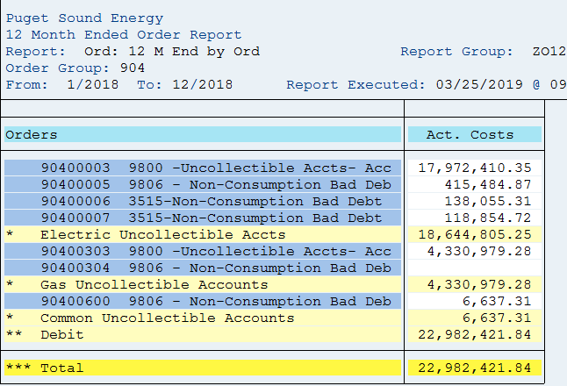
** Total | 33,607
Total for All Cost Elements | 14,588,027
Net write-off for 12ME December 2018
Electric Uncollectible Acc | 14,588,027
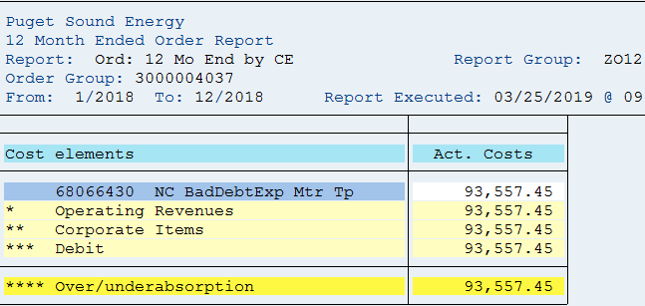
Plus change in 14400311 | (1,732,802)
Total Electric Uncollectible accounts | $12,855,225.24

12ME December 2018
Orders/Accounts | Act. Costs
90400003 9800- Uncollectible Accts-Accrual- Elec | 17,972,410
90400005 9806 - Non- Consumption Bad Debt | 415,485
90400006 3515 - Non-Consumption bad Debt | 138,055
90400007 3515 - Non-Consumption bad Debt | 118,855
CE 68066430 charged to order 3000004037 with 587 Reg Ind | 93,557
* Electric Uncollectible Accounts | 18,742,767
90400303 9800- Uncollectible Accts-Accrual-Gas | 4,330,979
90400304 9806 - Non-Consumption Bad Debt
* Gas Uncollectible Accounts | 4,333,213
90400600 9806 - Non-Consumption Bad Debt - Common | 6,637
* Common Uncollectible Accounts | 6,637
** Debit | 23,075,979
*** Over/underabsorption | 23,075,979
Net write-off for 12ME December 2018
Electric Uncollectible Acc | 18,742,767
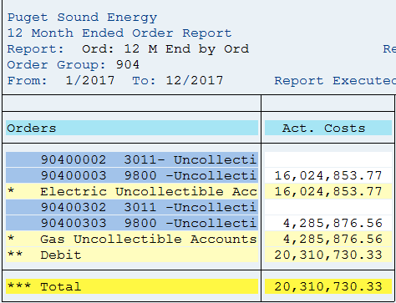
Plus change in 14400311 | 1,518,833
 | 20,261,600

12ME December 2017
Orders/Accounts | Act. Costs
90400002 3011 - Uncollectible Accts - Acc
90400003 9800 - Uncollectible Accts - Acc | 16,024,854
* Electric Uncollectible Accounts | 16,024,854
90400302 3011 - Uncollectible Accts - Acc | -
90400303 9800 - Uncollectible Accts - Acc | 4,285,877
* Gas Uncollectible Accounts | 4,285,877
** Debit | 20,310,730
*** Over/underabsorption | 20,310,730
Net write-off for 12ME December 2017:
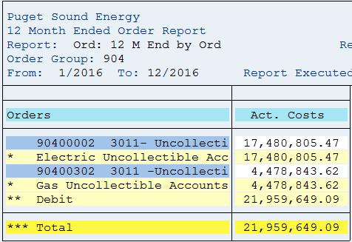
Electric Uncollectible Acc | 16,024,854
Plus change in 14400311 | 2,701,735
 | 18,726,589

12ME December 2016
Orders/Accounts | Act. Costs
90400002 3180- Uncollectible Accts- Accrual- Elec | 17,480,805
* Electric Uncollectible Accounts | 17,480,805
90400302 3180 -Uncollectible Accts- Accrual- Gas | 4,478,844
* Gas Uncollectible Accounts | 4,478,844
** Debit | 21,959,649
*** Over/underabsorption | 21,959,649
Net write-off for 12ME December 2016:

Electric Uncollectible Acc | 17,480,805
Plus change in 14400311 | (248,479)
 | 17,232,326

12ME December 2015
Orders/Accounts | Act. Costs
90400002 3011- Uncollectible Accts- Accrual- Elec | 14,034,501
* Electric Uncollectible Accounts | 14,034,501
90400302 3011 -Uncollectible Accts- Accrual- Gas | 4,367,438
* Gas Uncollectible Accounts | 4,367,438
** Debit | 18,401,939
*** Over/underabsorption | 18,401,939
Net write-off for 12ME December 2015:

Electric Uncollectible Acc | 14,034,501
Plus change in 14400311 | (1,839,963)
 | 12,194,538

12ME December 2014
Orders/Accounts | Act. Costs
90400002 3011- Uncollectible Accts- Accrual- Elec | 20,289,821
* Electric Uncollectible Accounts | 20,289,821
90400302 3011 -Uncollectible Accts- Accrual- Gas | 6,426,738
* Gas Uncollectible Accounts | 6,426,738
** Debit | 26,716,558
*** Over/underabsorption | 26,716,558
Net write-off for 12ME December 2014:
Electric Uncollectible Acc | 20,289,821
Plus change in 14400311 | (376,791)
 | 19,913,030

(Note 1) Amounts are included to achieve a cash basis write-off for
rate-making purposes. The balance sheet accounts are credited when
the monthly estimated accrual is made (dr. I/S and cr. B/S), and the
accounts are debited when customer accounts are written off (dr. B/S
and cr. B/S). A negative means growth in the APUA which is a natural
credit balance account. When the balance grows, the estimated
accruals are in excess of the write-offs and the income statement
debits for the estimated accrual were too high for the period.
Therefore, the balance sheet growth is used to reduce the excess
accrual on the income statement. A positive means a reduction in the
APUA credit balance sheet account. Additionally, it means the
income statement debits for the estimated accrual were too low for
the period. Therefore, the balance sheet reduction is used to
increase the inadequate accrual on the income statement.

BS Acct-Elec
Electric Reserve for Uncollectible Accounts
SAP 14400011 and 14400311

 |  |  |  | e =
a | b | c | d = b - c | prior e + d

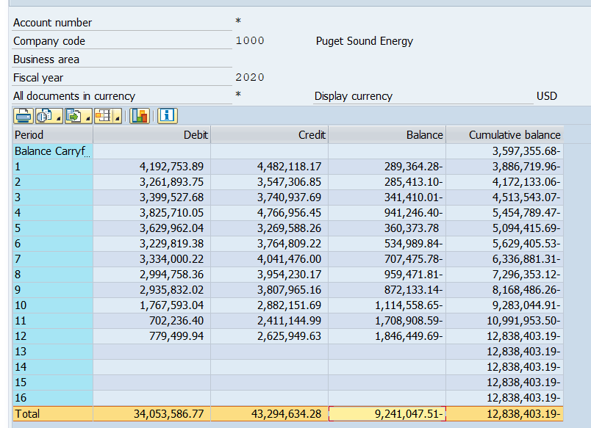
Period | Debit | Credit | Net Change | Cum. balance
Beginning Balance |  |  |  | -3,597,355.68
2020-01-31 | 4,192,753.89 | 4,482,118.17 | -289,364.28 | -3,886,719.96
2020-02-28 | 3,261,893.75 | 3,547,306.85 | -285,413.10 | -4,172,133.06
2020-03-30 | 3,399,527.68 | 3,740,937.69 | -341,410.01 | -4,513,543.07
2020-04-29 | 3,825,710.05 | 4,766,956.45 | -941,246.40 | -5,454,789.47
2020-05-30 | 3,629,962.04 | 3,269,588.26 | 360,373.78 | -5,094,415.69
2020-06-29 | 3,229,819.38 | 3,764,809.22 | -534,989.84 | -5,629,405.53
2020-07-30 | 3,334,000.22 | 4,041,476.00 | -707,475.78 | -6,336,881.31
2020-08-30 | 2,994,758.36 | 3,954,230.17 | -959,471.81 | -7,296,353.12
2020-09-29 | 2,935,832.02 | 3,807,965.16 | -872,133.14 | -8,168,486.26
2020-10-30 | 1,767,593.04 | 2,882,151.69 | -1,114,558.65 | -9,283,044.91
2020-11-29 | 702,236.40 | 2,411,144.99 | -1,708,908.59 | -10,991,953.50
2020-12-30 | 779,499.94 | 2,625,949.63 | -1,846,449.69 | -12,838,403.19

 |  | sum of net changes ==> | (9,241,047.51)

 | Ending Balance minus Beginning Balance ====> |  |  | (9,241,047.51)

Beginning Balance |  |  |  | -1,864,553.68
2019-01-31 | 1,458,119.14 | 856,433.31 | 601,685.83 | -1,262,867.85
2019-02-28 | 1,022,990.05 | 3,561,209.10 | -2,538,219.05 | -3,801,086.90
2019-03-31 | 980,422.42 | 1,255,274.59 | -274,852.17 | -4,075,939.07
2019-04-30 | 2,953,988.87 | 3,228,601.70 | -274,612.83 | -4,350,551.90
2019-05-31 | 4,360,668.42 | 4,646,822.09 | -286,153.67 | -4,636,705.57
2019-06-30 | 4,279,137.74 | 4,327,062.27 | -47,924.53 | -4,684,630.10
2019-07-31 | 4,695,338.76 | 3,931,916.15 | 763,422.61 | -3,921,207.49
2019-08-31 | 4,489,055.99 | 4,022,993.93 | 466,062.06 | -3,455,145.43
2019-09-30 | 4,048,380.74 | 4,009,507.50 | 38,873.24 | -3,416,272.19
2019-10-31 | 4,174,064.01 | 4,177,052.75 | -2,988.74 | -3,419,260.93
2019-11-30 | 3,450,506.71 | 3,805,324.80 | -354,818.09 | -3,774,079.02
2019-12-31 | 4,052,250.83 | 3,875,527.49 | 176,723.34 | -3,597,355.68

 |  | sum of net changes ==> | (1,732,802.00)

 | Ending Balance minus Beginning Balance ====> |  |  | (1,732,802.00)

Beginning Balance |  |  |  | -3,383,386.71
2018-01-31 | 4,792,534.56 | 5,110,112.26 | -317,577.70 | -3,700,964.41
2018-02-28 | 2,642,006.79 | 2,790,357.48 | -148,350.69 | -3,849,315.10
2018-03-31 | 1,901,913.99 | 2,216,543.82 | -314,629.83 | -4,163,944.93
2018-04-30 | 1,531,937.70 | 1,880,551.19 | -348,613.49 | -4,512,558.42
2018-05-31 | 1,572,436.17 | 1,792,200.90 | -219,764.73 | -4,732,323.15
2018-06-30 | 1,953,976.63 | 1,745,062.65 | 208,913.98 | -4,523,409.17
2018-07-31 | 2,403,790.17 | 1,789,150.51 | 614,639.66 | -3,908,769.51
2018-08-31 | 2,279,343.91 | 1,766,140.80 | 513,203.11 | -3,395,566.40
2018-09-30 | 4,143,260.07 | 2,788,819.22 | 1,354,440.85 | -2,041,125.55
2018-10-31 | 1,271,945.87 | 1,509,765.61 | -237,819.74 | -2,278,945.29
2018-11-30 | 1,458,354.82 | 1,340,742.34 | 117,612.48 | -2,161,332.81
2018-12-31 | 1,718,610.00 | 1,421,830.87 | 296,779.13 | -1,864,553.68

 |  | sum of net changes ==> | 1,518,833.03

 | Ending Balance minus Beginning Balance ====> |  |  | 1,518,833.03

Beginning Balance |  |  |  | -6,085,121.52
2017-01-31 | 2,966,196.20 | 2,883,680.37 | 82,515.83 | -6,002,605.69
2017-02-28 | 2,618,386.01 | 3,071,687.85 | -453,301.84 | -6,455,907.53
2017-03-31 | 3,002,033.19 | 3,080,588.24 | -78,555.05 | -6,534,462.58
2017-04-30 | 1,844,355.62 | 2,365,390.69 | -521,035.07 | -7,055,497.65
2017-05-31 | 1,639,803.80 | 832,685.15 | 807,118.65 | -6,248,379.00
2017-06-30 | 2,354,239.85 | 2,104,584.06 | 249,655.79 | -5,998,723.21
2017-07-31 | 2,439,245.49 | 1,472,362.31 | 966,883.18 | -5,031,840.03
2017-08-31 | 2,830,944.58 | 2,196,275.52 | 634,669.06 | -4,397,170.97
2017-09-30 | 2,397,428.80 | 1,394,556.35 | 1,002,872.45 | -3,394,298.52
2017-10-31 | 2,372,278.93 | 1,305,027.92 | 1,067,251.01 | -2,327,047.51
2017-11-30 | 2,178,334.37 | 1,598,324.77 | 580,009.60 | -1,747,037.91
2017-12-31 | 1,896,189.73 | 3,532,538.53 | -1,636,348.80 | -3,383,386.71

 |  | sum of net changes ==> | 2,701,734.81

 | Ending Balance minus Beginning Balance ====> |  |  | 2,701,734.81

Beginning Balance |  |  |  | -5,836,642.31
2016-01-31 | 2,553,013.68 | 3,251,351.23 | -698,337.55 | -6,534,979.86
2016-02-28 | 3,128,105.57 | 2,261,728.86 | 866,376.71 | -5,668,603.15
2016-03-31 | 2,778,173.33 | 1,757,147.39 | 1,021,025.94 | -4,647,577.21
2016-04-30 | 1,123,328.61 | 1,614,401.79 | -491,073.18 | -5,138,650.39
2016-05-31 | 1,047,154.80 | 1,595,643.65 | -548,488.85 | -5,687,139.24
2016-06-30 | 2,138,126.59 | 1,915,327.01 | 222,799.58 | -5,464,339.66
2016-07-31 | 1,838,131.61 | 1,770,509.27 | 67,622.34 | -5,396,717.32
2016-08-31 | 1,985,517.62 | 1,913,714.68 | 71,802.94 | -5,324,914.38
2016-09-30 | 2,309,376.89 | 2,667,019.33 | -357,642.44 | -5,682,556.82
2016-10-31 | 1,486,065.41 | 1,315,317.56 | 170,747.85 | -5,511,808.97
2016-11-30 | 1,651,751.19 | 1,612,160.00 | 39,591.19 | -5,472,217.78
2016-12-31 | 1,790,819.83 | 2,403,723.57 | -612,903.74 | -6,085,121.52

 |  | sum of net changes ==> | (248,479.21)

 | Ending Balance minus Beginning Balance ====> |  |  | (248,479.21)

Beginning Balance |  |  |  | -3,996,679.11
2015-01-31 | 1,619,375.74 | 1,606,070.38 | 13,305.36 | -3,983,373.75
2015-02-28 | 1,542,264.60 | 1,547,317.38 | -5,052.78 | -3,988,426.53
2015-03-31 | 1,545,312.32 | 1,851,063.86 | -305,751.54 | -4,294,178.07
2015-04-30 | 1,264,362.85 | 1,814,161.61 | -549,798.76 | -4,843,976.83
2015-05-31 | 1,172,471.24 | 1,414,312.96 | -241,841.72 | -5,085,818.55
2015-06-30 | 1,963,835.34 | 1,885,045.23 | 78,790.11 | -5,007,028.44
2015-07-31 | 1,631,449.94 | 1,546,541.23 | 84,908.71 | -4,922,119.73
2015-08-31 | 483,039.14 | 1,505,765.58 | -1,022,726.44 | -5,944,846.17
2015-09-30 | 417,725.38 | 1,256,229.36 | -838,503.98 | -6,783,350.15
2015-10-31 | 1,997,427.38 | 1,640,804.05 | 356,623.33 | -6,426,726.82
2015-11-30 | 626,906.97 | 690,690.88 | -63,783.91 | -6,490,510.73
2015-12-31 | 2,061,011.56 | 1,407,143.14 | 653,868.42 | -5,836,642.31

 |  | sum of net changes ==> | (1,839,963.20)

 | Ending Balance minus Beginning Balance ====> |  |  | (1,839,963.20)

Beginning Balance |  |  |  | -3,619,888.08
2014-01-31 | 2,097,007.89 | 2,622,011.18 | -525,003.29 | -4,144,891.37
2014-02-28 | 1,901,959.05 | 1,549,277.43 | 352,681.62 | -3,792,209.75
2014-03-31 | 2,004,408.19 | 2,646,116.42 | -641,708.23 | -4,433,917.98
2014-04-30 | 1,229,304.15 | 2,134,635.52 | -905,331.37 | -5,339,249.35
2014-05-31 | 1,577,373.45 | 2,014,121.96 | -436,748.51 | -5,775,997.86
2014-06-30 | 2,118,299.07 | 2,352,647.12 | -234,348.05 | -6,010,345.91
2014-07-31 | 2,626,662.42 | 2,591,140.83 | 35,521.59 | -5,974,824.32
2014-08-31 | 2,367,650.56 | 2,026,823.90 | 340,826.66 | -5,633,997.66
2014-09-30 | 2,170,047.42 | 1,814,688.64 | 355,358.78 | -5,278,638.88
2014-10-31 | 2,400,016.30 | 1,957,195.11 | 442,821.19 | -4,835,817.69
2014-11-30 | 1,809,532.49 | 1,511,963.17 | 297,569.32 | -4,538,248.37
2014-12-31 | 2,158,834.88 | 1,617,265.62 | 541,569.26 | -3,996,679.11

 |  | sum of net changes ==> | (376,791.03)

 | Ending Balance minus Beginning Balance ====> |  |  | (376,791.03)

ZO12
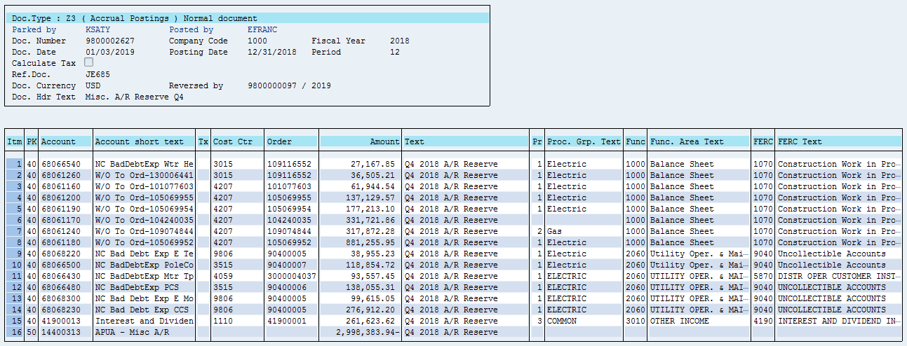
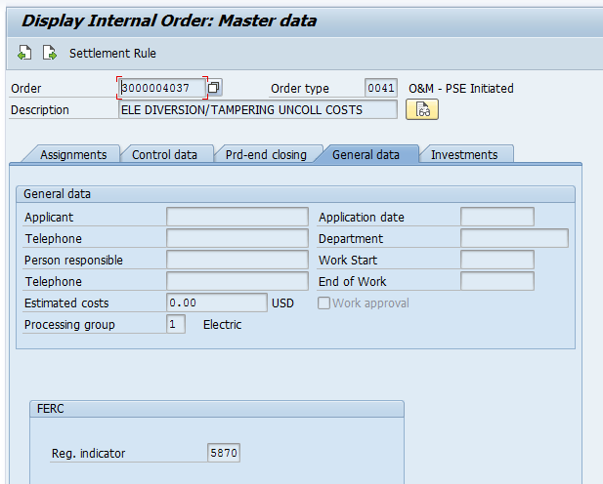
Order Group 904 (ZRW_ZO12) + CE 68066430

Orders | 12 Months | 12/2018 | 11/2018 | 10/2018 | 9/2018 | 8/2018 | 7/2018 | 6/2018 | 5/2018 | 4/2018 | 3/2018 | 2/2018 | 1/2018
90400003 9800 -Uncollectible Accts- Accrual- Elec | $17,972,410.35 | $1,131,075.73 | $1,322,580.90 | $970,299.98 | $2,492,117.00 | $1,432,790.93 | $1,326,648.81 | $1,545,742.83 | $1,661,071.31 | $1,397,378.28 | $1,596,741.61 | $1,396,812.44 | $1,699,150.53
90400005 9806 - Non-Consumption Bad Debt - Elec | 415,484.87 | 415,482.49 | 0.83 | (324,698.45) | 324,700.00 | - | - | - | - | - | - | - | -
90400006 3515-Non-Consumption Bad Debt - Wireless | 138,055.31 | 138,055.31 | - | - | - | - | - | - | - | - | - | - | -
90400007 3515-Non-Consumption Bad Debt - Wireline | 118,854.72 | 118,854.72 | - | - | - | - | - | - | - | - | - | - | -
CE 68066430 charged to order 3000004037 with 587 Reg Ind | 93,557.45 | 93,557.45
* Electric Uncollectible Accts | 18,738,362.70 | 1,897,025.70 | 1,322,581.73 | 645,601.53 | 2,816,817.00 | 1,432,790.93 | 1,326,648.81 | 1,545,742.83 | 1,661,071.31 | 1,397,378.28 | 1,596,741.61 | 1,396,812.44 | 1,699,150.53
90400303 9800 -Uncollectible Accts- Accrual- Gas | 4,330,979.28 | 238,387.28 | 369,349.17 | 267,112.79 | 788,329.15 | 361,005.39 | 295,681.52 | 354,261.68 | 311,003.87 | 313,030.38 | 329,167.71 | 321,039.19 | 382,611.15
90400304 9806 - Non-Consumption Bad Debt - Gas | - | - | - | (205,490.00) | 205,490.00 | - | - | - | - | - | - | - | -
* Gas Uncollectible Accounts | 4,330,979.28 | 238,387.28 | 369,349.17 | 61,622.79 | 993,819.15 | 361,005.39 | 295,681.52 | 354,261.68 | 311,003.87 | 313,030.38 | 329,167.71 | 321,039.19 | 382,611.15
90400600 9806 - Non-Consumption Bad Debt - Common | 6,637.31 | - | - | 6,637.31 | - | - | - | - | - | - | - | - | -
* Common Uncollectible Accounts | 6,637.31 | - | - | 6,637.31 | - | - | - | - | - | - | - | - | -
** Debit | $23,075,979.29 | $2,135,412.98 | $1,691,930.90 | $713,861.63 | $3,810,636.15 | $1,793,796.32 | $1,622,330.33 | $1,900,004.51 | $1,972,075.18 | $1,710,408.66 | $1,925,909.32 | $1,717,851.63 | $2,081,761.68
Order Group 904 | $22,982,421.84 | $2,041,855.53 | $1,691,930.90 | $713,861.63 | $3,810,636.15 | $1,793,796.32 | $1,622,330.33 | $1,900,004.51 | $1,972,075.18 | $1,710,408.66 | $1,925,909.32 | $1,717,851.63 | $2,081,761.68
Difference = CE 68066430 charged to order 3000004037 with | 93,557.45 | 93,557.45 | - | - | - | - | - | - | - | - | - | - | -
587 Reg Ind

Electric 12 Month Avg Cust Allocator | 66.35%
Gas 12 Month Avg Cust Allocator | 33.65%

Common Charges Allocation
Electric | $18,742,766.56 | $1,897,025.70 | $1,322,581.73 | $650,005.39 | $2,816,817.00 | $1,432,790.93 | $1,326,648.81 | $1,545,742.83 | $1,661,071.31 | $1,397,378.28 | $1,596,741.61 | $1,396,812.44 | $1,699,150.53
Gas | 4,333,212.73 | 238,387.28 | 369,349.17 | 63,856.24 | 993,819.15 | 361,005.39 | 295,681.52 | 354,261.68 | 311,003.87 | 313,030.38 | 329,167.71 | 321,039.19 | 382,611.15
 | $23,075,979.29 | $2,135,412.98 | $1,691,930.90 | $713,861.63 | $3,810,636.15 | $1,793,796.32 | $1,622,330.33 | $1,900,004.51 | $1,972,075.18 | $1,710,408.66 | $1,925,909.32 | $1,717,851.63 | $2,081,761.68

Electric | $18,738,362.70 | $1,897,025.70 | $1,322,581.73 | $645,601.53 | $2,816,817.00 | $1,432,790.93 | $1,326,648.81 | $1,545,742.83 | $1,661,071.31 | $1,397,378.28 | $1,596,741.61 | $1,396,812.44 | $1,699,150.53
Gas | 4,330,979.28 | 238,387.28 | 369,349.17 | 61,622.79 | 993,819.15 | 361,005.39 | 295,681.52 | 354,261.68 | 311,003.87 | 313,030.38 | 329,167.71 | 321,039.19 | 382,611.15
Common | 6,637.31 | - | - | 6,637.31 | - | - | - | - | - | - | - | - | -
 | $23,075,979.29 | $2,135,412.98 | $1,691,930.90 | $713,861.63 | $3,810,636.15 | $1,793,796.32 | $1,622,330.33 | $1,900,004.51 | $1,972,075.18 | $1,710,408.66 | $1,925,909.32 | $1,717,851.63 | $2,081,761.68

From 12ME December 2018 Income Statement | Electric | Gas | Common | Electric Common | Gas Common | Electric Alloc | Gas Alloc | Total
(20) 904 - Uncollectible Accounts | $18,738,362.70 | $4,330,979.28 | $6,637.31 | $4,393.24 | $2,244.07 | $18,742,755.94 | $4,333,223.35 | $23,075,979.29
 | 0.00 | 0.00 | 0.00 | 10.62 | (10.62) | 10.62 | (10.62) | 0.00
 | 0.00 | 0.00 | 0.00 | (39.83) | 39.83 | (39.83) | 39.83 | 0.00

From July through December FERC Module Income Statement | Electric | Gas | Common | Electric Common | Gas Common | Electric Alloc | Gas Alloc | Total
(20) 904 - Uncollectible Accounts | $9,441,465.70 | $2,319,865.30 | $6,637.31 | $4,353.41 | $2,283.90 | $9,445,819.11 | $2,322,149.20 | $11,767,968.31
 | 0.00 | 0.00 | 0.00 | 50.45 | (50.45) | 50.45 | (50.45) | 0.00

From Jan through June UIPlanner Income Statement | Electric | Gas | Common | Electric Common | Gas Common | Electric Alloc | Gas Alloc | Total
(20) 904 - Uncollectible Accounts | $9,296,897.00 | $2,011,113.98 | $- | $- | $- | $9,296,897.00 | $2,011,113.98 | $11,308,010.98
 | 0.00 | 0.00 | 0.00 | 0.00 | 0.00 | 0.00 | 0.00 | 0.00

 |  |  |  | Due to sub work paper using FM allocation which is slightly off of flat allocation
 |  |  |  | factor vs flat allocation factor being used in 12ME statement which is the appropriate
 |  |  |  | amount

 | Line 11 shows bad debt CE was posted to order 3000004037 which has a 587 Regulatory Indicator. Bad debt on Energy Diversion.

2020 AllocFactrs
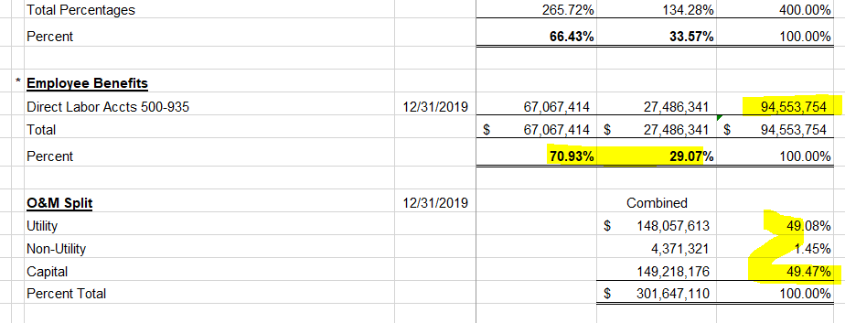
PUGET SOUND ENERGY-ELECTRIC & GAS
FOR THE TWELVE MONTHS ENDED DECEMBER 31, 2020
ALLOCATION METHODS

Method |  | Description |  | Electric | Gas | Total

1 | * | 12 Month Average Number of Customers | 2020-12-31 | 1,181,577 | 850,720 | 2,032,297
 |  | Percent |  | 58.14% | 41.86% | 100.00%

2 | * | Joint Meter Reading Customers | 2020-12-31 | 813,535 | 486,000 | 1,299,535
 |  | Percent |  | 62.60% | 37.40% | 100.00%

3 | * | Non-Production Plant
 |  | Distribution | 2020-12-31 | 4,405,569,600 | 4,221,953,175 | $8,627,522,775
 |  | Transmission | 2020-12-31 | 1,641,489,956 | - | 1,641,489,956
 |  | Direct General Plant | 2020-12-31 | 238,218,585 | 42,710,271 | 280,928,856
 |  | Total |  | $6,285,278,141 | $4,264,663,446 | $10,549,941,587
 |  | Percent |  | 59.58% | 40.42% | 100.00%

4 | * | 4-Factor Allocator
 |  | Number of Customers | 2020-12-31 | 1,181,577 | 850,720 | 2,032,297
 |  | Percent |  | 58.14% | 41.86% | 100.00%

 |  | Labor - Direct Charge to O&M | 2020-12-31 | 59,768,672 | 26,253,909 | $86,022,580
 |  | Percent |  | 69.48% | 30.52% | 100.00%

 |  | T&D O&M Expense (Less Labor) | 2020-12-31 | 75,670,569 | 34,119,707 | $109,790,276
 |  | Percent |  | 68.92% | 31.08% | 100.00%

 |  | Net Classified Plant (Excluding General (Common) Plant) | 2020-12-31 | 5,608,994,658 | 2,583,606,245 | 8,192,600,903
 |  | Percent |  | 68.46% | 31.54% | 100.00%

 |  | Total Percentages |  | 265.01% | 134.99% | 400.00%
 |  | Percent |  | 66.25% | 33.75% | 100.00%

5 | * | Employee Benefits
 |  | Direct Labor Accts 500-935 | 2020-12-31 | 67,067,414 | 27,486,341 | 94,553,754 | `
 |  | Total |  | $67,067,414 | $27,486,341 | $94,553,754
 |  | Percent |  | 70.93% | 29.07% | 100.00%

6 |  | O&M Split | 2020-12-31 |  | Combined
 |  | Utility |  |  | 148,057,613 | 49.08%
 |  | Non-Utility |  |  | 4,371,321 | 1.45%
 |  | Capital |  |  | 149,218,176 | 49.47%
 |  | Percent Total |  |  | $301,647,110 | 100.00%

