Typical Res Bill Combined
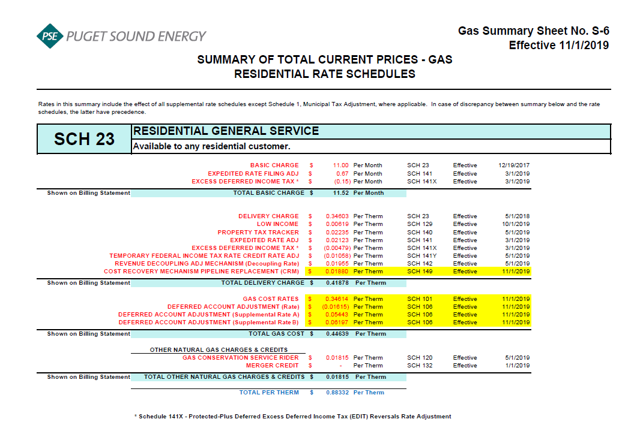
Puget Sound Energy
2020 Gas Decoupling Filing
Typical Residential Bill Impacts
Proposed Effective May 1, 2020

 |  |  | Current Rates |  | Schedule 142 Rate Change
 |  |  | Rates (1) | Charges | Rates | Charges
 | Volume (therms) |  | 64 |  | 64

 | Customer charge ($/month)
 |  | Basic charge | $11.00 | $11.00 | $11.00 | $11.00
 |  | ERF adjusting charge (Schedule 141) | $0.67 | $0.67 | $0.67 | $0.67
 |  | EDIT adjusting charge (Schedule 141X) | $(0.15) | $(0.15) | $(0.15) | $(0.15)
 |  | Subtotal | $11.52 | $11.52 | $11.52 | $11.52

 | Volumetric charges ($/therm)
 |  | Delivery charge (Schedule 23) | $0.34603 |  | $0.34603
 |  | Low income charge (Schedule 129) | $0.00619 |  | $0.00619
 |  | Property tax charge (Schedule 140) | $0.02235 |  | $0.02235
 |  | ERF adjusting charge (Schedule 141) | $0.02123 |  | $0.02123
 |  | EDIT adjusting charge (Schedule 141X) | $(0.00479) |  | $(0.00479)
 |  | Tax Reform Credit (Schedule 141Y) | $(0.01058) |  | $(0.01058)
 |  | Decoupling charge (Schedule 142) | $0.01955 |  | $0.01232
 |  | CRM Charge (Schedule 149) | $0.01880 |  | $0.01880
 |  | Subtotal | $0.41878 | $26.80 | $0.41155 | $26.34

 |  | Conservation charge (Schedule 120) | $0.01815 | $1.16 | $0.01815 | $1.16

 |  | Merger rate credit (Schedule 132) | $- | $- | $- | $-

 |  | Cost of gas (Schedule 101) | $0.34614 |  | $0.34614
 |  | Deferral amortization (Schedule 106) | $(0.01615) |  | $(0.01615)
 |  | Deferral amortization (Schedule 106A) | $0.05443 |  | $0.05443
 |  | Deferral amortization (Schedule 106B) | $0.06197 |  | $0.06197
 |  | Subtotal | $0.44639 | $28.57 | $0.44639 | $28.57
 |  | Total volumetric charges | $0.88332 | $56.53 | $0.87609 | $56.07

 | Total monthly bill |  |  | $68.05 |  | $67.59
 | Change from bill under current rates |  |  |  |  | $(0.46)
 | Percent change from bill under current rates |  |  |  |  | -0.68%

 | Total volumetric rates less gas costs |  | $0.43693 |  | $0.42970

 | (1) Rates for Schedule 23 customers in effect November 1, 2019

