ZO12 Gas Exp 12ME 12-2019
ZO12 Orders: Actual 12 Month Ended 12-2019
WBS ELEMENT : C.00000.06.03.03 PGA Deferral
WBS ELEMENT : C.9999.03.37.01 Sch 137 Carbon Program

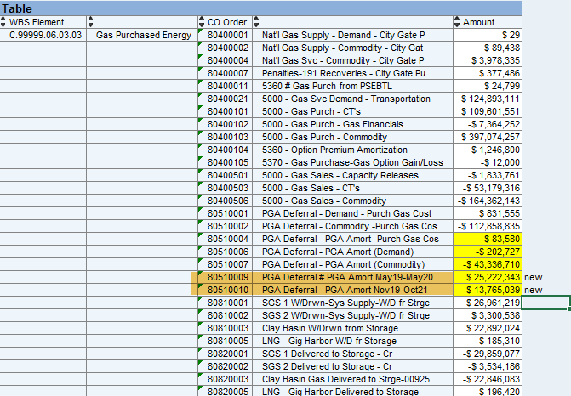
Orders | Act. Costs
90800350 4465 - Low Income Program - Gas | 4,622,872.26
90800407 4400-Cust Asst Exp-Consr Trckr Amort-Gas | 15,875,501.36
80510004 PGA Deferral - PGA Amort -Purch Gas Cos | (83,580.10)
80510006 PGA Deferral - PGA Amort (Demand) | (202,727.00)
80510007 PGA Deferral - PGA Amort (Commodity) | (43,336,710.00)
80510009 PGA Deferral - PGA Amort May 2019-May 20 | 25,222,343.00 | C.99999.03.37.01 | Green Power Program | 90800143 | 9810-Customer Assist Exp-Green Power-Ele | 433,531.27
80510010 PGA Deferral - PGA Amort Nov19-Oct21 | 13,765,039.00 |  |  | 90800144 | 9810 - Customer Assist. Exp. Grants-Ele | 259,928.22
49500012 4430-Other Gas Reven-Carbon Offset Progm | 159,786.32 |  |  | 90800313 | 9810-Cust Assist-Carbon Offset Sch-137-G | 8,905.39
80500012 3545-Other Gas Purch-Carbon Offset Progm | 130,271.00 |  |  | 90900007 | 9810 -Elec-Cust Promo Costs-Green Power | 1,186,656.02
80500022 9810-Carbon Offset Gas Progm (new order replaces 80500012) | 70,863.00
90800312 CLSD -3545-Cust Asst-Carb Ofst Sch-137-G | - |  |  | 90900313 | 9810 -Cust Promo-Carbon Offset Sch-137-G | 28,750.00
90800313 9810-Cust Assist-Carbon Offset Sch-137-G | 8,905.39 | C.99999.06.05.02 | Green Power Renewable Credits | 55700006 | 9810 - Green Power Renewable Credits | 1,504,681.43
90900313 9810- Cust Promo Carbob Offset Sch-137-G | 28,750.00 | C.99999.09.03.01 | Operating Revenue Electric FA 1010 | 44200551 | Commercial-Green Power Certificates | -51,228.60
40810303 Municipal Taxes | 39,771,898.50 |  |  | 44200552 | Commercial - Clear Green Power PSE Facil | 37,195.47
40810304 Property Taxes-Washington-Gas | 15,451,002.00 | X.99999.04.01.01 | Green Power Renewable Credits FA 2040 | 80500012 | 3545-Other Gas Purch-Carbon Offset Progm | 130,271.00
40810307 Prop Tax Sch140 Tracker Amort Defer -Gas | 5,092,392.00
Total | 76,576,606.73

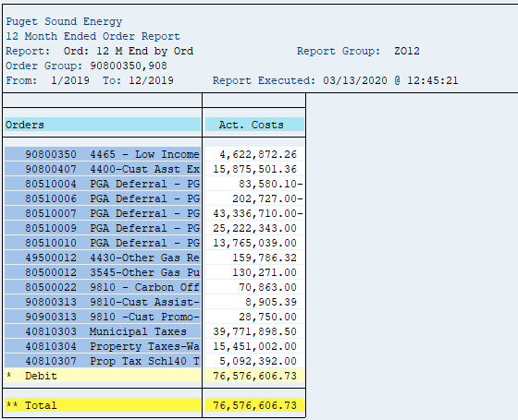
REVENUE ASSOC WITH PGA AMORTIZATION - SCHEDULE 106 | (4,635,635.10)
CONVERSION FACTOR EXCLUDING FEDERAL INCOME TAX | 0.954899
TOTAL SCH 106 | (4,854,581.58)

ZO12 Decoup 12ME 12-2019
ZO12 Orders: Actual 12 Month Ended 12-2019
Date: 03/03/2020
(Confirm with Revenue Acctng 3/3/20)
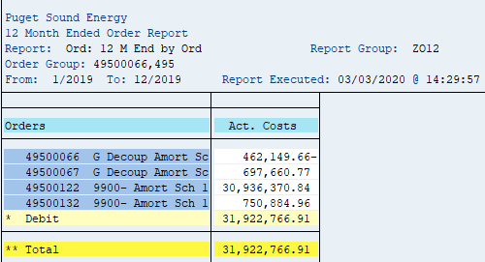
Orders | Act. Costs
49500122 9900- Amort Sch 142 Gas Resid in Rates | 30,936,370.84
49500132 9900- Amort Sch 142 Gas NonResid in Rate | 750,884.96
49500066 G Decoup Amort Sch 142 - Sch 31 & 31T in | (462,149.66)
49500067 G Decoup Amort Sch 142-Sch 41,41T,86,86T | 697,660.77
Total | 31,922,766.91

Conversion Factor Before FIT | 0.954899

Decoupling Revenue | (33,430,516.64)

SCH 140 Prop Tax 12ME 12-2019
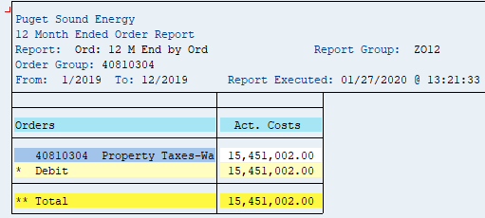
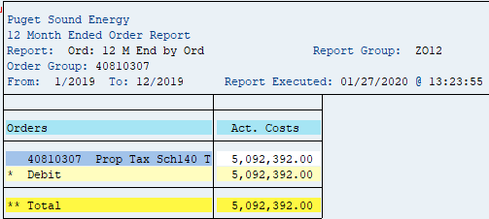
2019 Schedule 140 Property Tax Schedules (from Revevue Group)

 | Object number | Order | Order Text | Per | Year | User | Revenue | StatKF | Doc. No. | DocDate | PostgDate | Sement Text

 | OR000048099995 | 48099995 | Sch 140 Property Tax - Gas | 001 | 2019 | JDOUGL | $(3,066,934) | SC140G | 400053509 | 02/04/2019 | 01/31/2019 | 1/2019 Billed + Change in Unbilled Sch 140 Revenue
 | OR000048099995 | 48099995 | Sch 140 Property Tax - Gas | 002 | 2019 | JDOUGL | $(3,676,628) | SC140G | 400053806 | 03/04/2019 | 02/28/2019 | 2/2019 Billed + Change in Unbilled Sch 140 Revenue
 | OR000048099995 | 48099995 | Sch 140 Property Tax - Gas | 003 | 2019 | JDOUGL | $(2,446,088) | SC140G | 400053812 | 04/02/2019 | 03/31/2019 | 3/2019 Billed + Change in Unbilled Sch 140 Revenue
 | OR000048099995 | 48099995 | Sch 140 Property Tax - Gas | 004 | 2019 | JDOUGL | $(1,391,253) | SC140G | 400053822 | 05/02/2019 | 04/30/2019 | 4/2019 Billed + Change in Unbilled Sch 140 Revenue
 | OR000048099995 | 48099995 | Sch 140 Property Tax - Gas | 005 | 2019 | JDOUGL | $(525,724) | SC140G | 400054200 | 06/04/2019 | 05/31/2019 | 5/2019 Billed + Change in Unbilled Sch 140 Revenue
 | OR000048099995 | 48099995 | Sch 140 Property Tax - Gas | 005 | 2019 | JDOUGL | $525,724 | SC140G | 400054503 | 07/03/2019 | 05/31/2019 | 5/2019 Billed + Change in Unbilled Sch 140 Revenue
 | OR000048099995 | 48099995 | Sch 140 Property Tax - Gas | 005 | 2019 | JDOUGL | $(1,024,384) | SC140G | 400054503 | 07/03/2019 | 05/31/2019 | 5/2019 Billed + Change in Unbilled Sch 140 Correct
 | OR000048099995 | 48099995 | Sch 140 Property Tax - Gas | 006 | 2019 | JDOUGL | $(762,868) | SC140G | 400054502 | 07/03/2019 | 06/30/2019 | 6/2019 Billed + Change in Unbilled Sch 140 Revenue
 | OR000048099995 | 48099995 | Sch 140 Property Tax - Gas | 006 | 2019 | JDOUGL | $0 | SC140G | 400054504 | 07/03/2019 | 06/30/2019 | 6/2019 Billed + Change in Unbilled Sch 140 true up
 | OR000048099995 | 48099995 | Sch 140 Property Tax - Gas | 007 | 2019 | JDOUGL | $(666,645) | SC140G | 400054601 | 08/02/2019 | 07/31/2019 | 7/2019 Billed + Change in Unbilled Sch 140 Revenue
 | OR000048099995 | 48099995 | Sch 140 Property Tax - Gas | 008 | 2019 | JDOUGL | $(623,131) | SC140G | 400054900 | 09/04/2019 | 08/31/2019 | 8/2019 Billed + Change in Unbilled Sch 140 Revenue
 | OR000048099995 | 48099995 | Sch 140 Property Tax - Gas | 009 | 2019 | JDOUGL | $(825,413) | SC140G | 400054911 | 10/02/2019 | 09/30/2019 | 9/2019 Billed + Change in Unbilled Sch 140 Revenue
 | OR000048099995 | 48099995 | Sch 140 Property Tax - Gas | 010 | 2019 | JDOUGL | $(1,834,379) | SC140G | 400055008 | 11/04/2019 | 10/31/2019 | 10/2019 Billed + Change in Unbilled Sch 140 Revenu
 | OR000048099995 | 48099995 | Sch 140 Property Tax - Gas | 011 | 2019 | JDOUGL | $(2,255,206) | SC140G | 400055010 | 12/03/2019 | 11/30/2019 | 11/2019 Billed + Change in Unbilled Sch 140 Revenu
 | OR000048099995 | 48099995 | Sch 140 Property Tax - Gas | 012 | 2019 | JDOUGL | $(2,948,891) | SC140G | 400055208 | 01/03/2020 | 12/31/2019 | 12/2019 Billed + Change in Unbilled Sch 140 Revenu
 |  |  |  |  |  |  | $(21,521,820)

 |  |  |  |  | SAP Transaction: ZRW_ZO12
 |  |  |  |  | Orders | 40810304 Property Taxes-Washington-Gas | 40810307 Prop Tax Sch140 Tracker Amort Defer -Gas | Total Expense

 |  |  |  |  | Jan-19 | $2,458,805 | $468,700 | $2,927,505
 |  |  |  |  | Feb-19 | 3,040,781 | 468,700 | 3,509,481
 |  |  |  |  | Mar-19 | 1,866,185 | 468,699 | 2,334,884
 |  |  |  |  | Apr-19 | 859,304 | 468,700 | 1,328,004
 |  |  |  |  | May-19 | 99,625 | 402,199 | 501,824
 |  |  |  |  | Jun-19 | 801,976 | 402,199 | 1,204,175
 |  |  |  |  | Jul-19 | 234,140 | 402,199 | 636,339
 |  |  |  |  | Aug-19 | 192,603 | 402,199 | 594,802
 |  |  |  |  | Sep-19 | 385,689 | 402,199 | 787,888
 |  |  |  |  | Oct-19 | 1,348,785 | 402,199 | 1,750,984
 |  |  |  |  | Nov-19 | 1,750,480 | 402,199 | 2,152,679
 |  |  |  |  | Dec-19 | 2,412,629 | 402,199 | 2,814,828
 |  |  |  |  | 12 Months | $15,451,002 | $5,092,391 | $20,543,393

