191
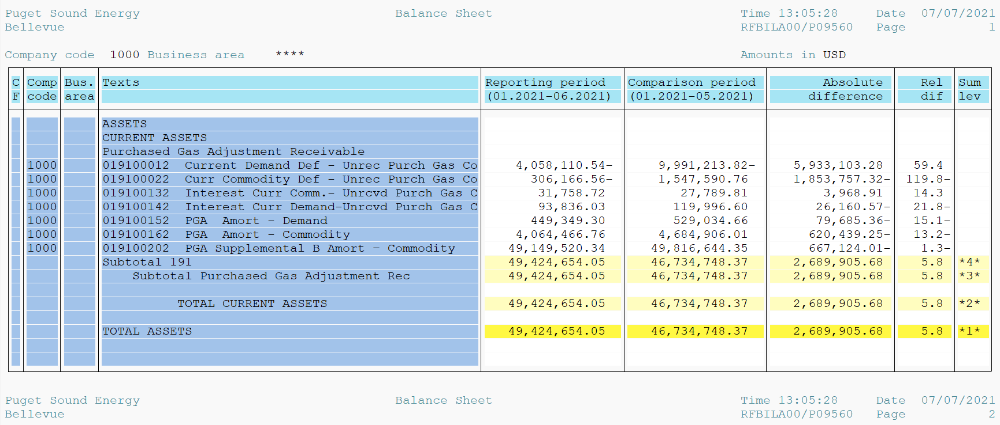
PUGET SOUND ENERGY
PGA 191 Account Balances
June
2021

 |  | Acct No. | Jun-21

Surcharge/Refund Amortization Accounts:
PGA Refund/Surcharge Amortization (Demand) |  | 19100152
 | Beginning |  | $529,034.66
 | Transfer Deferral Amounts to Surcharge/Refund Account |  | -
 | Transfer to Commodity Amort Account |  | -
 | Surcharge/Refund Amortization |  | (78,754.00)
 | Migration Credit |  | 1,426.26
 | Interest |  | (2,357.62)
 | Total Month |  | (79,685.36)
 | Ending |  | $449,349.30

PGA Refund/Surcharge Amortization (Commodity) - 106 |  | 19100162
 | Beginning |  | $4,684,906.01
 | Transfer Deferral Amounts to Surcharge/Refund Account |  | -
 | Transfer to Commodity Amort Account |  | -
 | Surcharge/Refund Amortization |  | (649,837.00)
 | Migration Credit |  | 6,243.49
 | Interest |  | 23,154.26
 | Total Month |  | (620,439.25)
 | Ending |  | $4,064,466.76

PGA Supplemental Amortization (Commodity) - 106A |  | 19100192
 | Beginning |  | $-
 | Transfer to Commodity Amort Account |  | -
 | Surcharge/Refund Amortization |  | -
 | Migration Credit |  | -
 | Interest |  | -
 | Total Month |  | -
 | Ending |  | $-

PGA Supplemental Amortization (Commodity) - 106B |  | 19100202
 | Beginning |  | $49,816,644.35
 | Transfer to Commodity Amort Account |  | -
 | Surcharge/Refund Amortization |  | (786,547.00)
 | Migration Credit |  | -
 | Interest |  | 119,422.99
 | Total Month |  | (667,124.01)
 | Ending |  | $49,149,520.34

Current Demand Deferral |  | 19100012
 | Beginning |  | $(9,991,213.82)
 | Transfer to Commodity Amort Account |  | -
 | Refund of B&O Taxes on Off System Sales |  | -
 | PSE Deferral |  | 5,933,103.28
 | WNG-CAP Deferral |  | -
 | Total Month |  | 5,933,103.28
 | Ending |  | $(4,058,110.54)

Current Commodity Deferral |  | 19100022
 | Beginning |  | $1,547,590.76
 | Transfer Deferral Amounts to Surcharge/Refund Account |  | -
 | Refund of B&O Taxes on Off System Sales |  | -
 | Transfer to Commodity Amort Account |  | -
 | Transfer Deferral Amounts to PGA Tracking Account |  | -
 | PSE Deferral |  | (1,853,757.32)
 | PGA Incentive |  | -
 | Total Month |  | (1,853,757.32)
 | Ending |  | $(306,166.56)

Interest on Demand Deferral |  | 19100142
 | Beginning |  | $119,996.60
 | Transfer to Commodity Amort Account |  | -
 | Activity |  | (26,160.57)
 | Total Month |  | (26,160.57)
 | Ending |  | $93,836.03

Interest on Commodity Deferral |  | 19100132
 | Beginning |  | $27,789.81
 | Transfer to Commodity Amort Account |  | -
 | Activity |  | 3,968.91
 | Total Month |  | 3,968.91
 | Ending |  | $31,758.72

Total 191
 | Beginning |  | $46,734,748.37
 | Total Month |  | 2,689,905.68
 | Ending |  | $49,424,654.05
Less: Acct. being Amortized |  |  | 53,663,336.40
Current Period Under/(Over) Recovered |  |  | $(4,238,682.35)

