8.2.2
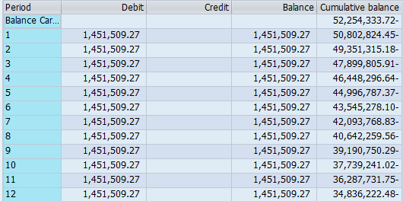

PacifiCorp |  |  |  |  | PAGE | 8.2.2
Washington 2023 General Rate Case
Regulatory Asset/Liabilities Amortization - Year 1
Accelerated Depreciation on Coal-Fired Plants
GL Account 288411 - Actuals for 12 Months Ended June 2022

 |  |  | Accumulated
Year | Month | Amortization | Balance
2021 | 6 | - | (43,545,278)
2021 | 7 | 1,451,509 | (42,093,769)
2021 | 8 | 1,451,509 | (40,642,260)
2021 | 9 | 1,451,509 | (39,190,750)
2021 | 10 | 1,451,509 | (37,739,241)
2021 | 11 | 1,451,509 | (36,287,732)
2021 | 12 | 1,451,509 | (34,836,222)
2022 | 1 | 1,451,509 | (33,384,713)
2022 | 2 | 1,451,509 | (31,933,204)
2022 | 3 | 1,451,509 | (30,481,695)
2022 | 4 | 1,451,509 | (29,030,185)
2022 | 5 | 1,451,509 | (27,578,676)
2022 | 6 | 1,451,509 | (26,127,167)
 |  | AMA Balance | (34,836,222) | Ref 8.2.1

GL Account Balance
Account Number 288411
Calendar Year 2021 |  |  |  | Calendar Year 2022

8.2.5
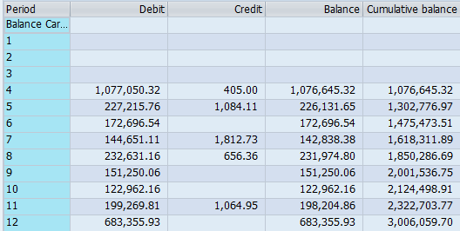
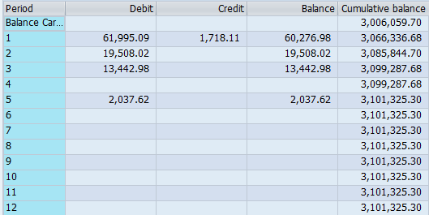
PacifiCorp |  |  |  |  | PAGE | 8.2.5
Washington 2023 General Rate Case
Regulatory Asset/Liabilities Amortization - Year 1
WA COVID-19 Bill Assistance Program
GL Account 187362 - Actuals for 12 Months Ended June 2022

 |  |  | Accumulated
Year | Month | Accrual | Balance
2021 | 6 | - | 1,475,474
2021 | 7 | 142,838 | 1,618,312
2021 | 8 | 231,975 | 1,850,287
2021 | 9 | 151,250 | 2,001,537
2021 | 10 | 122,962 | 2,124,499
2021 | 11 | 198,205 | 2,322,704
2021 | 12 | 683,356 | 3,006,060
2022 | 1 | 60,277 | 3,066,337
2022 | 2 | 19,508 | 3,085,845
2022 | 3 | 13,443 | 3,099,288
2022 | 4 | - | 3,099,288
2022 | 5 | 2,038 | 3,101,325
2022 | 6 | - | 3,101,325
 |  | AMA Balance | 2,555,323

GL Account Balance
Account Number 187362
Calendar Year 2021 |  |  |  | Calendar Year 2022

8.2.7
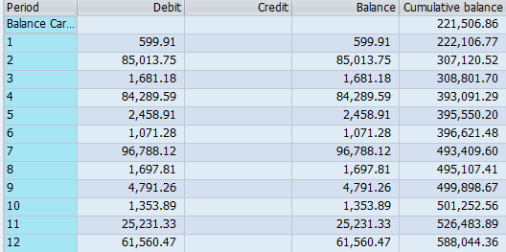
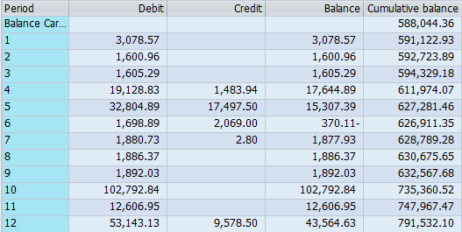
PacifiCorp |  |  |  |  | PAGE | 8.2.7
Washington 2023 General Rate Case
Regulatory Assets and Liabilities Amortization - Year 1
WA Electric Vehicle Supply Equipment Pilot Program
GL Account 187664 - Actuals for 12 Months Ended June 2022

 |  |  | Accumulated
Year | Month | Accrual | Balance
2021 | 6 | - | 396,621
2021 | 7 | 96,788 | 493,410
2021 | 8 | 1,698 | 495,107
2021 | 9 | 4,791 | 499,899
2021 | 10 | 1,354 | 501,253
2021 | 11 | 25,231 | 526,484
2021 | 12 | 61,560 | 588,044
2022 | 1 | 3,079 | 591,123
2022 | 2 | 1,601 | 592,724
2022 | 3 | 1,605 | 594,329
2022 | 4 | 17,645 | 611,974
2022 | 5 | 15,307 | 627,281
2022 | 6 | (370) | 626,911
 |  | AMA Balance | 552,783

GL Account Balance
Account Number 187664
Calendar Year 2021 |  |  |  | Calendar Year 2022

