141X repurposed
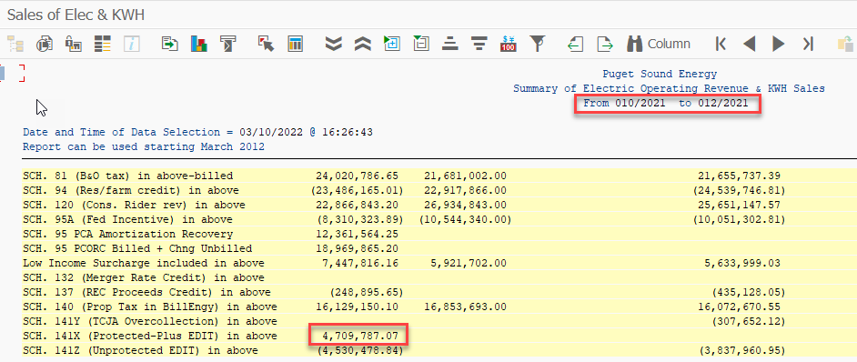
Order | Cost Element | Offsetting acct no. | Purchasing Document | Val.in rep.cur. | Cost element name | Name of offsetting account | Name
45600094 | 45600091 | 49500062 |  | (47,343) | Misc Other Electric | Gas - Misc Revenue | PLR EDIT Electric True-Up
45600094 | 45600091 | 64000290 |  | (2,037,347) | Misc Other Electric | Amortization Expense | Sch141X Billed-10/2021
45600094 | 45600091 | 18230621 |  | 2,849,286 | Misc Other Electric | Cons. Rider Amort. | Reversal Sch141X Unbilled-9/2021
45600094 | 45600091 | 18230621 |  | 993,222 | Misc Other Electric | Cons. Rider Amort. | Sch141X Unbilled-10/2021
45600094 | 45600091 | 18230621 |  | (993,222) | Misc Other Electric | Cons. Rider Amort. | Sch141X Unbilled-10/2021
45600094 | 45600091 | 18230621 |  | 1,117,190 | Misc Other Electric | Cons. Rider Amort. | Sch141X Billed-11/2021
45600094 | 45600091 | 18230621 |  | 1,032,938 | Misc Other Electric | Cons. Rider Amort. | Sch141X Unbilled-11/2021
45600094 | 45600091 | 18230621 |  | (1,032,938) | Misc Other Electric | Cons. Rider Amort. | Sch141X Unbilled-11/2021
45600094 | 45600091 | 65000010 |  | 1,543,030 | Misc Other Electric | Purchased Electricit | Sch141X Billed-12/2021
45600094 | 45600091 | 65000010 |  | 1,237,628 | Misc Other Electric | Purchased Electricit | Sch141X Unbilled-12/2021
45600094 |  |  |  | 4,662,444

45600094 |  |  |  | 4,709,787

Cleared/open items symbol | Assignment | Document Number | Business Area | Document Type | Document Date | Posting Key | Amount in local currency
 | 20211029 | 100193456 |  | SA | 2021-10-29 | 40 | 20,412,220
 | 20211031 | 9800002154 |  | Z1 | 2021-11-02 | 50 | (2,849,286)
 | 20211031 | 9800002154 |  | Z1 | 2021-11-02 | 40 | 2,037,347
 | 20211031 | 9800002155 |  | Z3 | 2021-11-02 | 50 | (993,222)
 | 20211031 | 9800002252 |  | Z4 | 2021-11-02 | 40 | 993,222
 | 20211130 | 9800002353 |  | Z1 | 2021-12-02 | 50 | (1,117,190)
 | 20211130 | 9800002354 |  | Z3 | 2021-12-02 | 50 | (1,032,938)
 | 20211130 | 9800002454 |  | Z4 | 2021-12-02 | 40 | 1,032,938
 | 20211231 | 9800002578 |  | Z1 | 2022-01-04 | 50 | (1,543,030)
 | 20211231 | 9800002581 |  | Z3 | 2022-01-04 | 50 | (1,237,628)
@01\QPosted@ |  |  |  |  |  |  | 15,702,432
Account 18230491 |  |  |  |  |  |  | 15,702,432
 |  |  |  |  |  |  | 15,702,432

Account 18230491 |  |  |  |  |  | OCT - DEC | (4,709,787)

OOR 456
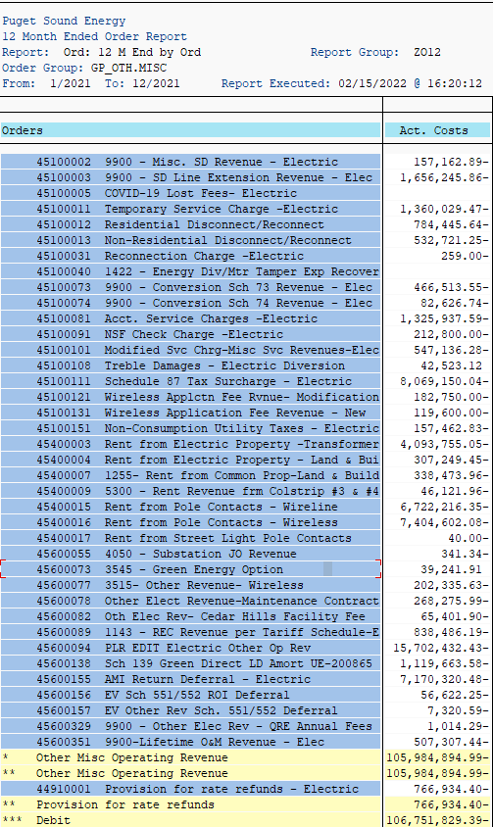
Orders | Act. Costs
40730171 1143 - PTC Deferral Post June 2010 | (45,562,138)
45000001 COVID-19 Lost Late Fees- Electric | -
45000011 Late Pay Fees -Electric | 2,300
45100002 9900 - Misc. SD Revenue - Electric | (157,163)
45100003 9900 - SD Line Extension Revenue - Elec | (1,656,246)
45100005 COVID-19 Lost Fees- Electric | -
45100011 Temporary Service Charge -Electric | (1,360,029)
45100012 Residential Disconnect/Reconnect | (784,446)
45100013 Non-Residential Disconnect/Reconnect | (532,721)
45100031 Reconnection Charge -Electric | (259)
45100040 1422 - Energy Div/Mtr Tamper Exp Recover | -
45100073 9900 - Conversion Sch 73 Revenue - Elec | (466,514)
45100074 9900 - Conversion Sch 74 Revenue - Elec | (82,627)
45100081 Acct. Service Charges -Electric | (1,325,938)
45100091 NSF Check Charge -Electric | (212,800)
45100101 Modified Svc Chrg-Misc Svc Revenues-Elec | (547,136)
45100108 Treble Damages - Electric Diversion | 42,523
45100111 Schedule 87 Tax Surcharge - Electric | (8,069,150)
45100121 Wireless Applctn Fee Rvnue- Modification | (182,750)
45100131 Wireless Application Fee Revenue - New | (119,600)
45100151 Non-Consumption Utility Taxes - Electric | (157,463)
45400003 Rent from Electric Property -Transformer | (4,093,755)
45400004 Rent from Electric Property - Land & Bui | (307,249)
45400007 1255- Rent from Common Prop-Land & Build | (338,474)
45400009 5300 - Rent Revenue frm Colstrip #3 & #4 | (46,122)
45400015 Rent from Pole Contacts - Wireline | (6,722,216)
45400016 Rent from Pole Contacts - Wireless | (7,404,602)
45400017 Rent from Street Light Pole Contacts | (40)
45600055 4050 - Substation JO Revenue | (341)
45600073 3545 - Green Energy Option | 39,242
45600077 3515- Other Revenue- Wireless | (202,336)
45600078 Other Elect Revenue-Maintenance Contract | (268,276)
45600082 Oth Elec Rev- Cedar Hills Facility Fee | (65,402)
45600089 1143 - REC Revenue per Tariff Schedule-E | (838,486)
45600094 PLR EDIT Electric Other Op Rev | (15,702,432)
45600138 Sch 139 Green Direct LD Amort UE-200865 | (1,119,664)
45600155 AMI Return Deferral - Electric | (7,170,320)
45600156 EV Sch 551/552 ROI Deferral | (56,622)
45600157 EV Other Rev Sch. 551/552 Deferral | (7,321)
45600329 9900 - Other Elec Rev - QRE Annual Fees | (1,014)
45600351 9900-Lifetime O&M Revenue - Elec | (507,307)
* Other Misc Operating Revenue | (105,984,895)
** Other Misc Operating Revenue | (105,984,895)
44910001 Provision for rate refunds - Electric | (766,934)
** Provision for rate refunds | (766,934)
*** Debit | (106,751,829)
**** Total | (106,751,829)

Schedule 140
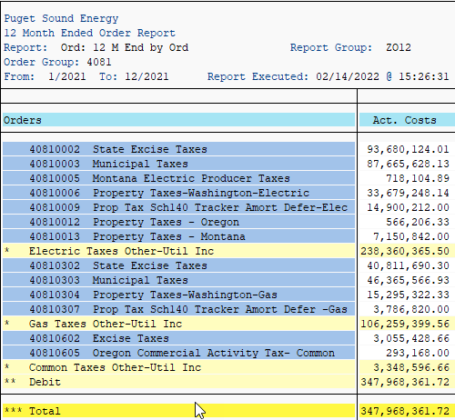
40810006 Property Taxes-Washington-Electric | 33,679,248
40810009 Prop Tax Sch140 Tracker Amort Defer-Elec | 14,900,212
40810012 Property Taxes - Oregon | 566,206
40810013 Property Taxes - Montana | 7,150,842
 | 56,296,508

Schedule 129
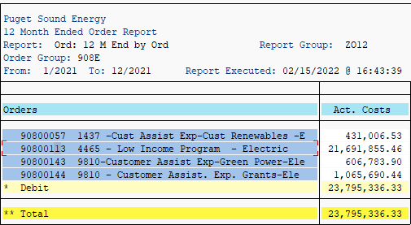
90800113 4465 - Low Income Program - Electric | 21,691,855

4074
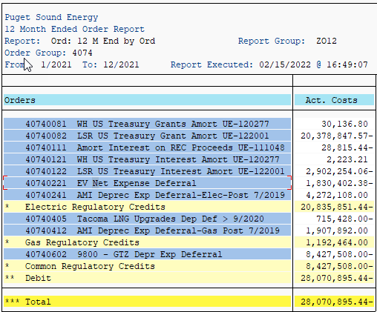
40740111 Amort Interest on REC Proceeds UE-111048 | (28,815)

40740231 9800–MSFT Transition Fee Amort UE-161123

555R
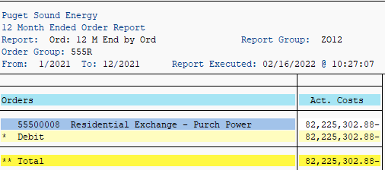
55500008 Residential Exchange - Purch Power | -82,225,303

GPDECOUP_E.1
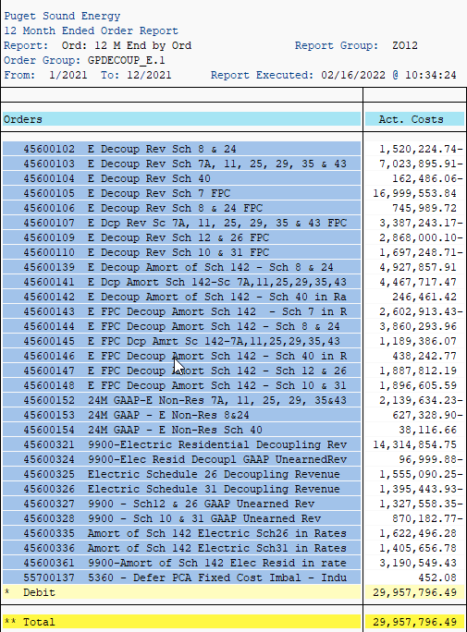
Orders | 2021 | Amort
45600102 E Decoup Rev Sch 8 & 24 | -1,520,224.74
45600103 E Decoup Rev Sch 7A, 11, 25, 29, 35 & 43 | -7,023,895.91
45600104 E Decoup Rev Sch 40 | -162,486.06
45600105 E Decoup Rev Sch 7 FPC | 16,999,553.84
45600106 E Decoup Rev Sch 8 & 24 FPC | 745,989.72
45600107 E Dcp Rev Sc 7A, 11, 25, 29, 35 & 43 FPC | -3,387,243.17

45600109 E Decoup Rev Sch 12 & 26 FPC | -2,868,000.10
45600110 E Decoup Rev Sch 10 & 31 FPC | -1,697,248.71
45600139 E Decoup Amort of Sch 142 - Sch 8 & 24 | 4,927,857.91 | 4,927,858
45600141 E Dcp Amort Sch 142-Sc 7A,11,25,29,35,43 | 4,467,717.47 | 4,467,717
45600142 E Decoup Amort of Sch 142 - Sch 40 in Ra | 246,461.42 | 246,461
45600143 E FPC Decoup Amort Sch 142 - Sch 7 in R | -2,602,913.43 | (2,602,913)
45600144 E FPC Decoup Amort Sch 142 - Sch 8 & 24 | 3,860,293.96 | 3,860,294
45600145 E FPC Dcp Amrt Sc 142-7A,11,25,29,35,43 | 1,189,386.07 | 1,189,386
45600146 E FPC Decoup Amort Sch 142 - Sch 40 in R | 438,242.77 | 438,243
45600147 E FPC Decoup Amort Sch 142 - Sch 12 & 26 | 1,887,812.19 | 1,887,812
45600148 E FPC Decoup Amort Sch 142 - Sch 10 & 31 | 1,896,605.59 | 1,896,606

45600152 24M GAAP-E Non-Res 7A, 11, 25, 29, 35&43 | -2,139,634.23
45600153 24M GAAP - E Non-Res 8&24 | -627,328.90
45600154 24M GAAP - E Non-Res Sch 40 | 38,116.66
45600321 9900-Electric Residential Decoupling Rev | 14,314,854.75
45600324 9900-Elec Resid Decoupl GAAP UnearnedRev | -96,999.88
45600325 Electric Schedule 26 Decoupling Revenue | -1,555,090.25
45600326 Electric Schedule 31 Decoupling Revenue | -1,395,443.93
45600327 9900 - Sch12 & 26 GAAP Unearned Rev | -1,327,558.35
45600328 9900 - Sch 10 & 31 GAAP Unearned Rev | -870,182.77
45600335 Amort of Sch 142 Electric Sch26 in Rates | 1,622,496.28 | 1,622,496
45600336 Amort of Sch 142 Electric Sch31 in Rates | 1,405,656.78 | 1,405,657
45600361 9900-Amort of Sch 142 Elec Resid in rate | 3,190,549.43 | 3,190,549
55700137 5360 - Defer PCA Fixed Cost Imbal - Indu | 452.08
 | 29,957,796.49 | 22,530,166

557
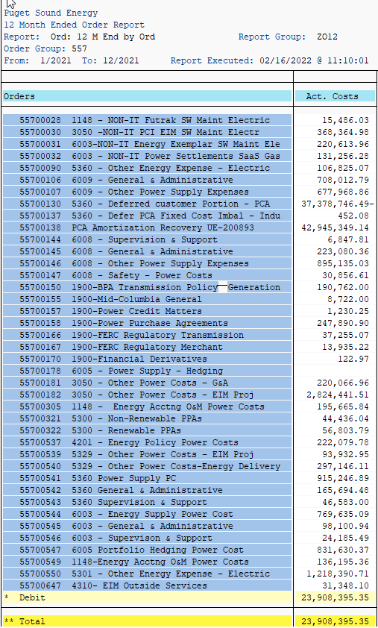
 | 2021
Orders | Act. Costs
55700002 5360 - Power Supply - Organizations - E | 57,393
55700003 5360 - Pwr Supply - Brokerage Fee - E | 506,568
55700006 9810 - Green Power Renewable Credits | 4,926,156
55700007 5301 NON-IT Openlink/Endur Maint Electri | 100,249
55700008 5301 - NON-IT Lacima Maint Electric | 60,309
55700009 5301 - NON-IT Zema Maint Electric | 8,700
55700011 5301 - NON-IT OATI Maint Electric | 319,643
55700012 1256 - NON-IT Misc Electric | 278,334
55700016 5329 - Training - Power Costs | 84
55700017 5360 - Safety - Power Costs | 1,497
55700018 5360 - Training - Power Costs | 39
55700019 6003 - Safety - Power Costs | 4,120
55700020 6003 - Training - Power Costs | 2,206
55700021 6005 - Safety - Power Costs | 93
55700028 1148 - NON-IT Futrak SW Maint Electric | 15,486
55700030 3050 -NON-IT PCI EIM SW Maint Electr | 368,365
55700031 6003-NON-IT Energy Exemplar SW Maint Ele | 220,614
55700032 6003 - NON-IT Power Settlements SaaS Gas | 131,256
55700090 5360 - Other Energy Expense - Electric | 106,825
55700106 6009 - General & Administrative | 708,013
55700107 6009 - Other Power Supply Expenses | 677,969
55700130 5360 - Deferred customer Portion - PCA | (37,378,746)
55700137 5360 - Defer PCA Fixed Cost Imbal - Indu | 452
55700138 PCA Amortization Recovery UE-200893 | 42,945,349
55700144 6008 - Supervision & Support | 6,848
55700145 6008 - General & Administrative | 223,080
55700146 6008 - Other Power Supply Expenses | 895,135
55700147 6008 - Safety - Power Costs | 30,857
55700150 1900-BPA Transmission Policy--Generation | 190,762
55700155 1900-Mid-Columbia General | 8,722
55700157 1900-Power Credit Matters | 1,230
55700158 1900-Power Purchase Agreements | 247,891
55700166 1900-FERC Regulatory Transmission | 37,255
55700167 1900-FERC Regulatory Merchant | 13,935
55700170 1900-Financial Derivatives | 123
55700178 6005 - Power Supply - Hedging | -
55700181 3050 - Other Power Costs – G&A | 220,067
55700182 3050 - Other Power Costs - EIM Proj | 2,824,442
55700305 1148 - Energy Acctng O&M Power Costs | 195,666
55700321 5300 - Non-Renewable PPAs | 44,436
55700322 5300 - Renewable PPAs | 56,804
55700537 4201 - Energy Policy Power Costs | 222,080
55700539 5329 - Other Power Costs - EIM Proj | 93,933
55700540 5329 - Other Power Costs-Energy Delivery | 297,146
55700541 5360 Power Supply PC | 915,247
55700542 5360 General & Administrative | 165,694
55700543 5360 Supervision & Support | 46,583
55700544 6003 - Energy Supply Power Cost | 769,635
55700545 6003 - General & Administrative | 98,101
55700546 6003 - Supervison & Support | 24,185
55700547 6005 Portfolio Hedging Power Cost | 831,630
55700549 1148-Energy Acctng O&M Power Costs | 136,195
55700550 5301 - Other Energy Expense - Electric | 1,218,391
55700647 4310- EIM Outside Services | 31,348
* Debit | 23,908,395
** Total | 23,908,395

Schedule 120
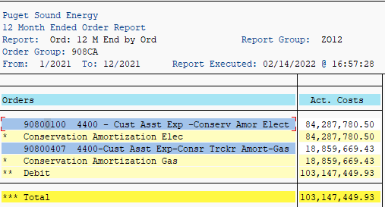
90800100 4400 - Cust Asst Exp -Conserv Amor Elect | 84,287,780.50

