TY
Puget Sound Energy
12ME Dec 31, 2020
Rate Case Costs

 |  | Elec | Gas
Orders | Act. Costs | 66.25% | 33.75%

92800107 1310 - Regulatory Exp State - 2013 PCORC | - | - | -
92800108 1310 - Regulatory Exp State - 2014 PCORC | - | - | -
92800621 1900 - Regulatory Exp State - 2021 PCORC | 258,667 | 258,667 | -
Total PCORC for Test Year | 258,667 | 258,667 | -

92800828 1900 - 2016 General Rate Case - Common | - | - | -
92800610 1900 - 2016 General Rate Case - Common | - | - | -
92800613 1900– 2019 General Rate Case - Common | 1,384,357 | 917,137 | 467,221
GRC Costs | 1,384,357 | 917,137 | 467,221

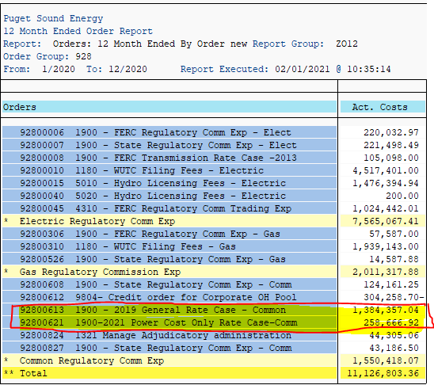
ZO12 Orders: Actual 12 Month Ended
Run Date: 02/1/2021

Run Order Group 928 by order to check for new rate case orders.

Orders | Act. Costs
92800613 1900– 2019 General Rate Case - Common | 1,384,357
92800621 1900– 2021 Power Cost Only Rate Case - Common | 258,667
* Common Regulatory Comm Exp | 1,643,024

Summary GRCs
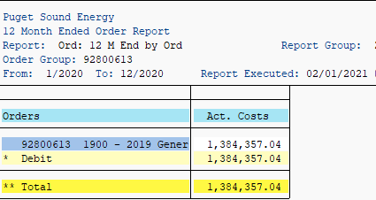
SUMMARY GRC: Cumulative Expenditures through 12/31/2020

 | Total | 2015 | 2016 | 2017 | 2018 | 2019 | 2020
2017 GRC
order 92800825 GRC Rev Req | 5,299 | - | - | 5,299 | - | - | -
order 92800826 GRC | 74,033 | - | - | 91,960 | (17,998) | 71 | -
order 92800828 GRC (Common) | 33,341 | - | - | 33,341 | - | - | -
order 92800610 GRC (Common) | 2,139,083 | 118,074 | 275,412 | 1,745,432 | 165.00 | - | -
Total 2017 GRC Cost | 2,251,755 | 118,074 | 275,412 | 1,876,032 | (17,833) | 71 | -

2019 GRC | Total | 2015 | 2016 | 2017 | 2018 | 2019 | 2020
order 92800613 GRC (Common) | 3,120,013 | - | - | - |  | 1,735,656 | 1,384,357
 | 3,120,013 | - | - | - | - | 1,735,656 | 1,384,357

Total GRC direct charges | 5,371,769

