Table 1
Puget Sound Energy
Determination of Proposed Non-449 Conservation Customer Charge
Revenue Requirement
Effective May 2018

Line No. |  | Description | Total Amount | 449 Accounts | Non-449
 |  |  | a | b | c = a + b

 |  | Amounts to be Recovered
Source:
2018 Revenue
Requirement Workpapers
1 |  | 2018 Conservation Budget (12 Months) (Note 1) | $99,562,724 | $(7,398,340) | $92,164,383

2 |  | True up of 2017/2018 - (Note 2) | (43,856) | (Note 2) | (43,856)

3 | = 1 + 2 | Total Costs to be Recovered (Note 1) | $99,518,867 | $(7,398,340) | $92,120,527

 |  | UPDATE ALL NUMBERS

 |  | Revenue Requirement

4 |  | Conversion Factor (2017 GRC) | 0.952386 | 0.952386 | 0.952386

5 | = 1 / 4 | 2018 Conservation Costs Related Revenue Requirement | $104,540,306 | $(7,768,216) | $96,772,089

6 | = 2 / 4 | True up of 2017/2018 Related Revenue Requirement | (46,049) | (Note 2) | (46,049)

7 | = 5 + 6 | Total Revenue Requirement (Note 1) | $104,494,257 | $(7,768,216) | $96,726,041

 | (Note 1) The amount reflected in column b is based on expected expenditures for Sch 449 customers for the 2018 budget year as included in "E258 Large Power User - Self Directed Program" of the 2018 ACP Electric Sector view tab filed in UTC Docket No. UE-171087 and may not necessarily reflect the revenue requirement to be set in rates for Sch 449 customers. The amount to collect from these customers will be determined in the Cost of Service workpapers.

 | (Note 2) The true up for collections through April 2018 does not relate to Schedule 449 customers participating in conservation programs under Schedule 258.

Proforma - Proposed vs. no 120
 | 2018 TOTAL CONSERVATION REVENUE SERVICE RIDER AS % OF REVENUE
 | Rate Effects on Revenue without Schedule 120 vs. Revenue with Proposed Schedule 120
 |  |  |  |  |  |  |  |  | Revenue Class Allocations
Line No. | CUSTOMER CLASS | SCHEDULE | F2017 Delivered kWh 05/18 to 04/19 | Projected Revenue 05/18 to 04/19 (Note 1) | Proposed Schedule 120 Rider $ per kWh Eff 5-1-18 | REVENUE (Including 5-1-18 Sch 120 revenue) | Additional Revenue $ | Additional Revenue % | Rounding Difference | Total Class Allocation | 2018 Class Allocation | 2017 Under / (Over) Allocation
 |  |  | a | b | c | d = b + (a * c) | e = d - b | f = e / b | g = h - e | h = i + j | i | j
1
2 | Residential | 7 | 10,637,302,000 | $1,111,192,000 | $0.004860 | $1,162,889,288 | $51,697,288 | 4.652% | $(1,124) | $51,696,163 | $51,721,354 | $(25,191)
3
4 | Sec Gen Svc - Small | 8/24 | 3,012,037,000 | $307,540,000 | $0.004208 | $320,214,652 | $12,674,652 | 4.121% | $(359) | $12,674,292 | $12,679,975 | $(5,683)
5 | Sec Gen Svc - Medium | 7A/11/25 | 2,993,580,000 | $282,440,000 | $0.004257 | $295,183,670 | $12,743,670 | 4.512% | $1,223 | $12,744,893 | $12,750,686 | $(5,793)
6 | Sec Gen Svc - Large | 12/26 | 1,913,788,000 | $162,635,000 | $0.004325 | $170,912,133 | $8,277,133 | 5.089% | $(956) | $8,276,177 | $8,280,056 | $(3,879)
7 | Sec Irrigation Svc | 29 | 16,193,000 | $1,236,000 | $0.003196 | $1,287,753 | $51,753 | 4.187% | $(4) | $51,749 | $51,778 | $(29)
8
9 | Secondary Service Total |  | 7,935,598,000 | $753,851,000 | $0.004253 | $787,598,208 | $33,747,208 | 4.477%
10
11 | Pri Gen Svc | 10/31 | 1,316,672,000 | $110,312,000 | $0.004152 | $115,778,822 | $5,466,822 | 4.956% | $431 | $5,467,253 | $5,469,748 | $(2,495)
12 | Pri Irrigation Svc | 35 | 5,161,000 | $280,000 | $0.002901 | $294,972 | $14,972 | 5.347% | $(3) | $14,969 | $14,976 | $(7)
13 | Pri Interruptible Svc | 43 | 123,190,000 | $11,679,000 | $0.003299 | $12,085,404 | $406,404 | 3.480% | $70 | $406,474 | $406,683 | $(209)
14
15 | Primary Service Total |  | 1,445,023,000 | $122,271,000 | $0.004075 | $128,159,198 | $5,888,198 | 4.816%
16
17 | Campus Rate Total | 40 | 679,072,000 | $52,535,000 | $0.003790 | $55,108,683 | $2,573,683 | 4.899% | $(21) | $2,573,662 | $2,575,049 | $(1,387)
18
19 | HV Interruptible Svc | 46 | 72,776,000 | $5,157,000 | $0.002616 | $5,347,382 | $190,382 | 3.692% | $37 | $190,419 | $190,490 | $(71)
20 | HV Gen Svc | 49 | 584,007,000 | $40,025,000 | $0.003904 | $42,304,963 | $2,279,963 | 5.696% | $333 | $2,280,297 | $2,281,418 | $(1,121)
21
22 | High Voltage Service Total |  | 656,783,000 | $45,182,000 | $0.003761 | 47,652,345 | $2,470,345 | 5.468%
23
24 | Transportation | 449 / 459 | 2,088,697,000 | $9,141,000 | $0.001047 | $11,327,866 | $2,186,866 | 23.924% | $- | $2,186,866 | $2,186,866 | $-
25
26 | Lights | 50-59 | 76,506,000 | $19,539,000 | $0.004571 | $19,888,709 | $349,709 | 1.790% | $(17) | $349,692 | $349,877 | $(185)
27
28 | Total |  | 23,518,981,000 | $2,113,711,000 | $0.004206 | $2,212,624,296 | $98,913,296 | 4.680% | $(390) | $98,912,906 | $98,958,955 | $(46,049)

 | Note 1 - Projected Revenue Includes Base Revenue plus Rider Schedules 95, 95A, 129, 132, 137, 140, 141, 142 & 194

Difference due to rounding to six decimals in Schedule 120 rate
 | Check Revenue from Table 1 |  |  |  |  |  | $96,726,041
 | Add: Sch 258 Collections (Sch 449 & 459) |  |  |  |  |  | $2,186,866
 |  |  |  |  |  |  | $98,912,906
 | Check to Total |  |  |  |  |  | $(390)

UE-170033 LR Data Summary
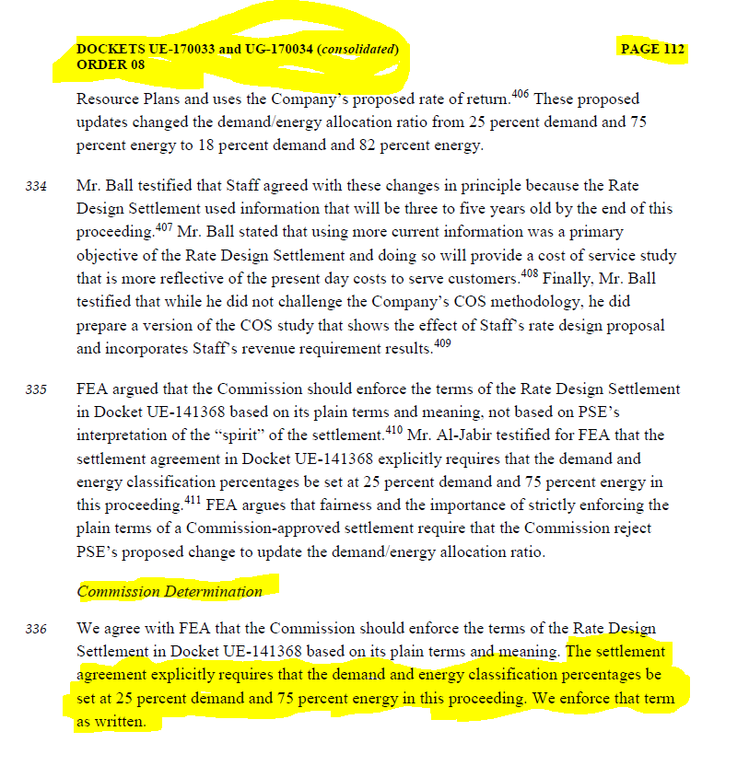
Puget Sound Energy
Load Research Allocation Factors
Twelve Months ended September 30, 2016
2017 GRC

 |  | Electric Cost of Service Allocation Factors |  |  |  |  |  |  |  | Load Research Data
 |  | ENERGY_1 | ENERGY_2 | DEM_1 | DEM_1A | DEM_1B | DEM_2A | DEM_2B | DEM_12NCP1 | Adjusted for Sch 40 Settlement
Line No. | Tariff | Energy - All Rate Schedules | Energy - Exclude Transportation | Top 75 CP Demand | Top 75 CP Demand - Excl Interrupt | Top 75 CP Demand - Excl Tranp & Spec & Interrupt | 4 CP Demand - Exclude Interruptible | 4 CP Demand - Exclude Interruptible & Transportation | Top 12 NCP Demand - Exclude HV & Transportation | Energy | 4 CP Demand
1 | 7 | 11,362,694,035 | 11,362,694,035 |  |  |  | 2,401,761 | 2,401,761 |  | 11,362,694,035 | 2,401,761
2 | 24 | 2,983,833,723 | 2,983,833,723 |  |  |  | 483,797 | 483,797 |  | 2,983,833,723 | 483,797
3 | 25 & 29 | 3,080,584,885 | 3,080,584,885 |  |  |  | 452,473 | 452,473 |  | 3,080,584,885 | 452,473
4 | 26 | 2,051,022,390 | 2,051,022,390 |  |  |  | 261,563 | 261,563 |  | 2,051,022,390 | 261,563
5 | 31 | 1,342,870,567 | 1,342,870,567 |  |  |  | 179,157 | 179,157 |  | 1,342,870,567 | 179,157
6 | 35 | 4,594,563 | 4,594,563 |  |  |  | 4 | 4 |  | 4,594,563 | 4
7 | 43 | 124,979,541 | 124,979,541 |  |  |  | - | - |  | 124,979,541 | 40,576
8 | 40 | 639,599,439 | 639,599,439 |  |  |  | 80,421 | 80,421 |  | 639,599,439 | 80,421
9 | HV | 632,887,814 | 632,887,814 |  |  |  | 67,180 | 67,180 |  | 632,887,814 | 72,696
10 | Lighting | 81,534,389 | 81,534,389 |  |  |  | 13,772 | 13,772 |  | 81,534,389 | 13,772
11 | Transp PV | 107,396,590 | - |  |  |  | 12,414 | - |  | 107,396,590 | 12,414
12 | Transp HV | 2,033,050,978 | - |  |  |  | 230,846 | - |  | 2,033,050,978 | 230,846
14 | Firm Resale | 7,227,694 | 7,227,694 |  |  |  | 1,530 | 1,530 |  | 7,227,694 | 1,530
15
16 | Total | 24,452,276,609 | 22,311,829,040 |  |  |  | 4,184,919 | 3,941,658 |  | 24,452,276,609 | 4,231,011
17 | Check | 24,452,276,609 | 22,311,829,040 |  |  |  | 4,184,919 | 3,941,658 |  | 24,452,276,609 | 4,231,011
18 | Check | - | - |  |  |  | - | - |  | - | -

 | Subtotal no FR |  | 22,304,601,346 |  |  |  |  | 3,940,127
 | Check |  | 22,304,601,346 |  |  |  |  | 3,940,127
 | Check |  | - |  |  |  |  | -

UE-170033 LR Data -Energy
TEMPERATURE ADJUSTED ANNUAL ENERGY ALLOCATIONS BY BILLING SCHEDULE
12 MONTHS ENDED SEPTEMBER 31, 2016

NET GPI | 22,007,938,139 |  |  |  |  |  | BILLED KWH (Cal View) | 20,365,314,277
TEMP ADJ | 303,890,901 | (=B8) |  |  |  |  | TEMP ADJUSTED | 281,706,864
TEMP ADJ GPI | 22,311,829,040 |  |  |  |  |  | TEMP ADJ BILLED KWH | 20,647,021,141

 |  |  |  |  |  |  |  |  | Adjusted for Sch 40 Settlement |  | Original | Schedule 40 Settlement Adjustment
(1b) | (2b) | (3b) | (4b) | (5b) | (6b) | (7b) | (8b) | (9b) | (10b) |  | (10b)
 |  |  |  |  |  |  |  | Annual kWh | Temperature |  | Temperature
 | Annual | Temp Adj | Temp Adj | Percent | Annual kWh | Billed kWh | Temp Adj | (incl. losses | Adjusted |  | Adjusted
Class | actual kWh | Annual | kWh | Annual kWh | Losses | Difference | GPI kWh | & misc. usage) | Annual kWh |  | Annual kWh
 |  | kWh | Difference | Losses | on temp adj | Incl Losses | Difference | Allocation | Allocation |  | Allocation
 |  |  | (not incl. Losses)
 | (calendar view) |  |  | 11a | 7b-4b | 4b/(1-5b) | (7b/sum(7b) *B8 | 10a | 8b+9b |  | 8b+9b | New Cust 1 | New Cust 2 | Cust 8
============ | ============ | ============ | ============ | ============ | ============ | ============ | ============ | =============== | =================== |  | ===================
07 | 10,208,761,476 | 10,451,731,125 | 242,969,649 | 7.95% | 20,975,089 | 263,944,738 | 262,357,552 | 11,100,336,483 | 11,362,694,035 |  | 11,362,694,035
24 | 2,724,380,971 | 2,746,929,439 | 22,548,468 | 7.85% | 1,920,382 | 24,468,850 | 24,321,711 | 2,959,386,905 | 2,983,833,723 |  | 2,983,708,616 | 125,107
25 | 2,796,469,414 | 2,807,716,478 | 11,247,064 | 7.79% | 949,548 | 12,196,612 | 12,123,269 | 3,044,665,453 | 3,065,348,902 |  | 3,056,788,722 | 3,685,260 | 4,874,920
26 | 1,844,086,006 | 1,843,854,018 | -231,988 | 7.73% | -19,439 | -251,427 | -249,915 | 2,026,899,464 | 2,051,022,390 |  | 2,026,649,550 | 24,372,840
29 | 14,242,753 | 14,084,007 | -158,747 | 7.47% | -12,812 | -171,559 | -170,527 | 15,406,511 | 15,235,983 |  | 15,235,983
31 | 1,252,024,548 | 1,252,981,780 | 957,233 | 3.70% | 36,802 | 994,035 | 988,058 | 1,322,015,309 | 1,342,870,567 |  | 1,323,003,367 |  | 26,500,800 | (6,633,600)
35 | 4,429,100 | 4,429,100 | 0 | 3.51% | 0 | 0 | 0 | 4,594,563 | 4,594,563 |  | 4,594,563
40 | 718,932,165 | 719,325,537 | 393,372 | 3.70% | 15,103 | 408,475 | 406,019 | 692,118,747 | 639,599,439 |  | 692,524,766 | (28,183,207) | (31,375,720) | 6,633,600
43 | 116,295,695 | 120,131,815 | 3,836,120 | 3.81% | 151,990 | 3,988,110 | 3,964,128 | 121,015,413 | 124,979,541 |  | 124,979,541
46 | 40,290,453 | 40,290,453 | 0 | 1.76% | 0 | 0 | 0 | 58,540,366 | 58,540,366 |  | 58,540,366
49 | 563,748,980 | 563,748,980 | 0 | 1.75% | 0 | 0 | 0 | 574,347,448 | 574,347,448 |  | 574,347,448
Small Resale (05) | 6,798,761 | 6,944,454 | 145,693 | 3.84% | 5,824 | 151,517 | 150,606 | 7,077,087 | 7,227,694 |  | 7,227,694
50-54,57-58 | 74,853,955 | 74,853,955 | 0 | 8.11% | 0 | 0 | 0 | 81,534,389 | 81,534,389 |  | 81,534,389
============ | ============ | ============ | ============ | ============ | ============ | ============ | ============ | =============== | =================== |  | ===================
Total | 20,365,314,277 | 20,647,021,141 | 281,706,864 |  | 24,022,488 | 305,729,352 | 303,890,901 | 22,007,938,139 | 22,311,829,040 |  | 22,311,829,040 | 0 | 0 | 0

Transportation Schedules:
459 | 277,864,630 | 277,864,630 | 0 | 1.67% | 0 | 0 | 0 | 282,585,117 | 282,585,117
449 HV | 1,720,611,952 | 1,720,611,952 | 0 | 1.71% | 0 | 0 | 0 | 1,750,465,861 | 1,750,465,861
449 PV | 103,596,480 | 103,596,480 | 0 | 3.54% | 0 | 0 | 0 | 107,396,590 | 107,396,590
============ | ============ | ============ | ============ | ============ | ============ | ============ | ============ | ============ | ============
Total Transp. | 2,102,073,062 | 2,102,073,062 | 0 |  | 0 | 0 | 0 | 2,140,447,569 | 2,140,447,569

Note: Annual actual kWh includes the impacts of rate migrations anticipated during the rate year on Schedules 24, 25, 26, 31 & 40 energy sales. The actual kWh sales
also include the billing error corrections made on schedule 46 billed sales in 2016.

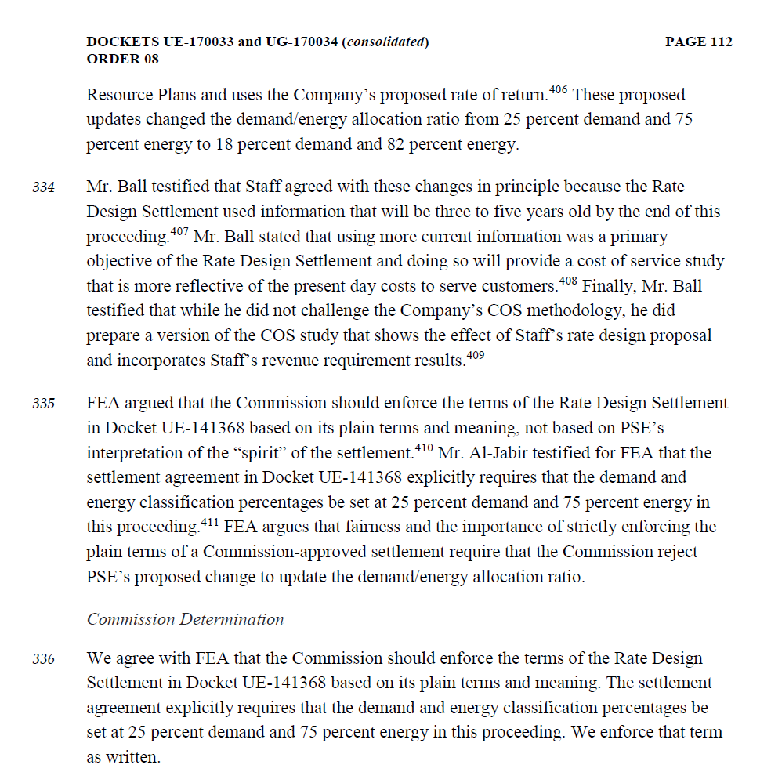

ANNUAL ENERGY LOSS ALLOCATIONS BY BILLING SCHEDULE
12 MONTHS ENDED SEPTEMBER 30, 2016

 |  |  |  |  |  |  | Delivery |  | % of Total | % of Annual
NET GPI | 22,007,938,139 |  |  |  |  |  | Voltage Level |  | Billed kWh | Energy Losses
KWH LOSSES | 1,606,579,484 |  |  |  |  |  | High Voltage (Sch 46,49) |  | 3.05% | 0.69%
MISC USAGE | 18,880,489 |  |  |  |  |  | Primary (Sch 05,31,35,40,43) |  | 10.13% | 4.95%
KWH BILLED | 20,382,478,166 |  |  |  |  |  | Secondary (7,24,25,26,29,Lighting) |  | 86.82% | 94.36%
 |  |  |  |  |  |  | Total (not incl. transportation) |  | 100.00% | 100.00%

(1a) | (2a) | (3a) | (4a) | (5a) | (6a) | (7a) | (8a) | (9a) | (10a) | (11a)
 |  |  |  |  | Ave Monthly | Ave Monthly | Ave Monthly |  | Annual kWh | Percent
 | Annual | Misc. Use | Ave Monthly | Average | Coincident | Coincident | Coincident | Annual Loss | (incl. losses | Annual kWh
Class | Actual kWh | Allocation | Coincident kW | kW | Load Factor | kW Losses | kWh Losses | Allocation | & misc. usage) | Losses
 |  |  |  |  |  |  |  |  | Allocation
 |  | (2a/sum(2a) | (SAS Output) | ((2+3)/8784) | (5/4) | (SAS Output) | (6*7*8760) | 8/sum(8) | (2+3+9) | (9/(2+3))
 |  | *misc use) |  |  |  |  |  | *total kWh losses
============ | ============ | ============ | ============ | ============ | ============ | ============ | ============ | ================= | ============ | ============
07 | 10,208,761,476 | 9,456,476 | 1,596,531 | 1,163,276 | 0.72863 | 241,622 | 1,542,220,021 | 882,118,531 | 11,100,336,483 | 7.95%
24 | 2,724,602,308 | 2,523,826 | 374,205 | 310,465 | 0.82967 | 55,871 | 406,064,717 | 232,260,771 | 2,959,386,905 | 7.85%
25 | 2,805,029,594 | 2,598,326 | 390,999 | 319,630 | 0.81747 | 57,871 | 414,415,995 | 237,037,533 | 3,044,665,453 | 7.79%
26 | 1,868,458,846 | 1,730,772 | 245,143 | 212,909 | 0.86851 | 36,011 | 273,977,992 | 156,709,847 | 2,026,899,464 | 7.73%
29 | 14,242,753 | 13,193 | 1,723 | 1,623 | 0.94207 | 244 | 2,011,547 | 1,150,564 | 15,406,511 | 7.47%
31 | 1,271,891,748 | 1,178,166 | 163,580 | 144,931 | 0.88599 | 11,026 | 85,571,912 | 48,945,396 | 1,322,015,309 | 3.70%
35 | 4,429,100 | 4,103 | 529 | 505 | 0.95420 | 34 | 282,108 | 161,360 | 4,594,563 | 3.51%
40 | 665,910,608 | 616,840 | 87,076 | 75,880 | 0.87142 | 5,861 | 44,741,623 | 25,591,300 | 692,118,747 | 3.70%
43 | 116,295,695 | 107,726 | 23,843 | 13,252 | 0.55580 | 1,656 | 8,063,209 | 4,611,992 | 121,015,413 | 3.81%
46 | 57,454,342 | 53,221 | 6,546 | 6,547 | 1.00021 | 206 | 1,805,663 | 1,032,803 | 58,540,366 | 1.76%
49 | 563,748,980 | 522,206 | 68,870 | 64,239 | 0.93275 | 2,156 | 17,616,469 | 10,076,262 | 574,347,448 | 1.75%
Small Resale (05) | 6,798,761 | 6,298 | 838 | 775 | 0.92411 | 59 | 475,592 | 272,029 | 7,077,087 | 3.84%
50-54,57-59 | 74,853,955 | 69,338 | 6,786 | 8,530 | 1.25701 | 1,050 | 11,558,270 | 6,611,096 | 81,534,389 | 8.11%
============ | ============ | ============ | ============ | ============ | ============ | ============ | ============ | ================= | ============ | ============
Total | 20,382,478,166 | 18,880,489 | 2,966,667 | 2,322,559 | 0.78288 | 413,666 | 2,808,805,120 | 1,606,579,484 | 22,007,938,139 | 7.30%

Transportation Schedules:
459 | 277,864,630 | 0 | 33,350 | 31,633 | 0.94853 | 568 | 4,720,487 | 4,720,487 | 282,585,117 | 1.67%
449 HV | 1,720,611,952 | 0 | 202,198 | 195,880 | 0.96876 | 3,518 | 29,853,909 | 29,853,909 | 1,750,465,861 | 1.71%
449 PV | 103,596,480 | 0 | 12,327 | 11,794 | 0.95671 | 453 | 3,800,111 | 3,800,111 | 107,396,590 | 3.54%
============ | ============ | ============ | ============ | ============ | ============ | ============ | ============ | ================= | ============ | ============
Total Transp. | 2,102,073,062 | 0 | 247,875 | 239,307 | 0.96543 | 4,539 | 38,374,507 | 38,374,507 | 2,140,447,569 | 1.83%

Column K (11a) is used as an input for LINECST2 and SUBCSTA4 allocation programs.
Data in 4a and 7a are calculated in Losses.sas program -- for system schedules (non-transportation)
Data in 4a and 7a are calculated in 'Avg CP kW and Losses OFFSYS' sheet for off-system schedules (transportation)

Secondary Volt. | 17,695,948,932 | 16,391,931 | 2,615,386 | 2,016,432 | 0.77099 | 392,669 | 2,650,248,542 | 1,515,888,342 | 19,228,229,205 | 7.88%
Primary Volt. | 2,065,325,912 | 1,913,132 | 275,866 | 235,341 | 0.85310 | 18,635 | 139,134,445 | 79,582,077 | 2,146,821,120 | 3.71%
Transm. Volt. | 621,203,322 | 575,427 | 75,415 | 70,785 | 0.93861 | 2,362 | 19,422,132 | 11,109,065 | 632,887,814 | 1.76%
Total | 20,382,478,166 | 18,880,489 | 2,966,667 | 2,322,559 |  | 413,666 | 2,808,805,120 | 1,606,579,484 | 22,007,938,139

